bill_of_materials
Designator | Component | Amount | Individual Cost | Total Cost | Notes | Vendor 1 | Vendor 2 | Vendor 3 | Vendor 4 | Vendor 5 | Vendor 6
Weatherproof Box | QILIPSU Outdoor WiFi Enclosure, 8.6"x6.7"x4.3" Waterproof Electrical Junction Box, Clear Plastic Hinged Cover IP67 Weatherproof for Solar Projects Network Router Led Control | 1 | $22.99 | $22.99 |  | https://www.amazon.com/QILIPSU-Stainless-285x195x130mm-Waterproof-Electrical/dp/B087F9TS25/ref=sr_1_3_sspa?crid=1FP5PZKM9FDJL&dib=eyJ2IjoiMSJ9.w0eFx4irp1q65Uw0aE7HfISfnQkRiCE2WEF2fyEw7u4edFkLZsTL6Yoci9HGh41t_pSTS4faDtKyqQUuDtYBREWZb_fIxVal67r8fRczlVlHrnPSm4F1ie6CGpWScVUfBgAKRu-U08FxYginKUEsLp4P4xW46NDHjXXfqHpb2Khg4qXs6Q_EmU6B80Upc4J37-tRCsRF9v3wNs853UI4tH1bPiUBj5G9cbNwlxlK5mHXAcPGMUZJ6lHkogFmrlUGtpbnUA6p0Sfy93yN5_ErGF-OPiX2Uy5PEGr_x45ZHa4.yPcvdrm6r0smSg4ULurF3IfqjWFgYtFtQKQCe_Fc_wU&dib_tag=se&keywords=waterproof%2Bbox&qid=1723671463&sprefix=waterproof%2Bbo%2Caps%2C147&sr=8-3-spons&sp_csd=d2lkZ2V0TmFtZT1zcF9hdGY&th=1
Raspberry Pi 4 | Raspberry Pi 4 Model B SC0194(9) | 1 | 55 | 55 |  | https://www.digikey.com/en/products/detail/raspberry-pi/RASPBERRY-PI-4B-4GB/10258781?src=raspberrypi
DC Buck Converter | DC 12V 24V to 5V 3A Converter DC Voltage Reducer Regulator Step Down Buck Converter Power Supply Volt Transformer Module | 1 | $7.29 | $7.29 |  | https://www.amazon.com/24V-5V-Converter-Regulator-Transformer/dp/B0BW3SRK77/ref=sr_1_26?crid=2DMKB5OEAC8S4&dib=eyJ2IjoiMSJ9.ENAajKwPc_7B2Wt3n3KmpQmGsSr7hPK4DXAESYB1GK2Ymx1bT-JJx5Fm_2VPNw5QBiWqWGdEmDch1glrZgyCyYwb-3-HjFC0FulqmTAL_U1jICn5EJDRoN0b9Y2RIIYSMSTVvBd4AHsPr90xKa2f-rnMCy6V6Jg-LgQv1Hv5fIcC6-pxBwNRODmo-DjEP-ojxi9sbOHvNw8Ekqy3kVOq0RTn4uhpgWxc0J3Sk1j37NKDFhfMW8oipJ1DF21am2ZCdgZ1p-dQ7cjmDthV9mLZJ3gWWarrmVM_DRCXmF-MoSc.lLUTpi41eKKr2xbvsQsk7QUmB5YUyT-89t8vZue5LZk&dib_tag=se&keywords=dc%2Bdc%2Bconverter%2Binput%2B12v%2F24v%2Boutput%2B5v%2F2.5a&qid=1723746759&sprefix=dc%2Bdc%2Bconverte%2Binput%2B12v%2F24v%2Boutput%2B5v%2F2.5a%2Caps%2C166&sr=8-26&th=1
Custom PCB
Arduino Nano Microcontroller
nRF24l01+PA+LNA with antenna
Battery
Gland connectors
Inverter
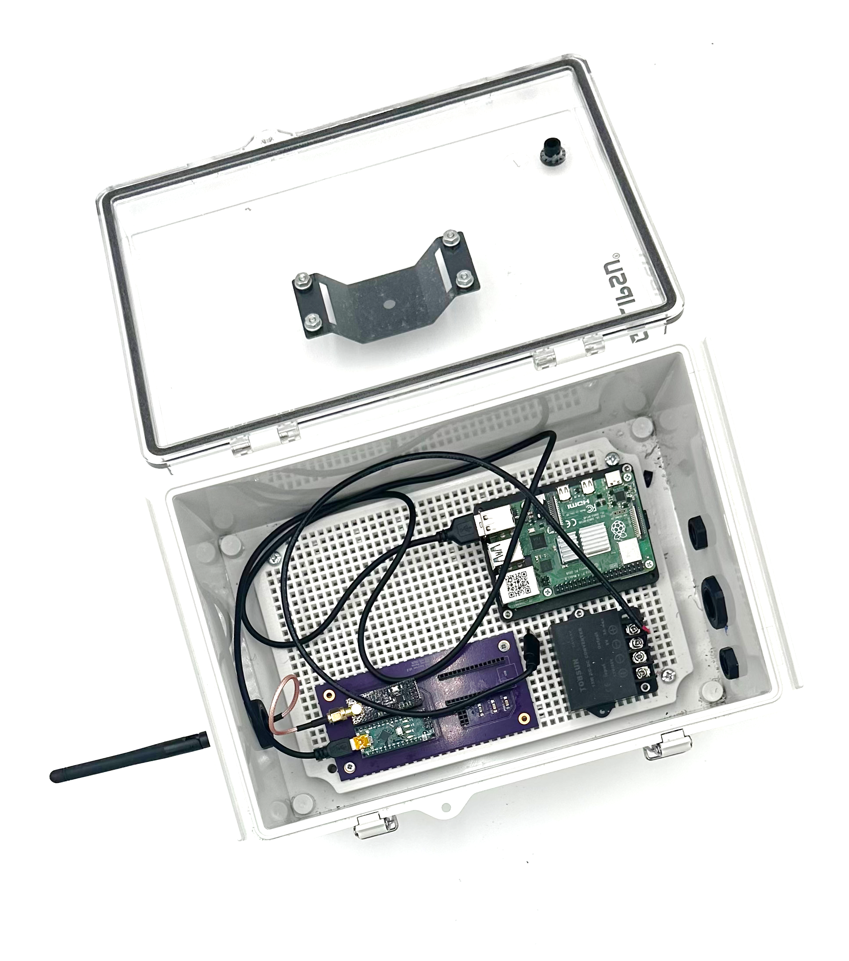

 |  |  | Total | $85.28

