Arc
Deliver Information
Manage Information

Business Intelliegence Reports
Visual Analytics
Real-time Reporting

Embed Analytics
Analyze Data
Enterprise service bus
Service orchestration
Distributed flow control
Legacy analytics
Causal Analytics
Statistical methods
Machine Learning

Pit stop 1

Complex event processing
Event driven bsiness rules
BPM workflow
Media analytics
Speech analytics
GIS analytics
Social media and text processing

Pit stop 2
Store, distribute and process data
Develop
deploy and maintain solutions
Data federation
Stream processing
Enterprise search

Data warehouse,Data marts and ODS
Storage and Load
Distributed file system and DB
Analytics DB
Distributed Compute
In-memory Distributed Compute
TBD

Provision data

Data integration, quality and lineage
Ingestion
Movement between RDBMS and distributed file system
Connectors to Software Apps
Streaming
Connectors to unstructured sources

Arc 2
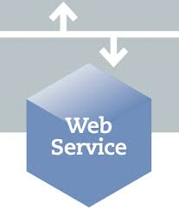


FTP Server, HTTP Server and Node.js
Send and Receive files securely
Hortonworks Dataflow Cluster
(powered by Apache Nifi)
Provision data
(Data Ingestion and provenance)
Nifi Cluster Manager (Master)
Nifi Nodes (Slaves)

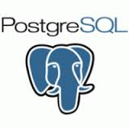
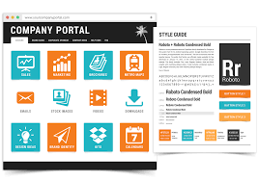
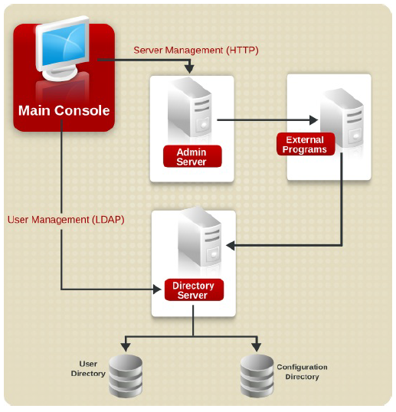
Clients
Subscribe
Run Analytics and BI Reports
Analytics Visualization
Subscription
Business Intelligence
ETL Status Reports
Service Request and Incident Mgmt.
App Store
Customer forum and Knowlege Mgmt.
Service Level Mgmt.
Technical Team
Powered By
Portal Technology
Analytics as a Service
Offerings, Pricing and etc..
Makerting Portal
Authorized and Authenticated by
389 directory server
(Directory Services and identity manager)
Provision, Monitor, Develop, Deploy, Troubleshoot

Associates
Potential Clients

SpagoBI
Business Intelligence
Analyze and Deliver Information
(Legacy Analytics, Ad-Hoc reports and etc..)
R, MADlib and Zeppelin
Analyze Data
(Statistical methods
and Machine Learning)
Monitoring
Dashboards

Segment Hosts
Master Host
MPP Database Cluster
(Massively Parallel Processing Database )
Store, distribute and process data
GPCC

Arc ETL
FTP Server, HTTP Server and Node.js
Send and Receive files securely
Hortonworks Dataflow Cluster
(powered by Apache Nifi)
Provision data
(Data Ingestion and provenance)
Nifi Cluster Manager (Master)
Nifi Nodes (Slaves)
Segment Hosts
Master Host
MPP Database Cluster
(Massively Parallel Processing Database )
Store, distribute and process data
GPCC

Clients
Subscribe
Run Analytics and BI Reports
Analytics Visualization
Subscription
Business Intelligence
ETL Status Reports
Service Request and Incident Mgmt.
App Store
Customer forum and Knowlege Mgmt.
Service Level Mgmt.
Technical Team
Powered By
Portal Technology
Analytics as a Service
Offerings, Pricing and etc..
Makerting Portal
Authorized and Authenticated by
389 directory server
(Directory Services and identity manager)
Provision, Monitor, Develop, Deploy, Troubleshoot

Associates
Potential Clients

SpagoBI
Business Intelligence
Analyze and Deliver Information
(Legacy Analytics, Ad-Hoc reports and etc..)
R, MADlib and Zeppelin
Analyze Data
(Statistical methods
and Machine Learning)
Monitoring
Dashboards

