Example 1
Exhibit 1.12.1: High International Benchmark of Mathematics Achievement – Example Item 1

 |  | Country | Percent Correct |  |  |  | Content Domain: Number
 |  |  |  |  |  |  | Cognitive Domain: Applying
 |  |  |  |  |  |  | Description: Identifies an expression that represents a situation
 |  | Japan | 79 | (1.6) | p
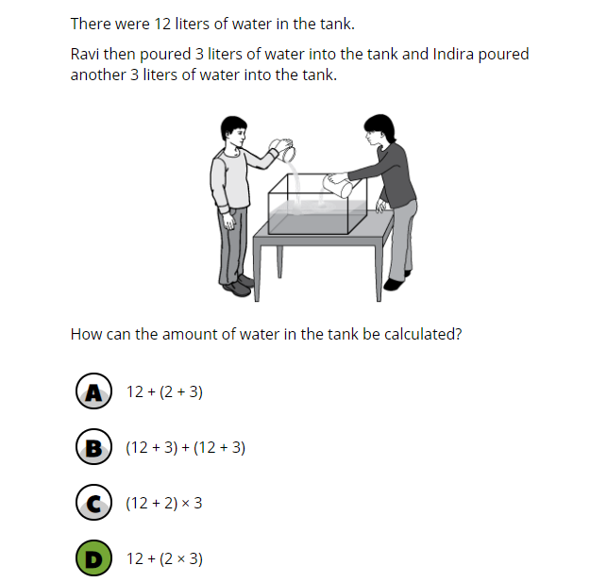
 | 3 | Singapore | 79 | (1.6) | p
 |  | Korea, Rep. of | 71 | (2.2) | p
 | 2 | Latvia | 70 | (2.2) | p
 |  | Finland | 67 | (1.9) | p
 |  | Czech Republic | 66 | (2.8) | p
 | 2 | Russian Federation | 65 | (2.0) | p
 |  | Poland | 65 | (1.9) | p
 |  | Chinese Taipei | 65 | (2.3) | p
 | 2 | Lithuania | 64 | (2.5) | p
 |  | Bulgaria | 63 | (2.9) | p
 | † | Northern Ireland | 63 | (2.8) | p
 |  | Ireland | 61 | (2.4) | p
 | 2 | Slovak Republic | 61 | (2.3) | p
 | 2 | Serbia | 59 | (2.3) | p
 | † | Hong Kong SAR | 59 | (2.7) | p
 |  | Cyprus | 57 | (2.4)
 | † | Belgium (Flemish) | 56 | (2.1)
 |  | Hungary | 56 | (2.1)
 |  | Croatia | 56 | (2.8)
 | 2 | England | 55 | (2.7)
 | 2† | United States | 55 | (1.6)
 |  | Azerbaijan | 54 | (2.5)
 |  | Austria | 54 | (2.2)
 | † | Norway (5) | 54 | (2.9)
 |  | Sweden | 53 | (2.4)
 |  | International Average | 53 | (0.3)
 | 2 | Kazakhstan | 53 | (2.2)
 |  | Australia | 52 | (2.5)
 | ≡ | Netherlands | 51 | (2.5)
 | 2 | Portugal | 51 | (2.3)
 |  | Germany | 50 | (2.6)
 | 2 | New Zealand | 50 | (1.9)
 | 1 | Georgia | 49 | (3.0)
 | † | Denmark | 48 | (2.4) | s
 |  | France | 48 | (2.5) | s
 |  | Armenia | 47 | (2.0) | s
 | 2 | Turkey (5) | 47 | (2.4) | s
 |  | Spain | 45 | (2.4) | s
 | 1 2 | Canada | 42 | (1.8) | s
 |  | Malta | 40 | (1.8) | s
 |  | Italy | 40 | (2.4) | s
 |  | Bahrain | 38 | (1.8) | s
 |  | United Arab Emirates | 37 | (0.9) | s
 |  | Iran, Islamic Rep. of | 33 | (2.0) | s
 |  | Qatar | 30 | (2.2) | s
 |  | Oman | 29 | (2.0) | s
 |  | Chile | 23 | (1.8) | s
 |  | Albania | - | -
 |  | Bosnia and Herzegovina | - | -
 | 2 | Kosovo | - | -
 |  | Kuwait | - | -
 |  | Montenegro | - | -
 |  | Morocco | - | -
 |  | North Macedonia | - | -
 | 2 | Pakistan | - | -
 | 2 | Philippines | - | -
 | 2 | Saudi Arabia | - | -
 |  | South Africa (5) | - | -
Benchmarking Participants
 |  | Moscow City, Russian Fed. | 75 | (1.9) | p
 |  | Quebec, Canada | 58 | (2.4)
 | 2 | Dubai, UAE | 52 | (1.8)
 |  | Madrid, Spain | 46 | (2.3) | s
 | 2 | Ontario, Canada | 39 | (3.2) | s
 |  | Abu Dhabi, UAE | 28 | (1.5) | s

 |  |  |  |  | p | Percent significantly higher than international average

 |  |  |  |  | s | Percent significantly lower than international average

 | See Appendix B.2 for population coverage notes 1, 2, and 3. See Appendix B.5 for sampling guidelines and sampling participation notes †, ‡, and ≡. ( ) Standard errors appear in parentheses. Because of rounding some results may appear inconsistent. A dash (-) indicates comparable data not available. Item not included in TIMSS 2019 less difficult mathematics assessment.

 | SOURCE: IEA's Trends in International Mathematics and Science Study - TIMSS 2019
 | Downloaded from http://timss2019.org/download

