Example 3
Exhibit 1.12.3: High International Benchmark of Mathematics Achievement – Example Item 3

 |  | Country | Percent Full Credit |  |  |  | Content Domain: Data
 |  |  |  |  |  |  | Cognitive Domain: Reasoning
 |  |  |  |  |  |  | Description: Represents data from a table in a pictograph
 | † | Hong Kong SAR | 88 | (2.0) | p
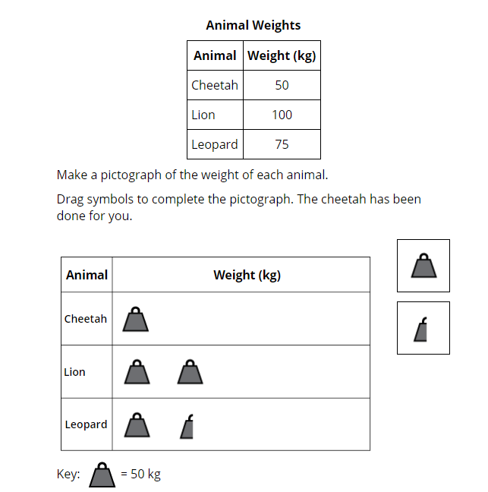
 | 3 | Singapore | 86 | (1.4) | p
 |  | Japan | 84 | (1.5) | p
 |  | Korea, Rep. of | 83 | (1.7) | p
 |  | Chinese Taipei | 81 | (1.8) | p
 | 2 | England | 81 | (2.1) | p
 | † | Northern Ireland | 80 | (2.1) | p
 | 2 | Latvia | 80 | (2.4) | p
 | † | Belgium (Flemish) | 78 | (1.6) | p
 | ≡ | Netherlands | 78 | (2.1) | p
 |  | Ireland | 77 | (2.0) | p
 | 2 | Lithuania | 77 | (1.9) | p
 | † | Norway (5) | 77 | (2.4) | p
 |  | Poland | 77 | (1.6) | p
 |  | Finland | 74 | (2.0) | p
 | 2 | Russian Federation | 74 | (2.5) | p
 | 2 | Kazakhstan | 74 | (2.2) | p
 | † | Denmark | 72 | (2.4) | p
 |  | Cyprus | 72 | (1.9) | p
 |  | Sweden | 71 | (2.2) | p
 |  | Malta | 71 | (2.0) | p
 |  | Australia | 70 | (1.9) | p
 |  | Hungary | 69 | (1.9) | p
 |  | Austria | 68 | (2.5) | p
 |  | Germany | 68 | (1.9) | p
 | 2 | Portugal | 67 | (1.7) | p
 |  | Azerbaijan | 67 | (2.1) | p
 | 2 | Turkey (5) | 67 | (2.7) | p
 | 2 | New Zealand | 65 | (2.0) | p
 |  | Czech Republic | 65 | (2.1)
 | 2† | United States | 65 | (1.5) | p
 | 1 2 | Canada | 65 | (1.6) | p |  | The answer shown illustrates the type of response that would receive full credit (1 point).
 | 2 | Serbia | 62 | (2.5)
 |  | International Average | 61 | (0.3)
 |  | Bulgaria | 61 | (2.5)
 |  | Croatia | 61 | (2.8)
 |  | Albania | 59 | (2.5)
 | 2 | Slovak Republic | 58 | (2.4)
 |  | Spain | 56 | (2.2) | s
 |  | Bahrain | 56 | (1.7) | s
 |  | Italy | 56 | (2.6) | s
 | 1 | Georgia | 53 | (2.9) | s
 |  | North Macedonia | 52 | (3.0) | s
 |  | France | 50 | (2.3) | s
 |  | United Arab Emirates | 50 | (1.0) | s
 |  | Montenegro | 48 | (2.1) | s
 |  | Iran, Islamic Rep. of | 48 | (2.7) | s
 | 2 | Kosovo | 48 | (2.8) | s
 |  | Armenia | 46 | (2.4) | s
 |  | Qatar | 45 | (2.4) | s
 |  | Bosnia and Herzegovina | 43 | (1.9) | s
 |  | Oman | 41 | (2.0) | s
 |  | Chile | 38 | (2.3) | s
 | 2 | Saudi Arabia | 38 | (2.1) | s
 |  | Morocco | 34 | (2.2) | s
 |  | Kuwait | 30 | (2.1) | s
 |  | South Africa (5) | 29 | (1.4) | s
 | 2 | Philippines | 17 | (1.9) | s
 | 2 | Pakistan | 10 | (2.1) | s
Benchmarking Participants
 |  | Moscow City, Russian Fed. | 91 | (1.4) | p
 | 2 | Dubai, UAE | 72 | (1.4) | p
 | 2 | Ontario, Canada | 68 | (2.7) | p
 |  | Quebec, Canada | 65 | (2.4)
 |  | Madrid, Spain | 58 | (3.0)
 |  | Abu Dhabi, UAE | 37 | (1.5) | s

 |  |  |  |  | p | Percent significantly higher than international average

 |  |  |  |  | s | Percent significantly lower than international average

 | See Appendix B.2 for population coverage notes 1, 2, and 3. See Appendix B.5 for sampling guidelines and sampling participation notes †, ‡, and ≡. ( ) Standard errors appear in parentheses. Because of rounding some results may appear inconsistent.

 | SOURCE: IEA's Trends in International Mathematics and Science Study - TIMSS 2019
 | Downloaded from http://timss2019.org/download

