Example 1
Exhibit 1.13.1: Advanced International Benchmark of Mathematics Achievement – Example Item 1

 |  | Country | Percent Full Credit |  |  |  | Content Domain: Number
 |  |  |  |  |  |  | Cognitive Domain: Reasoning
 |  |  |  |  |  |  | Description: Devises two ways of grouping objects that satisfy two conditions (2 of 2 points)
 | 3 | Singapore | 55 | (2.4) | p
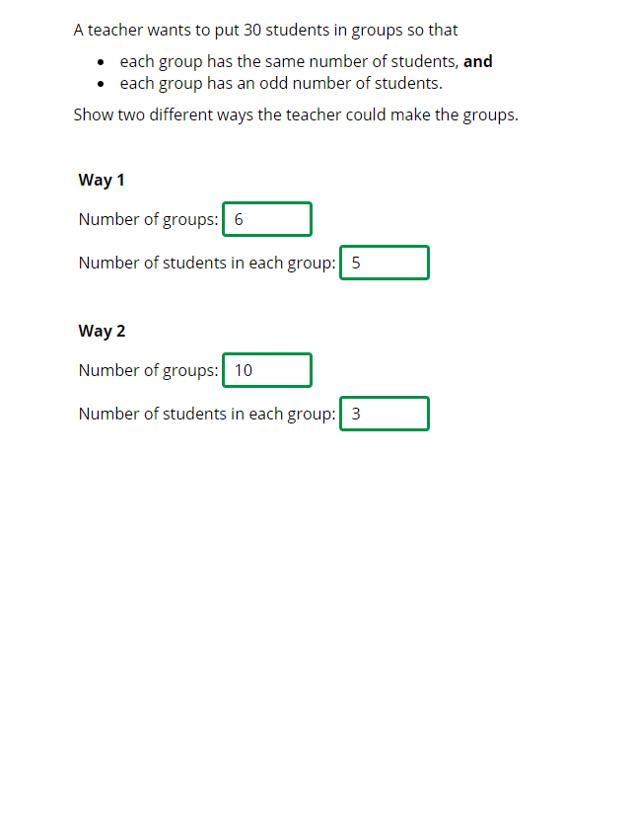
 | † | Northern Ireland | 42 | (2.7) | p
 |  | Korea, Rep. of | 39 | (2.5) | p
 |  | Chinese Taipei | 38 | (2.4) | p
 | † | Hong Kong SAR | 35 | (2.9) | p
 | 2 | Latvia | 35 | (2.1) | p
 | 2 | England | 34 | (2.6) | p
 |  | Poland | 32 | (2.1) | p
 | 2 | Russian Federation | 31 | (1.9) | p
 |  | Czech Republic | 29 | (2.1) | p
 | † | Denmark | 29 | (2.5)
 |  | Cyprus | 27 | (2.3)
 | † | Norway (5) | 27 | (2.3)
 | 2† | United States | 27 | (1.4)
 | † | Belgium (Flemish) | 26 | (2.1)
 |  | Ireland | 26 | (2.5)
 | 2 | Slovak Republic | 26 | (2.3)
 | 2 | Portugal | 26 | (2.4)
 | ≡ | Netherlands | 25 | (2.2)
 |  | Germany | 25 | (2.1)
 |  | Sweden | 25 | (1.5)
 |  | Japan | 25 | (2.0)
 |  | Australia | 25 | (2.0)
 |  | International Average | 24 | (0.3) |  |  | The answer shown illustrates the type of response that would receive full credit (2 points).
 | 2 | Serbia | 24 | (2.1)
 |  | Finland | 23 | (1.7)
 |  | Hungary | 23 | (2.1)
 | 1 2 | Canada | 23 | (1.4)
 |  | Bahrain | 22 | (1.7)
 | 2 | New Zealand | 21 | (1.7)
 | 2 | Kazakhstan | 21 | (2.0)
 |  | Malta | 21 | (1.7) | s
 |  | Austria | 21 | (1.9)
 |  | United Arab Emirates | 20 | (0.8) | s
 |  | Azerbaijan | 20 | (1.9) | s
 |  | Croatia | 20 | (2.0) | s
 |  | Bulgaria | 19 | (2.2) | s
 |  | Armenia | 19 | (2.0) | s
 |  | Italy | 18 | (2.1) | s
 | 2 | Lithuania | 17 | (1.9) | s
 | 2 | Turkey (5) | 16 | (1.8) | s
 |  | Spain | 15 | (1.7) | s
 | 1 | Georgia | 12 | (2.0) | s
 |  | Iran, Islamic Rep. of | 12 | (1.6) | s
 |  | France | 12 | (1.7) | s
 |  | Oman | 11 | (1.6) | s
 |  | Qatar | 11 | (1.5) | s
 |  | Chile | 6 | (1.0) | s
 |  | Albania | - | -
 |  | Bosnia and Herzegovina | - | -
 | 2 | Kosovo | - | -
 |  | Kuwait | - | -
 |  | Montenegro | - | -
 |  | Morocco | - | -
 |  | North Macedonia | - | -
 | 2 | Pakistan | - | -
 | 2 | Philippines | - | -
 | 2 | Saudi Arabia | - | -
 |  | South Africa (5) | - | -
Benchmarking Participants
 |  | Moscow City, Russian Fed. | 38 | (2.2) | p
 | 2 | Dubai, UAE | 31 | (2.0) | p
 | 2 | Ontario, Canada | 25 | (2.3)
 |  | Quebec, Canada | 24 | (2.3)
 |  | Madrid, Spain | 22 | (2.1)
 |  | Abu Dhabi, UAE | 11 | (0.9) | s

 |  |  |  |  | p | Percent significantly higher than international average

 |  |  |  |  | s | Percent significantly lower than international average

 | See Appendix B.2 for population coverage notes 1, 2, and 3. See Appendix B.5 for sampling guidelines and sampling participation notes †, ‡, and ≡. ( ) Standard errors appear in parentheses. Because of rounding some results may appear inconsistent. A dash (-) indicates comparable data not available. Item not included in TIMSS 2019 less difficult mathematics assessment.

 | SOURCE: IEA's Trends in International Mathematics and Science Study - TIMSS 2019
 | Downloaded from http://timss2019.org/download

