Example 2
Exhibit 1.13.2: Advanced International Benchmark of Mathematics Achievement – Example Item 2

 |  | Country | Percent Full Credit |  |  |  | Content Domain: Measurement and Geometry
 |  |  |  |  |  |  | Cognitive Domain: Applying
 |  |  |  |  |  |  | Description: Determines the number of three different shapes that cover the area of a square (2 of 2 points)
 |  | Korea, Rep. of | 54 | (2.0) | p
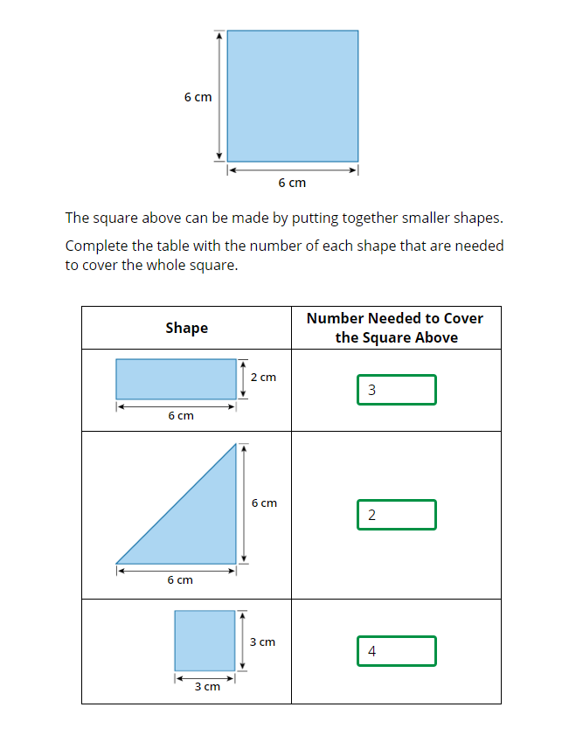
 | † | Hong Kong SAR | 53 | (3.2) | p
 | 2 | Russian Federation | 47 | (2.3) | p
 | 3 | Singapore | 45 | (2.1) | p
 |  | Japan | 41 | (2.3) | p
 |  | Chinese Taipei | 40 | (2.6) | p
 | ≡ | Netherlands | 36 | (2.3) | p
 |  | Czech Republic | 35 | (2.2) | p
 |  | Finland | 34 | (2.1) | p
 |  | Poland | 34 | (1.9) | p
 |  | Hungary | 31 | (2.4) | p
 | 2 | Lithuania | 31 | (2.2) | p
 | 2 | Latvia | 31 | (2.1) | p
 |  | Azerbaijan | 30 | (1.6) | p
 |  | Armenia | 28 | (2.3) | p
 | † | Norway (5) | 27 | (2.7) | p
 |  | Bulgaria | 27 | (2.7) | p
 | † | Denmark | 26 | (2.0) | p
 |  | Sweden | 26 | (2.1) | p
 | † | Northern Ireland | 26 | (2.2) | p
 |  | Albania | 25 | (2.6)
 |  | Ireland | 24 | (2.1)
 | 2 | England | 24 | (2.1)
 | † | Belgium (Flemish) | 24 | (1.9)
 |  | Austria | 24 | (1.8)
 |  | Australia | 23 | (1.7)
 |  | Italy | 22 | (1.9)
 | 2 | Portugal | 21 | (1.8)
 |  | Germany | 21 | (2.2)
 |  | International Average | 21 | (0.2)
 |  | Cyprus | 21 | (2.3)
 | 2 | Serbia | 20 | (2.3)
 | 1 2 | Canada | 19 | (1.9)
 | 2 | Kazakhstan | 19 | (2.2)
 | 2† | United States | 17 | (1.4) | s
 | 2 | New Zealand | 16 | (1.5) | s
 | 2 | Turkey (5) | 16 | (1.6) | s
 | 2 | Slovak Republic | 16 | (1.8) | s
 |  | France | 15 | (1.5) | s
 |  | United Arab Emirates | 14 | (0.7) | s |  | The answer shown illustrates the type of response that would receive full credit (2 points).
 |  | North Macedonia | 14 | (2.0) | s
 |  | Malta | 12 | (1.4) | s
 | 1 | Georgia | 12 | (1.5) | s
 |  | Montenegro | 12 | (1.3) | s
 |  | Spain | 11 | (1.3) | s
 |  | Bahrain | 11 | (1.3) | s
 |  | Iran, Islamic Rep. of | 11 | (1.5) | s
 |  | Oman | 10 | (1.8) | s
 |  | Croatia | 10 | (1.5) | s
 |  | Bosnia and Herzegovina | 9 | (1.4) | s
 | 2 | Saudi Arabia | 8 | (1.0) | s
 |  | Morocco | 6 | (1.4) | s
 |  | Chile | 6 | (1.0) | s
 |  | Qatar | 6 | (1.1) | s
 | 2 | Kosovo | 3 | (0.8) | s
 |  | Kuwait | 3 | (0.9) | s
 |  | South Africa (5) | 2 | (0.5) | s
 | 2 | Pakistan | 1 | (0.3) | s
 | 2 | Philippines | 1 | (0.3) | s
Benchmarking Participants
 |  | Moscow City, Russian Fed. | 53 | (2.9) | p
 | 2 | Dubai, UAE | 23 | (1.5)
 |  | Quebec, Canada | 21 | (2.0)
 | 2 | Ontario, Canada | 19 | (3.6)
 |  | Madrid, Spain | 13 | (1.6) | s
 |  | Abu Dhabi, UAE | 8 | (0.8) | s

 |  |  |  |  | p | Percent significantly higher than international average

 |  |  |  |  | s | Percent significantly lower than international average

 | See Appendix B.2 for population coverage notes 1, 2, and 3. See Appendix B.5 for sampling guidelines and sampling participation notes †, ‡, and ≡. ( ) Standard errors appear in parentheses. Because of rounding some results may appear inconsistent.

 | SOURCE: IEA's Trends in International Mathematics and Science Study - TIMSS 2019
 | Downloaded from http://timss2019.org/download

