Example 3
Exhibit 1.13.3: Advanced International Benchmark of Mathematics Achievement – Example Item 3

 |  | Country | Percent Full Credit |  |  |  | Content Domain: Measurement and Geometry
 |  |  |  |  |  |  | Cognitive Domain: Applying
 |  |  |  |  |  |  | Description: Determines the number of square and triangular faces of three-dimensional shapes (2 of 2 points)
 | † | Hong Kong SAR | 49 | (2.4) | p
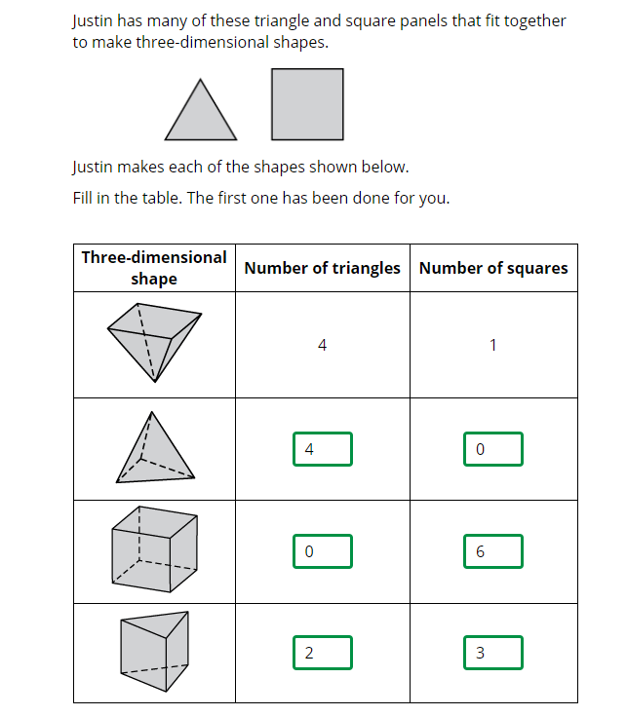
 |  | Japan | 47 | (2.0) | p
 | † | Northern Ireland | 46 | (2.4) | p
 | 1 2 | Canada | 43 | (1.6) | p
 | 2 | Lithuania | 42 | (2.6) | p
 |  | Ireland | 40 | (2.5) | p
 |  | Korea, Rep. of | 38 | (2.5) | p
 |  | Cyprus | 38 | (2.4) | p
 |  | Australia | 37 | (2.6) | p
 |  | Chinese Taipei | 36 | (2.2) | p
 | 2 | Portugal | 34 | (1.9) | p
 | 3 | Singapore | 34 | (1.9) | p
 | 2 | England | 33 | (2.5) | p
 | 2 | Russian Federation | 33 | (1.9) | p
 | † | Norway (5) | 32 | (2.8)
 |  | Czech Republic | 32 | (2.2) | p
 |  | Finland | 30 | (2.1)
 |  | Austria | 30 | (2.2)
 |  | Malta | 29 | (2.3)
 |  | Germany | 29 | (1.9)
 |  | Sweden | 28 | (2.1)
 |  | Hungary | 27 | (2.1)
 |  | International Average | 27 | (0.3)
 | 2 | Serbia | 25 | (2.3)
 | 2 | New Zealand | 25 | (1.8)
 | 2† | United States | 25 | (1.6)
 |  | Chile | 25 | (1.8)
 |  | Bahrain | 23 | (1.7) | s
 | † | Denmark | 23 | (2.6)
 | 2 | Latvia | 22 | (2.0) | s
 |  | Poland | 22 | (2.0) | s
 |  | Azerbaijan | 22 | (1.6) | s
 | 2 | Slovak Republic | 21 | (1.8) | s
 | 2 | Turkey (5) | 21 | (1.8) | s
 |  | United Arab Emirates | 21 | (0.7) | s
 |  | Spain | 20 | (1.8) | s |  | The answer shown illustrates the type of response that would receive full credit (2 points).
 |  | Italy | 20 | (1.9) | s
 | 2 | Kazakhstan | 19 | (1.9) | s
 |  | Oman | 18 | (1.8) | s
 |  | Croatia | 17 | (1.9) | s
 | ≡ | Netherlands | 17 | (1.7) | s
 |  | France | 17 | (1.6) | s
 |  | Bulgaria | 17 | (2.0) | s
 | 1 | Georgia | 16 | (2.2) | s
 |  | Armenia | 16 | (1.7) | s
 | † | Belgium (Flemish) | 12 | (1.2) | s
 |  | Qatar | 11 | (1.4) | s
 |  | Iran, Islamic Rep. of | 4 | (0.9) | s
 |  | Albania | - | -
 |  | Bosnia and Herzegovina | - | -
 | 2 | Kosovo | - | -
 |  | Kuwait | - | -
 |  | Montenegro | - | -
 |  | Morocco | - | -
 |  | North Macedonia | - | -
 | 2 | Pakistan | - | -
 | 2 | Philippines | - | -
 | 2 | Saudi Arabia | - | -
 |  | South Africa (5) | - | -
Benchmarking Participants
 |  | Quebec, Canada | 57 | (2.9) | p
 | 2 | Ontario, Canada | 43 | (2.7) | p
 | 2 | Dubai, UAE | 34 | (1.7) | p
 |  | Moscow City, Russian Fed. | 33 | (2.0) | p
 |  | Madrid, Spain | 21 | (2.2) | s
 |  | Abu Dhabi, UAE | 14 | (0.9) | s

 |  |  |  |  | p | Percent significantly higher than international average

 |  |  |  |  | s | Percent significantly lower than international average

 | See Appendix B.2 for population coverage notes 1, 2, and 3. See Appendix B.5 for sampling guidelines and sampling participation notes †, ‡, and ≡. ( ) Standard errors appear in parentheses. Because of rounding some results may appear inconsistent. A dash (-) indicates comparable data not available. Item not included in TIMSS 2019 less difficult mathematics assessment.

 | SOURCE: IEA's Trends in International Mathematics and Science Study - TIMSS 2019
 | Downloaded from http://timss2019.org/download

