Example 4
Exhibit 1.13.4: Advanced International Benchmark of Mathematics Achievement – Example Item 4

 |  | Country | Percent Full Credit |  |  |  | Content Domain: Data
 |  |  |  |  |  |  | Cognitive Domain: Applying
 |  |  |  |  |  |  | Description: Determines the y-axis scale for a bar graph given the data in a table
 |  | Japan | 88 | (1.6) | p
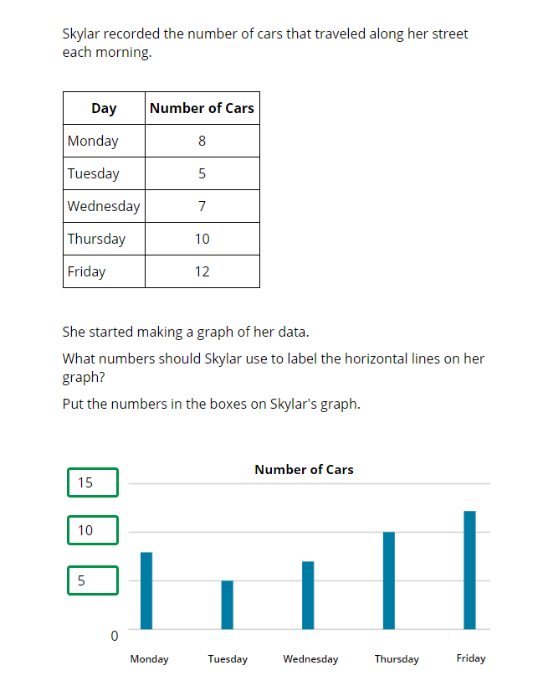
 |  | Korea, Rep. of | 87 | (1.6) | p
 | † | Hong Kong SAR | 80 | (2.3) | p
 | 3 | Singapore | 77 | (1.9) | p
 |  | Chinese Taipei | 67 | (2.2) | p
 | † | Norway (5) | 54 | (2.1) | p
 | 2 | England | 52 | (2.6) | p
 | † | Belgium (Flemish) | 51 | (2.5) | p
 | ≡ | Netherlands | 49 | (2.2) | p
 | 2 | Latvia | 48 | (2.3) | p
 | † | Northern Ireland | 47 | (2.4) | p
 |  | Cyprus | 47 | (2.6) | p
 |  | Australia | 47 | (2.0) | p
 |  | Ireland | 47 | (2.2) | p
 |  | Sweden | 45 | (2.4) | p
 | 1 2 | Canada | 43 | (1.7) | p
 | 2 | Russian Federation | 41 | (2.7) | p
 | 2 | Lithuania | 40 | (2.3) | p
 | † | Denmark | 40 | (2.6) | p
 | 2† | United States | 40 | (1.8) | p
 |  | Finland | 39 | (2.1) | p
 | 2 | Portugal | 38 | (2.0) | p
 |  | Czech Republic | 38 | (2.3)
 |  | Austria | 38 | (2.4)
 |  | Malta | 36 | (1.9)
 |  | Germany | 35 | (2.5)
 |  | International Average | 34 | (0.3)
 |  | Hungary | 34 | (2.6)
 | 2 | Slovak Republic | 33 | (2.5)
 |  | United Arab Emirates | 33 | (1.0)
 | 2 | New Zealand | 32 | (1.8)
 |  | Poland | 31 | (2.1)
 |  | Italy | 30 | (2.6)
 |  | Albania | 30 | (2.7)
 |  | North Macedonia | 29 | (3.2)
 | 2 | Turkey (5) | 28 | (2.0) | s
 |  | Bahrain | 27 | (1.8) | s
 | 2 | Kazakhstan | 27 | (2.5) | s
 |  | Spain | 27 | (1.9) | s
 | 2 | Serbia | 25 | (2.4) | s
 |  | Bulgaria | 24 | (2.5) | s |  | The answer shown illustrates the type of response that would receive full credit (1 point).
 |  | France | 24 | (2.0) | s
 |  | Qatar | 20 | (2.0) | s
 |  | Chile | 19 | (1.6) | s
 |  | Oman | 18 | (1.8) | s
 |  | Azerbaijan | 17 | (1.5) | s
 |  | Croatia | 16 | (2.7) | s
 |  | Morocco | 15 | (2.0) | s
 |  | Montenegro | 14 | (1.7) | s
 | 2 | Kosovo | 14 | (1.6) | s
 | 2 | Saudi Arabia | 13 | (1.4) | s
 |  | South Africa (5) | 11 | (1.3) | s
 |  | Kuwait | 11 | (1.9) | s
 |  | Iran, Islamic Rep. of | 11 | (1.8) | s
 | 1 | Georgia | 8 | (1.5) | s
 |  | Bosnia and Herzegovina | 8 | (1.7) | s
 |  | Armenia | 7 | (1.4) | s
 | 2 | Philippines | 6 | (1.0) | s
 | 2 | Pakistan | 4 | (1.8) | s
Benchmarking Participants
 |  | Moscow City, Russian Fed. | 70 | (2.2) | p
 | 2 | Dubai, UAE | 51 | (2.0) | p
 | 2 | Ontario, Canada | 48 | (2.7) | p
 |  | Quebec, Canada | 46 | (2.4) | p
 |  | Madrid, Spain | 27 | (2.4) | s
 |  | Abu Dhabi, UAE | 21 | (1.5) | s

 |  |  |  |  | p | Percent significantly higher than international average

 |  |  |  |  | s | Percent significantly lower than international average

 | See Appendix B.2 for population coverage notes 1, 2, and 3. See Appendix B.5 for sampling guidelines and sampling participation notes †, ‡, and ≡. ( ) Standard errors appear in parentheses. Because of rounding some results may appear inconsistent.

 | SOURCE: IEA's Trends in International Mathematics and Science Study - TIMSS 2019
 | Downloaded from http://timss2019.org/download

