10.9 Scale Description
Exhibit 10.9: Classroom Teaching Limited by Students Not Ready for Instruction – Teachers’ Reports
Students’ Results based on Teachers’ Reports

 |  | About the Scale
 |  | Students were scored according to their teachers’ reports regarding eight student attributes on the Classroom Teaching Limited by Students Not Ready for Instruction scale. Cut scores divide the scale into three categories. Students with teachers who felt their teaching was limited Very Little had a score at or above the cut score corresponding to their teachers reporting they were “not at all” limited by four of the eight student attributes and were limited “some” by the other four, on average. Students with teachers who felt their teaching was limited A Lot had a score at or below the cut score corresponding to their teachers reporting they were limited “a lot” by four of the eight attributes and were limited “some” by the other four, on average. All other students had teachers who felt their teaching was limited Some.
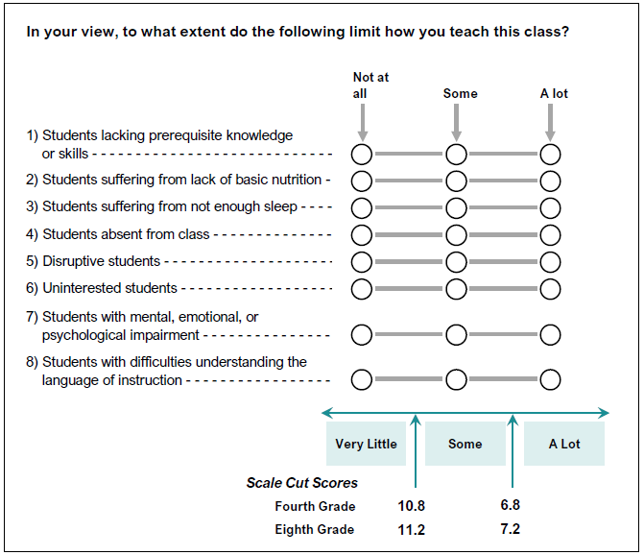

 | SOURCE: IEA's Trends in International Mathematics and Science Study - TIMSS 2019
 | Downloaded from http://timss2019.org/download

