11.7 Scale Description
Exhibit 11.7: Students Confident in Mathematics
Students’ Reports

 |  | About the Scale
 |  | Students were scored according to their responses to nine statements on the Students Confident in Mathematics scale. Cut scores divide the scale into three categories. Students Very Confident in Mathematics had a score at or above the cut score corresponding to “agreeing a lot” with five of the nine statements and “agreeing a little” with the other four, on average. Students who were Not Confident in Mathematics had a score at or below the cut score corresponding to “disagreeing a little” with five of the nine statements and “agreeing a little” with the other four, on average. All other students were Somewhat Confident in Mathematics.
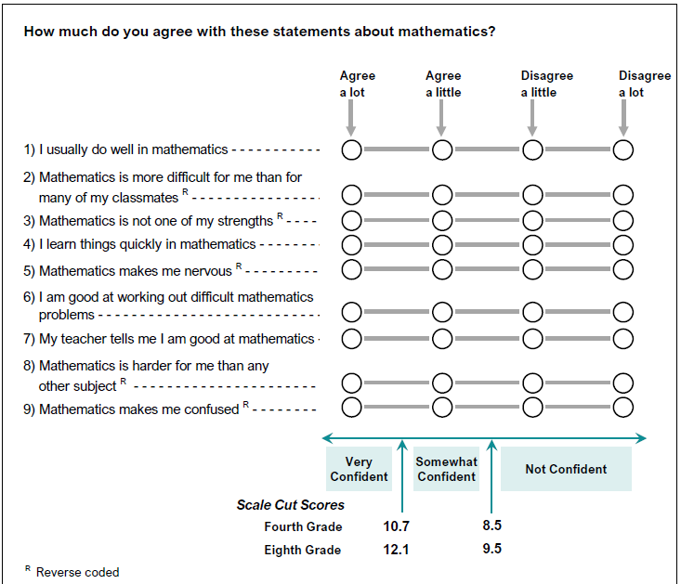

 | SOURCE: IEA's Trends in International Mathematics and Science Study - TIMSS 2019
 | Downloaded from http://timss2019.org/download

