12.8 Scale Description
Exhibit 12.8: Instructional Clarity in Mathematics Lessons – Students’ Reports
Students’ Reports

 |  | About the Scale
 |  | Students were scored according to their responses to seven statements on the Instructional Clarity in Mathematics Lessons scale. Cut scores divide the scale into three categories. Students who reported High Clarity of Instruction in their mathematics lessons had a score at or above the cut score corresponding to “agreeing a lot” with four of the seven statements and “agreeing a little” with the other three, on average. Students who reported Low Clarity of Instruction in their mathematics lessons had a score at or below the cut score corresponding to “disagreeing a little” with four of the seven statements and “agreeing a little” with the other three, on average. All other students reported Moderate Clarity of Instruction in their mathematics lessons.
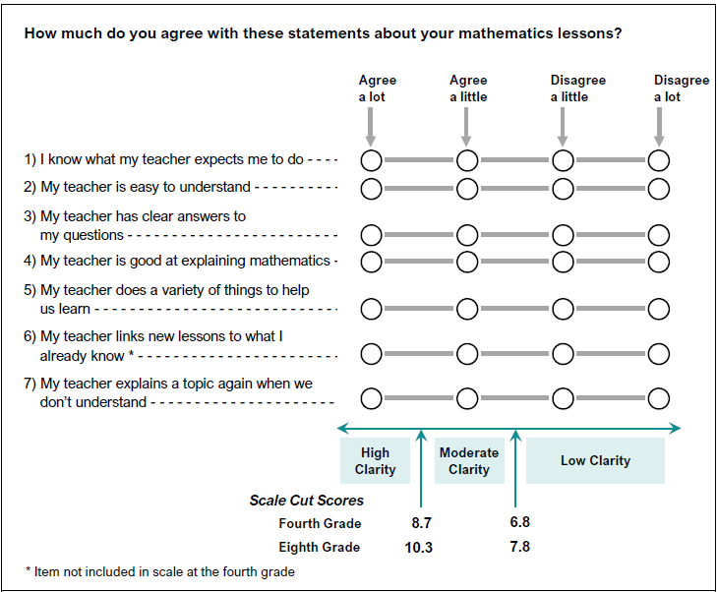

 | SOURCE: IEA's Trends in International Mathematics and Science Study - TIMSS 2019
 | Downloaded from http://timss2019.org/download

