12.11 Scale Description
Exhibit 12.11: Disorderly Behavior During Mathematics Lessons
Students’ Reports

 |  | About the Scale
 |  | Students were scored according to their responses to six statements on the Disorderly Behavior During Mathematics Lessons scale. Cut scores divide the scale into three categories. Students who reported disorderly behavior in Few or No Lessons had a score at or above the cut score corresponding to reporting that three of the six situations “never” happened in their mathematics lessons and the other three happened in “some lessons,” on average. Students who reported disorderly behavior in Most Lessons had a score at or below the cut score corresponding to reporting that three of the six situations happened in “every or almost every lesson” and the other three happened in “about half the lessons,” on average. All other students reported disorderly behavior in Some Lessons.
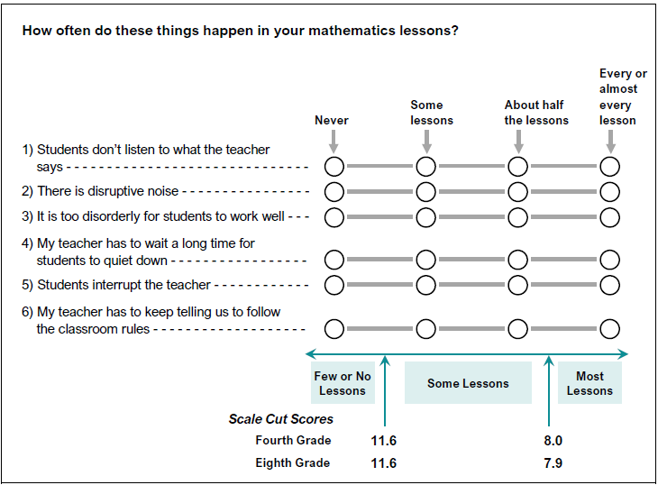

 | SOURCE: IEA's Trends in International Mathematics and Science Study - TIMSS 2019
 | Downloaded from http://timss2019.org/download

