13.11 Scale Description
Exhibit 13.11: Teachers’ Emphasis on Science Investigation
Students’ Results Based on Teachers’ Reports

 |  | About the Scale
 |  | Students were scored according to their teachers’ reports regarding how often they asked students to do eight instructional activities on the Emphasis on Science Investigation scale. Cut scores divide the scale into two categories. Students with teachers reporting they emphasize science investigation in About Half the Lessons or More had a score at or above the cut score corresponding to their teachers reporting they do all eight activities in “about half the lessons,” on average. All other students had teachers reporting they emphasize science investigation in Less than Half the Lessons.
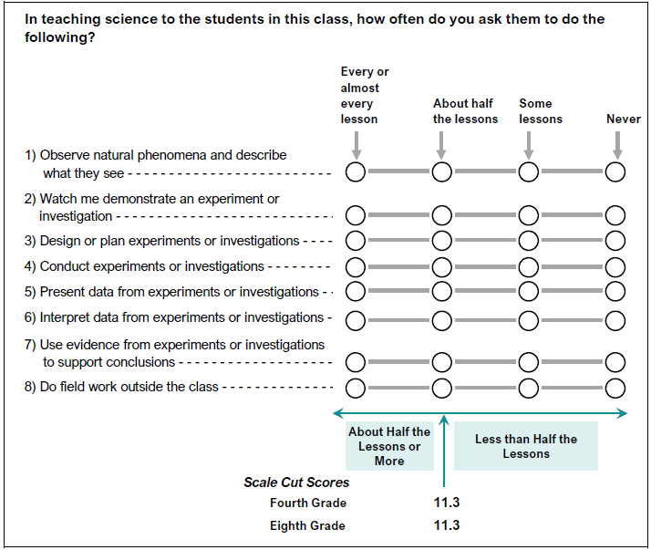

 | SOURCE: IEA's Trends in International Mathematics and Science Study - TIMSS 2019
 | Downloaded from http://timss2019.org/download

