13.8 Scale Description
Exhibit 13.8: Instructional Clarity in Science Lessons – Students’ Reports
Students’ Reports

 |  | About the Scale
 |  | Students were scored according to their responses to seven statements on the Instructional Clarity in Science Lessons scale. Cut scores divide the scale into three categories. Students who reported High Clarity of Instruction in their science lessons had a score at or above the cut score corresponding to “agreeing a lot” with four of the seven statements and “agreeing a little” with the other three, on average. Students who reported Low Clarity of Instruction in their science lessons had a score at or below the cut score corresponding to “disagreeing a little” with four of the seven statements and “agreeing a little” with the other three, on average. All other students reported Moderate Clarity of Instruction in their science lessons. At the eighth grade, a comparable approach was used for biology, chemistry, physics, and Earth science in countries where these were taught as separate subjects.

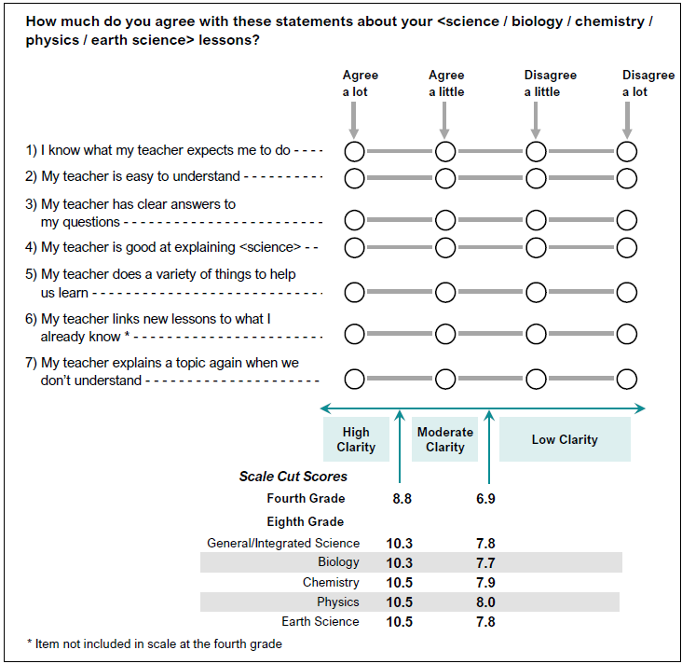

 | SOURCE: IEA's Trends in International Mathematics and Science Study - TIMSS 2019
 | Downloaded from http://timss2019.org/download

