Example 1
Exhibit 2.11.1: Intermediate International Benchmark of Science Achievement – Example Item 1

 |  | Country | Percent Full Credit |  |  |  | Content Domain: Life Science
 |  |  |  |  |  |  | Cognitive Domain: Knowing
 |  |  |  |  |  |  | Description: States one reason why plastic objects in the ocean are dangerous for sea animals
 |  | Sweden | 86 | (1.8) | p
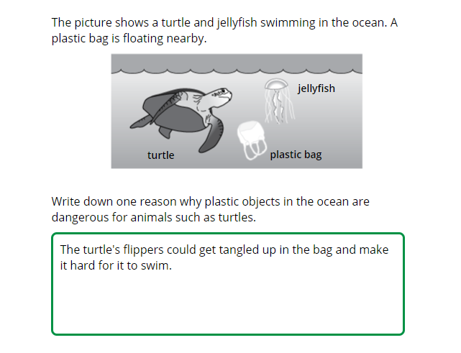
 |  | Finland | 85 | (1.4) | p
 | † | Norway (5) | 85 | (1.9) | p
 |  | Australia | 84 | (1.6) | p
 |  | Japan | 83 | (1.6) | p
 | ≡ | Netherlands | 83 | (1.8) | p
 | 3 | Singapore | 83 | (1.2) | p
 |  | Cyprus | 83 | (1.7) | p
 | 2 | England | 81 | (2.1) | p
 |  | Ireland | 81 | (1.9) | p
 | 2† | United States | 79 | (1.2) | p
 | † | Denmark | 78 | (2.2) | p
 | † | Belgium (Flemish) | 78 | (2.1) | p
 | † | Northern Ireland | 76 | (2.5) | p
 |  | Malta | 76 | (1.8) | p
 |  | Chinese Taipei | 75 | (2.2) | p
 | 1 2 | Canada | 75 | (1.6) | p
 | 2 | Russian Federation | 74 | (2.3) | p
 |  | Czech Republic | 73 | (1.9) | p
 |  | Germany | 73 | (2.1) | p
 |  | Korea, Rep. of | 73 | (2.1) | p
 | 2 | Lithuania | 71 | (1.9) | p
 |  | Spain | 70 | (2.0) | p
 | 2 | New Zealand | 70 | (1.7) | p
 | 2 | Portugal | 70 | (2.2) | p
 |  | Austria | 70 | (2.2) | p |  | The answer shown illustrates the type of response that would receive full credit (1 point).
 |  | Hungary | 68 | (2.0) | p
 |  | Poland | 67 | (1.9) | p
 |  | Italy | 65 | (2.1) | p
 | 2 | Slovak Republic | 63 | (2.4) | p
 |  | France | 62 | (2.6) | p
 | † | Hong Kong SAR | 62 | (3.0)
 |  | Chile | 61 | (2.1)
 | 2 | Latvia | 60 | (2.2)
 | 2 | Turkey (5) | 58 | (2.4)
 |  | International Average | 57 | (0.3)
 | 2 | Serbia | 54 | (2.7)
 |  | Croatia | 51 | (2.3) | s
 |  | Bahrain | 48 | (2.2) | s
 |  | Armenia | 45 | (2.4) | s
 |  | Qatar | 45 | (2.6) | s
 |  | United Arab Emirates | 44 | (1.0) | s
 |  | Bulgaria | 42 | (3.1) | s
 |  | Albania | 40 | (2.9) | s
 |  | Bosnia and Herzegovina | 39 | (2.5) | s
 | 1 | Georgia | 36 | (2.8) | s
 |  | Montenegro | 35 | (2.1) | s
 |  | Oman | 34 | (2.1) | s
 | 2 | Kazakhstan | 33 | (2.0) | s
 |  | South Africa (5) | 28 | (1.5) | s
 |  | Kuwait | 28 | (2.0) | s
 |  | Iran, Islamic Rep. of | 21 | (1.8) | s
 |  | Morocco | 21 | (1.9) | s
 |  | Azerbaijan | 20 | (1.9) | s
 |  | North Macedonia | 19 | (2.3) | s
 | 2 | Kosovo | 17 | (1.9) | s
 | 2 | Saudi Arabia | 14 | (1.4) | s
 | 2 | Philippines | 11 | (1.5) | s
 | 2 | Pakistan | 7 | (1.9) | s
Benchmarking Participants
 |  | Moscow City, Russian Fed. | 78 | (2.0) | p
 |  | Madrid, Spain | 76 | (2.6) | p
 | 2 | Ontario, Canada | 76 | (2.7) | p
 |  | Quebec, Canada | 73 | (2.4) | p
 | 2 | Dubai, UAE | 60 | (2.1)
 |  | Abu Dhabi, UAE | 34 | (1.4) | s

 |  |  |  |  | p | Percent significantly higher than international average

 |  |  |  |  | s | Percent significantly lower than international average

 | See Appendix B.2 for population coverage notes 1, 2, and 3. See Appendix B.5 for sampling guidelines and sampling participation notes †, ‡, and ≡. ( ) Standard errors appear in parentheses. Because of rounding some results may appear inconsistent.

 | SOURCE: IEA's Trends in International Mathematics and Science Study - TIMSS 2019
 | Downloaded from http://timss2019.org/download

