Example 2
Exhibit 2.11.2: Intermediate International Benchmark of Science Achievement – Example Item 2

 |  | Country | Percent Correct |  |  |  | Content Domain: Physical Science
 |  |  |  |  |  |  | Cognitive Domain: Applying
 |  |  |  |  |  |  | Description: Recognizes the best explanation for why a box on a cart is easier to pull than a box resting directly on the floor
 |  | Finland | 88 | (1.4) | p
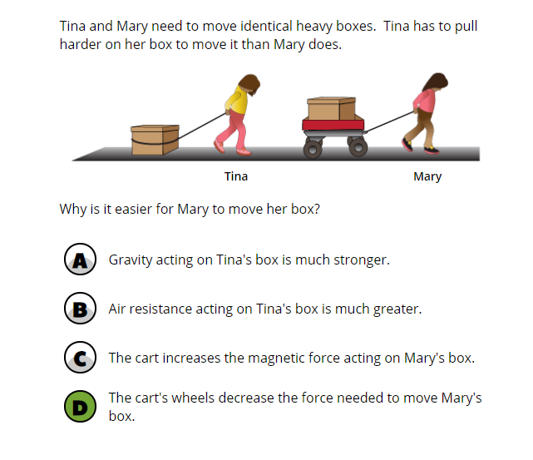
 |  | Korea, Rep. of | 87 | (1.6) | p
 | 3 | Singapore | 85 | (1.2) | p
 |  | Chinese Taipei | 85 | (1.5) | p
 | † | Hong Kong SAR | 83 | (2.1) | p
 | 2 | Russian Federation | 82 | (2.1) | p
 | 2 | Lithuania | 82 | (1.9) | p
 |  | Sweden | 81 | (1.7) | p
 |  | Ireland | 80 | (1.9) | p
 | 2 | Latvia | 80 | (2.0) | p
 | 2 | England | 77 | (2.1) | p
 | † | Northern Ireland | 76 | (2.0) | p
 | 2 | Serbia | 76 | (2.3) | p
 |  | Australia | 76 | (2.1) | p
 |  | Hungary | 75 | (1.9) | p
 | † | Belgium (Flemish) | 74 | (2.2) | p
 | † | Denmark | 73 | (2.0) | p
 |  | Poland | 72 | (1.8) | p
 |  | Italy | 72 | (2.6) | p
 |  | Germany | 72 | (2.2) | p
 | 2 | New Zealand | 72 | (2.0) | p
 | 1 2 | Canada | 72 | (2.1) | p
 | 2† | United States | 71 | (1.4) | p
 | † | Norway (5) | 71 | (2.2) | p
 | 2 | Slovak Republic | 70 | (2.1) | p
 |  | Croatia | 70 | (2.8)
 | ≡ | Netherlands | 70 | (2.4)
 |  | Czech Republic | 69 | (2.2)
 | 2 | Kazakhstan | 68 | (1.9)
 |  | Cyprus | 68 | (1.8)
 |  | Austria | 67 | (2.2)
 |  | Spain | 67 | (2.1)
 |  | International Average | 66 | (0.3)
 |  | Malta | 66 | (2.2)
 |  | Japan | 66 | (2.2)
 |  | Bulgaria | 65 | (2.8)
 |  | Albania | 64 | (2.3)
 |  | Bahrain | 63 | (1.8)
 | 2 | Portugal | 62 | (1.9) | s
 |  | Iran, Islamic Rep. of | 61 | (2.3) | s
 |  | United Arab Emirates | 61 | (0.8) | s
 | 2 | Turkey (5) | 60 | (2.6) | s
 |  | Azerbaijan | 60 | (2.2) | s
 |  | Bosnia and Herzegovina | 58 | (2.1) | s
 |  | France | 58 | (2.1) | s
 | 1 | Georgia | 55 | (2.7) | s
 |  | Qatar | 54 | (2.2) | s
 | 2 | Kosovo | 54 | (2.2) | s
 |  | Montenegro | 53 | (2.1) | s
 |  | Oman | 53 | (1.8) | s
 |  | North Macedonia | 51 | (3.0) | s
 |  | Chile | 50 | (2.1) | s
 | 2 | Saudi Arabia | 49 | (2.3) | s
 |  | Armenia | 48 | (2.4) | s
 |  | South Africa (5) | 47 | (1.5) | s
 |  | Kuwait | 45 | (2.1) | s
 |  | Morocco | 41 | (2.0) | s
 | 2 | Pakistan | 39 | (4.7) | s
 | 2 | Philippines | 36 | (2.0) | s
Benchmarking Participants
 |  | Moscow City, Russian Fed. | 88 | (1.7) | p
 | 2 | Dubai, UAE | 77 | (1.6) | p
 |  | Madrid, Spain | 73 | (2.6) | p
 | 2 | Ontario, Canada | 72 | (3.7)
 |  | Quebec, Canada | 68 | (2.4)
 |  | Abu Dhabi, UAE | 52 | (1.4) | s

 |  |  |  |  | p | Percent significantly higher than international average

 |  |  |  |  | s | Percent significantly lower than international average

 | See Appendix B.2 for population coverage notes 1, 2, and 3. See Appendix B.5 for sampling guidelines and sampling participation notes †, ‡, and ≡. ( ) Standard errors appear in parentheses. Because of rounding some results may appear inconsistent.

 | SOURCE: IEA's Trends in International Mathematics and Science Study - TIMSS 2019
 | Downloaded from http://timss2019.org/download

