Example 1
Exhibit 2.12.1: High International Benchmark of Science Achievement – Example Item 1

 |  | Country | Percent Full Credit |  |  |  | Content Domain: Life Science
 |  |  |  |  |  |  | Cognitive Domain: Knowing
 |  |  |  |  |  |  | Description: Lists two living things and two nonliving things shown in a picture of a desert ecosystem
 | 3 | Singapore | 84 | (1.4) | p
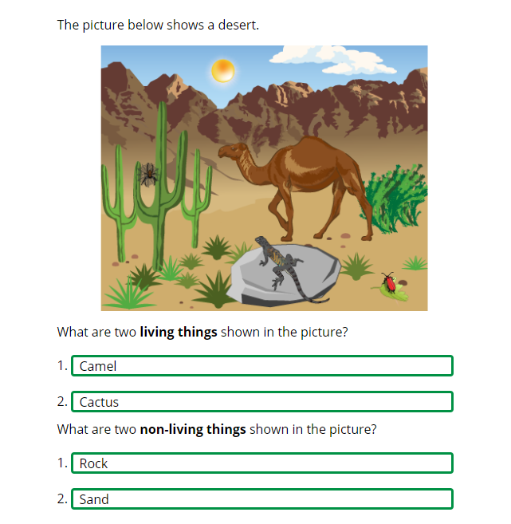
 |  | Armenia | 79 | (1.8) | p
 | 2 | Kazakhstan | 71 | (2.6) | p
 |  | Cyprus | 67 | (2.4) | p
 | 2 | Russian Federation | 67 | (2.2) | p
 | 2 | Turkey (5) | 67 | (2.6) | p
 | 2 | Serbia | 66 | (2.7) | p
 |  | Czech Republic | 64 | (1.7) | p
 |  | Italy | 63 | (2.6) | p
 | 2 | Slovak Republic | 62 | (2.3) | p
 |  | Hungary | 62 | (2.3) | p
 |  | Croatia | 62 | (2.6) | p
 |  | Bahrain | 60 | (1.5) | p
 |  | United Arab Emirates | 58 | (1.1) | p
 |  | Bulgaria | 57 | (2.6) | p
 |  | Oman | 56 | (2.1) | p
 |  | Montenegro | 55 | (1.9) | p
 | † | Norway (5) | 55 | (3.0) | p
 | 2 | Kosovo | 55 | (2.6) | p
 |  | Malta | 52 | (2.2) | p
 | 2† | United States | 52 | (1.6) | p
 |  | Australia | 51 | (2.2) | p
 |  | Qatar | 51 | (3.0) | p
 |  | Sweden | 50 | (2.4)
 |  | Poland | 50 | (2.6)
 |  | Finland | 49 | (2.0) | p
 | 2 | Portugal | 48 | (2.3)
 | 2 | Latvia | 47 | (2.3)
 | 2 | Lithuania | 47 | (2.7)
 | 2 | Saudi Arabia | 46 | (2.0)
 | 1 2 | Canada | 46 | (1.3)
 |  | Kuwait | 46 | (2.3)
 |  | International Average | 45 | (0.3) |  |  | The answer shown illustrates the type of response that would receive full credit (1 point).
 |  | Albania | 39 | (2.8) | s
 | 2 | England | 38 | (2.6) | s
 |  | North Macedonia | 38 | (3.3) | s
 |  | Bosnia and Herzegovina | 38 | (2.4) | s
 |  | France | 37 | (2.2) | s
 |  | Japan | 37 | (2.3) | s
 |  | Korea, Rep. of | 37 | (2.4) | s
 |  | Iran, Islamic Rep. of | 35 | (2.5) | s
 |  | Ireland | 34 | (2.1) | s
 | † | Denmark | 34 | (2.4) | s
 | 2 | Pakistan | 34 | (3.6) | s
 |  | Azerbaijan | 33 | (2.0) | s
 | 2 | New Zealand | 32 | (2.0) | s
 |  | Spain | 32 | (2.2) | s
 | 1 | Georgia | 31 | (2.7) | s
 | ≡ | Netherlands | 30 | (2.3) | s
 | † | Northern Ireland | 29 | (2.4) | s
 |  | Austria | 27 | (2.4) | s
 |  | South Africa (5) | 27 | (1.6) | s
 |  | Morocco | 27 | (2.0) | s
 |  | Germany | 23 | (1.9) | s
 | † | Hong Kong SAR | 23 | (2.3) | s
 |  | Chile | 20 | (2.0) | s
 | † | Belgium (Flemish) | 18 | (1.7) | s
 | 2 | Philippines | 15 | (1.5) | s
 |  | Chinese Taipei | 10 | (1.2) | s
Benchmarking Participants
 |  | Moscow City, Russian Fed. | 76 | (1.9) | p
 | 2 | Dubai, UAE | 72 | (1.5) | p
 | 2 | Ontario, Canada | 52 | (2.1) | p
 |  | Abu Dhabi, UAE | 42 | (1.3) | s
 |  | Quebec, Canada | 31 | (2.0) | s
 |  | Madrid, Spain | 23 | (1.9) | s

 |  |  |  |  | p | Percent significantly higher than international average

 |  |  |  |  | s | Percent significantly lower than international average

 | See Appendix B.2 for population coverage notes 1, 2, and 3. See Appendix B.5 for sampling guidelines and sampling participation notes †, ‡, and ≡. ( ) Standard errors appear in parentheses. Because of rounding some results may appear inconsistent.

 | SOURCE: IEA's Trends in International Mathematics and Science Study - TIMSS 2019
 | Downloaded from http://timss2019.org/download

