Example 3
Exhibit 2.12.3: High International Benchmark of Science Achievement – Example Item 3

 |  | Country | Percent Full Credit |  |  |  | Content Domain: Earth Science
 |  |  |  |  |  |  | Cognitive Domain: Applying
 |  |  |  |  |  |  | Description: Using two pictures of the same location, explains that the Moon can look different at different times
 |  | Finland | 61 | (2.0) | p
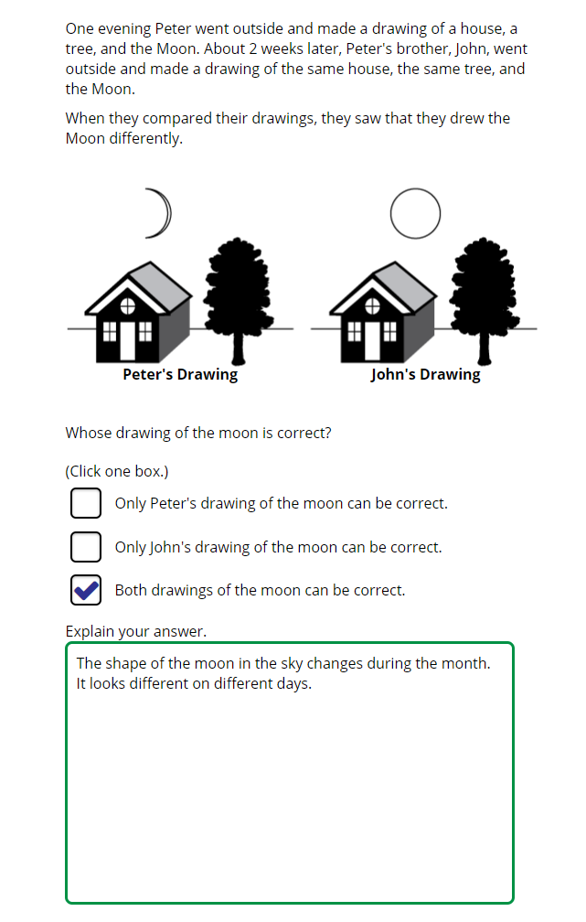
 | † | Norway (5) | 58 | (2.5) | p
 |  | Australia | 58 | (2.0) | p
 | 2 | Lithuania | 56 | (2.4) | p
 | 2† | United States | 55 | (1.7) | p
 |  | Korea, Rep. of | 54 | (2.1) | p
 | 2 | Turkey (5) | 53 | (2.4) | p
 | 2 | Russian Federation | 53 | (2.4) | p
 | 2 | Portugal | 52 | (2.3) | p
 |  | Sweden | 52 | (2.5) | p
 |  | Japan | 51 | (2.1) | p
 | 3 | Singapore | 51 | (1.8) | p
 |  | Austria | 50 | (2.3) | p
 |  | Germany | 50 | (2.3) | p
 |  | Hungary | 49 | (2.4) | p
 |  | Malta | 49 | (2.3) | p
 | † | Belgium (Flemish) | 48 | (2.1) | p
 |  | Croatia | 46 | (3.3) | p
 |  | Spain | 46 | (2.2) | p
 |  | Chinese Taipei | 44 | (2.3) | p
 | 2 | New Zealand | 44 | (2.5) | p
 | 2 | Latvia | 43 | (2.2) | p
 | 2 | Kazakhstan | 43 | (2.5) | p
 | 1 2 | Canada | 43 | (1.6) | p
 | 2 | Slovak Republic | 42 | (2.3) | p
 | ≡ | Netherlands | 41 | (2.6)
 | 2 | Serbia | 41 | (2.2)
 |  | Bahrain | 40 | (1.7)
 |  | Ireland | 40 | (2.4)
 |  | Cyprus | 40 | (2.2)
 | † | Northern Ireland | 39 | (2.2)
 |  | France | 37 | (2.4)
 |  | Italy | 37 | (2.4)
 |  | Czech Republic | 37 | (2.5)
 |  | International Average | 37 | (0.3)
 | 2 | England | 36 | (2.6)
 |  | Poland | 34 | (2.2)
 | † | Denmark | 34 | (2.4)
 |  | Armenia | 33 | (2.2)
 |  | United Arab Emirates | 30 | (1.0) | s
 |  | Bulgaria | 30 | (2.4) | s
 |  | Chile | 30 | (1.8) | s
 |  | Montenegro | 28 | (1.8) | s
 |  | Albania | 28 | (2.3) | s
 | 1 | Georgia | 27 | (2.1) | s
 |  | Bosnia and Herzegovina | 26 | (1.8) | s
 |  | Qatar | 25 | (2.0) | s
 | † | Hong Kong SAR | 24 | (2.0) | s |  | The answer shown illustrates the type of response that would receive full credit (1 point).
 | 2 | Saudi Arabia | 20 | (1.7) | s
 |  | Oman | 19 | (1.5) | s
 |  | Azerbaijan | 18 | (1.6) | s
 |  | South Africa (5) | 17 | (1.3) | s
 |  | North Macedonia | 17 | (2.4) | s
 | 2 | Kosovo | 15 | (1.4) | s
 |  | Morocco | 15 | (1.8) | s
 |  | Kuwait | 15 | (1.6) | s
 |  | Iran, Islamic Rep. of | 15 | (1.6) | s
 | 2 | Pakistan | 8 | (1.7) | s
 | 2 | Philippines | 4 | (1.1) | s
Benchmarking Participants
 |  | Moscow City, Russian Fed. | 58 | (2.1) | p
 |  | Madrid, Spain | 53 | (2.5) | p
 |  | Quebec, Canada | 48 | (2.5) | p
 | 2 | Dubai, UAE | 46 | (1.8) | p
 | 2 | Ontario, Canada | 40 | (3.0)
 |  | Abu Dhabi, UAE | 23 | (1.5) | s

 |  |  |  |  | p | Percent significantly higher than international average

 |  |  |  |  | s | Percent significantly lower than international average

 | See Appendix B.2 for population coverage notes 1, 2, and 3. See Appendix B.5 for sampling guidelines and sampling participation notes †, ‡, and ≡. ( ) Standard errors appear in parentheses. Because of rounding some results may appear inconsistent.

 | SOURCE: IEA's Trends in International Mathematics and Science Study - TIMSS 2019
 | Downloaded from http://timss2019.org/download

