Example 1
Exhibit 2.13.1: Advanced International Benchmark of Science Achievement – Example Item 1

 |  | Country | Percent Full Credit |  |  |  | Content Domain: Life Science
 |  |  |  |  |  |  | Cognitive Domain: Applying
 |  |  |  |  |  |  | Description: Uses a food web to determine which animals are competitors
 |  | Bulgaria | 69 | (2.3) | p
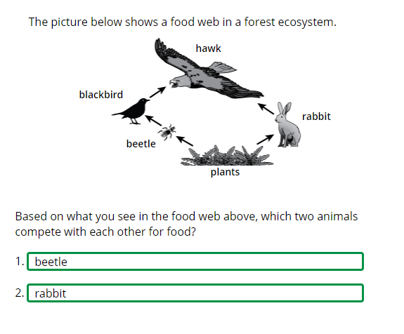
 |  | Korea, Rep. of | 56 | (2.3) | p
 | 3 | Singapore | 54 | (2.0) | p
 |  | Chinese Taipei | 45 | (2.2) | p
 |  | Sweden | 45 | (2.6) | p
 | † | Norway (5) | 44 | (2.2) | p
 |  | Finland | 43 | (1.7) | p
 | 2 | Slovak Republic | 42 | (2.3) | p
 | 2 | Serbia | 40 | (2.7) | p
 | 2† | United States | 40 | (1.8) | p
 | † | Hong Kong SAR | 40 | (2.6) | p
 | † | Denmark | 40 | (2.4) | p
 | † | Northern Ireland | 39 | (2.8) | p
 |  | Austria | 38 | (2.9) | p
 |  | Germany | 38 | (2.3) | p
 |  | Australia | 37 | (2.3) | p
 | 2 | England | 37 | (2.7) | p
 |  | Japan | 37 | (1.9) | p
 | 2 | Russian Federation | 37 | (2.4) | p
 |  | Poland | 37 | (2.2) | p
 |  | France | 36 | (2.8) | p
 |  | Bahrain | 35 | (1.8) | p
 |  | Ireland | 35 | (2.1) | p
 |  | Czech Republic | 34 | (2.2)
 |  | Spain | 34 | (1.7) | p
 |  | Malta | 33 | (2.1)
 |  | Italy | 31 | (2.6) |  |  | The answer shown illustrates the type of response that would receive full credit (1 point).
 |  | Hungary | 31 | (2.0)
 | 2 | New Zealand | 31 | (1.6)
 | 2 | Portugal | 31 | (2.2)
 | 1 2 | Canada | 31 | (1.9)
 |  | International Average | 30 | (0.3)
 |  | Cyprus | 30 | (2.5)
 | † | Belgium (Flemish) | 29 | (2.2)
 |  | United Arab Emirates | 28 | (1.1) | s
 | ≡ | Netherlands | 27 | (2.1)
 | 2 | Latvia | 27 | (2.1)
 |  | Montenegro | 26 | (2.1) | s
 |  | Croatia | 26 | (2.0) | s
 | 2 | Lithuania | 26 | (2.3) | s
 |  | Chile | 24 | (2.0) | s
 |  | Albania | 22 | (2.4) | s
 |  | Armenia | 22 | (1.8) | s
 |  | Oman | 22 | (2.0) | s
 |  | Iran, Islamic Rep. of | 22 | (1.8) | s
 | 2 | Turkey (5) | 20 | (1.7) | s
 | 2 | Saudi Arabia | 20 | (1.4) | s
 |  | Qatar | 19 | (2.1) | s
 |  | Morocco | 16 | (2.0) | s
 | 1 | Georgia | 16 | (2.2) | s
 |  | Bosnia and Herzegovina | 15 | (1.5) | s
 |  | Kuwait | 15 | (1.9) | s
 |  | South Africa (5) | 15 | (1.1) | s
 |  | Azerbaijan | 14 | (1.4) | s
 | 2 | Kazakhstan | 13 | (1.6) | s
 |  | North Macedonia | 13 | (1.8) | s
 | 2 | Pakistan | 10 | (2.3) | s
 | 2 | Philippines | 6 | (0.9) | s
 | 2 | Kosovo | 5 | (1.3) | s
Benchmarking Participants
 |  | Moscow City, Russian Fed. | 52 | (2.7) | p
 | 2 | Dubai, UAE | 41 | (2.0) | p
 |  | Madrid, Spain | 36 | (2.3) | p
 | 2 | Ontario, Canada | 32 | (3.6)
 |  | Quebec, Canada | 30 | (2.2)
 |  | Abu Dhabi, UAE | 19 | (1.3) | s

 |  |  |  |  | p | Percent significantly higher than international average

 |  |  |  |  | s | Percent significantly lower than international average

 | See Appendix B.2 for population coverage notes 1, 2, and 3. See Appendix B.5 for sampling guidelines and sampling participation notes †, ‡, and ≡. ( ) Standard errors appear in parentheses. Because of rounding some results may appear inconsistent.

 | SOURCE: IEA's Trends in International Mathematics and Science Study - TIMSS 2019
 | Downloaded from http://timss2019.org/download

