Example 2
Exhibit 3.11.2: Intermediate International Benchmark of Mathematics Achievement – Example Item 2

 |  | Country | Percent Full Credit |  |  |  | Content Domain: Geometry
 |  |  |  |  |  |  | Cognitive Domain: Applying
 |  |  |  |  |  |  | Description: Determines the value of an angle in an irregular quadrilateral given the values of the other angles
 | 2 | Singapore | 90 | (1.0) | p
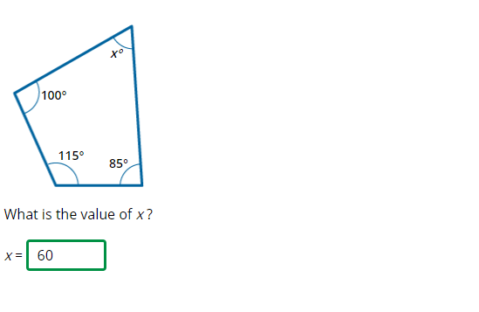
 |  | Japan | 89 | (1.1) | p
 |  | Korea, Rep. of | 86 | (2.0) | p
 |  | Chinese Taipei | 83 | (1.5) | p
 | † | Hong Kong SAR | 81 | (2.2) | p
 |  | Ireland | 78 | (1.9) | p
 |  | Hungary | 71 | (3.0) | p
 |  | England | 70 | (2.5) | p
 |  | Lithuania | 69 | (2.2) | p
 | 2 | Russian Federation | 65 | (2.8) | p
 |  | Cyprus | 63 | (2.0) | p
 | † | Norway (9) | 62 | (2.1) | p
 |  | Australia | 61 | (2.0) | p
 |  | Turkey | 61 | (2.5) | p
 | 2 | Kazakhstan | 60 | (2.7)
 |  | Romania | 59 | (2.3)
 |  | Finland | 58 | (2.2)
 |  | Portugal | 57 | (3.0)
 |  | International Average | 56 | (0.4) |  |  | The answer shown illustrates the type of response that would receive full credit (1 point).
 |  | Italy | 55 | (2.6)
 | 1 | Georgia | 54 | (2.7)
 |  | Bahrain | 54 | (2.5)
 | 2 | Sweden | 52 | (2.1)
 |  | Malaysia | 52 | (2.1)
 |  | Lebanon | 51 | (2.9)
 |  | Iran, Islamic Rep. of | 51 | (2.0) | s
 | 2 | Egypt | 49 | (2.7) | s
 |  | Qatar | 48 | (2.3) | s
 | † | New Zealand | 47 | (2.4) | s
 |  | United Arab Emirates | 46 | (1.2) | s
 | 3 | Israel | 46 | (2.5) | s
 |  | Oman | 42 | (2.1) | s
 |  | Jordan | 41 | (2.5) | s
 | † | United States | 39 | (1.9) | s
 |  | France | 36 | (2.4) | s
 |  | Kuwait | 32 | (3.3) | s
 | 2 | Saudi Arabia | 30 | (2.2) | s
 |  | South Africa (9) | 27 | (1.2) | s
 |  | Chile | 26 | (1.9) | s
 |  | Morocco | 26 | (1.7) | s
Benchmarking Participants
 |  | Moscow City, Russian Fed. | 75 | (2.2) | p
 | ‡ | Quebec, Canada | 74 | (2.5) | p
 | 2 | Dubai, UAE | 63 | (2.3) | p
 |  | Ontario, Canada | 58 | (3.2)
 |  | Western Cape, RSA (9) | 44 | (2.5) | s
 |  | Abu Dhabi, UAE | 38 | (2.1) | s
 |  | Gauteng, RSA (9) | 37 | (2.0) | s

 |  |  |  |  | p | Percent significantly higher than international average

 |  |  |  |  | s | Percent significantly lower than international average

 | See Appendix B.7 for population coverage notes 1, 2, and 3. See Appendix B.10 for sampling guidelines and sampling participation notes †, ‡, and ≡. ( ) Standard errors appear in parentheses. Because of rounding some results may appear inconsistent.

 | SOURCE: IEA's Trends in International Mathematics and Science Study - TIMSS 2019
 | Downloaded from http://timss2019.org/download

