Example 3
Exhibit 3.11.3: Intermediate International Benchmark of Mathematics Achievement – Example Item 3

 |  | Country | Percent Full Credit |  |  |  | Content Domain: Data and Probability
 |  |  |  |  |  |  | Cognitive Domain: Applying
 |  |  |  |  |  |  | Description: Finds and compares the unit prices of four objects
 | 2 | Singapore | 83 | (1.3) | p
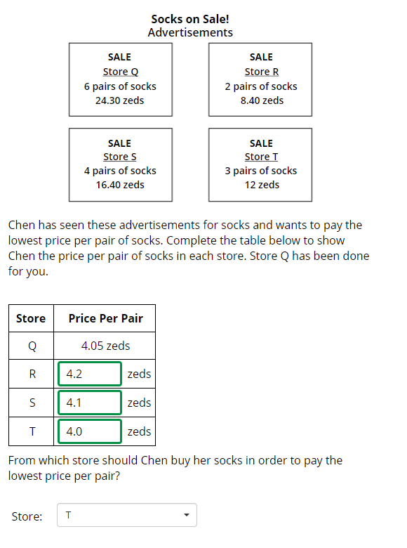
 |  | Chinese Taipei | 81 | (1.4) | p
 |  | Japan | 81 | (1.5) | p
 |  | Korea, Rep. of | 80 | (2.0) | p
 |  | Ireland | 77 | (2.5) | p
 | † | Hong Kong SAR | 74 | (2.7) | p
 |  | Lithuania | 70 | (2.5) | p
 |  | Australia | 69 | (1.8) | p
 | 2 | Russian Federation | 66 | (2.7) | p
 |  | Cyprus | 66 | (2.5) | p
 | 2 | Kazakhstan | 66 | (2.7) | p
 |  | Finland | 65 | (2.2) | p
 |  | France | 65 | (2.2) | p
 |  | Portugal | 65 | (2.7) | p
 |  | Italy | 64 | (2.2) | p
 | † | United States | 63 | (1.9) | p
 | † | New Zealand | 61 | (2.1) | p
 |  | Hungary | 61 | (2.4)
 |  | Romania | 61 | (2.9)
 | 3 | Israel | 59 | (2.4)
 |  | England | 59 | (2.8)
 |  | Malaysia | 57 | (1.4)
 |  | International Average | 56 | (0.4)
 | † | Norway (9) | 56 | (2.6)
 | 2 | Sweden | 55 | (2.5)
 |  | Turkey | 53 | (2.4)
 |  | Lebanon | 48 | (2.4) | s
 | 1 | Georgia | 44 | (2.6) | s
 |  | United Arab Emirates | 43 | (1.0) | s
 |  | Bahrain | 43 | (1.9) | s
 |  | Iran, Islamic Rep. of | 42 | (2.2) | s
 |  | Oman | 37 | (1.7) | s
 |  | Chile | 37 | (2.3) | s
 | 2 | Egypt | 35 | (1.7) | s
 |  | Jordan | 35 | (1.8) | s
 |  | Qatar | 33 | (2.2) | s
 |  | South Africa (9) | 32 | (1.5) | s
 |  | Morocco | 29 | (1.7) | s
 |  | Kuwait | 21 | (1.8) | s |  | The answer shown illustrates the type of response that would receive full credit (1 point).
 | 2 | Saudi Arabia | - | -
Benchmarking Participants
 |  | Moscow City, Russian Fed. | 77 | (1.9) | p
 | ‡ | Quebec, Canada | 72 | (2.6) | p
 |  | Ontario, Canada | 66 | (2.4) | p
 | 2 | Dubai, UAE | 63 | (2.2) | p
 |  | Western Cape, RSA (9) | 53 | (2.1)
 |  | Gauteng, RSA (9) | 40 | (2.1) | s
 |  | Abu Dhabi, UAE | 36 | (1.9) | s

 |  |  |  |  | p | Percent significantly higher than international average

 |  |  |  |  | s | Percent significantly lower than international average

 | See Appendix B.7 for population coverage notes 1, 2, and 3. See Appendix B.10 for sampling guidelines and sampling participation notes †, ‡, and ≡. ( ) Standard errors appear in parentheses. Because of rounding some results may appear inconsistent. A dash (-) indicates comparable data not available.

 | SOURCE: IEA's Trends in International Mathematics and Science Study - TIMSS 2019
 | Downloaded from http://timss2019.org/download

