Example 1
Exhibit 4.11.1: Intermediate International Benchmark of Science Achievement – Example Item 1

 |  | Country | Percent Full Credit |  |  |  | Content Domain: Biology
 |  |  |  |  |  |  | Cognitive Domain: Reasoning
 |  |  |  |  |  |  | Description: Reasons how a crocodile’s angle of vision helps it to survive in the environment
 |  | Japan | 85 | (1.6) | p
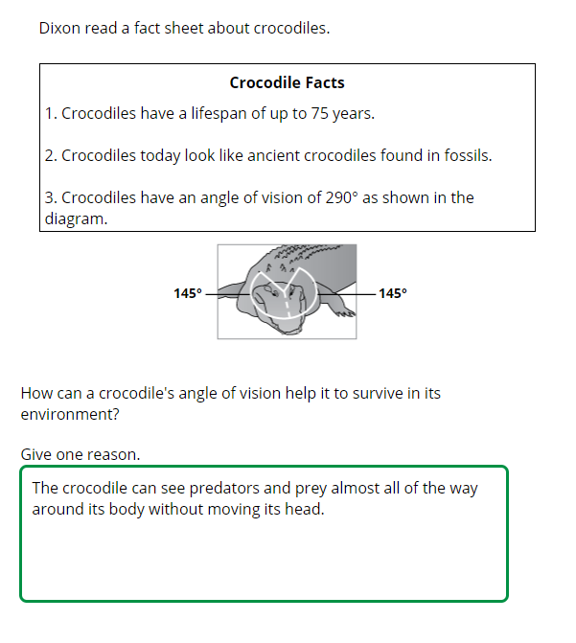
 | 2 | Singapore | 84 | (1.5) | p
 |  | Portugal | 79 | (1.9) | p
 |  | Ireland | 76 | (2.2) | p
 |  | Korea, Rep. of | 75 | (2.1) | p
 |  | Turkey | 75 | (2.0) | p
 | 3 | Israel | 72 | (1.9) | p
 |  | Finland | 72 | (1.8) | p
 |  | France | 69 | (2.2) | p
 |  | Australia | 68 | (1.9) | p
 |  | Lithuania | 68 | (2.4) | p
 | 2 | Sweden | 68 | (2.2) | p
 |  | England | 67 | (2.7) | p
 | † | United States | 66 | (1.5) | p
 | 2 | Russian Federation | 65 | (2.3) | p
 |  | Hungary | 63 | (2.4) | p
 |  | Chinese Taipei | 63 | (1.8) | p
 | † | New Zealand | 62 | (2.5) | p
 |  | Italy | 62 | (2.1) | p
 | † | Norway (9) | 62 | (2.7) | p
 |  | Cyprus | 56 | (2.3)
 |  | International Average | 55 | (0.3)
 | 2 | Kazakhstan | 54 | (2.9)
 |  | Bahrain | 54 | (1.6)
 |  | Romania | 49 | (2.8) | s
 |  | Chile | 48 | (2.5) | s
 |  | Qatar | 44 | (1.8) | s
 |  | Jordan | 44 | (2.3) | s
 |  | United Arab Emirates | 44 | (1.0) | s
 |  | Iran, Islamic Rep. of | 44 | (2.1) | s
 | † | Hong Kong SAR | 40 | (2.7) | s
 |  | Oman | 38 | (2.0) | s
 |  | Kuwait | 36 | (2.0) | s |  | The answer shown illustrates the type of response that would receive full credit (1 point).
 | 1 | Georgia | 35 | (3.1) | s
 | 2 | Saudi Arabia | 35 | (1.9) | s
 |  | Malaysia | 27 | (1.5) | s
 |  | Morocco | 24 | (1.5) | s
 |  | Lebanon | 22 | (2.2) | s
 | 2 | Egypt | 18 | (1.5) | s
 |  | South Africa (9) | 14 | (0.8) | s
Benchmarking Participants
 |  | Moscow City, Russian Fed. | 80 | (2.2) | p
 |  | Ontario, Canada | 73 | (2.0) | p
 | ‡ | Quebec, Canada | 73 | (2.6) | p
 | 2 | Dubai, UAE | 65 | (1.6) | p
 |  | Western Cape, RSA (9) | 36 | (2.3) | s
 |  | Abu Dhabi, UAE | 34 | (1.8) | s
 |  | Gauteng, RSA (9) | 24 | (1.8) | s

 |  |  |  |  | p | Percent significantly higher than international average

 |  |  |  |  | s | Percent significantly lower than international average

 | See Appendix B.7 for target population coverage notes 1, 2, and 3. See Appendix B.10 for sampling guidelines and sampling participation notes †, ‡, and ≡. ( ) Standard errors appear in parentheses. Because of rounding some results may appear inconsistent.

 | SOURCE: IEA's Trends in International Mathematics and Science Study - TIMSS 2019
 | Downloaded from http://timss2019.org/download

