Example 3
Exhibit 4.11.3: Intermediate International Benchmark of Science Achievement – Example Item 3

 |  | Country | Percent Correct |  |  |  | Content Domain: Physics
 |  |  |  |  |  |  | Cognitive Domain: Knowing
 |  |  |  |  |  |  | Description: Recognizes why a vehicle has a different weight on Mars than it does on Earth
 | 2 | Singapore | 90 | (1.2) | p
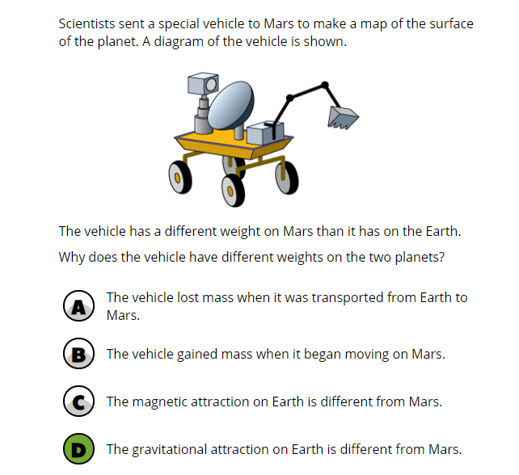
 |  | Korea, Rep. of | 86 | (1.5) | p
 |  | Hungary | 84 | (1.4) | p
 |  | Ireland | 84 | (1.7) | p
 | 2 | Russian Federation | 81 | (2.1) | p
 |  | Australia | 80 | (1.6) | p
 |  | Italy | 80 | (2.0) | p
 |  | England | 80 | (2.0) | p
 | † | Norway (9) | 79 | (1.9) | p
 |  | Cyprus | 77 | (1.9) | p
 |  | Lithuania | 77 | (2.1) | p
 | † | New Zealand | 76 | (1.8) | p
 | † | United States | 74 | (2.4) | p
 |  | Chinese Taipei | 74 | (1.7) | p
 |  | Finland | 73 | (1.8) | p
 |  | Portugal | 73 | (2.6)
 | 2 | Sweden | 72 | (2.1)
 |  | Malaysia | 72 | (1.9)
 | 3 | Israel | 71 | (2.1)
 |  | Oman | 71 | (1.9)
 |  | Bahrain | 70 | (1.9)
 |  | Romania | 69 | (2.2)
 |  | International Average | 69 | (0.3)
 |  | Japan | 68 | (1.7)
 |  | Iran, Islamic Rep. of | 67 | (1.9)
 |  | Chile | 67 | (2.6)
 |  | France | 67 | (2.3)
 |  | Turkey | 67 | (2.1)
 |  | Qatar | 66 | (2.2)
 |  | Jordan | 65 | (2.1)
 |  | Kuwait | 65 | (2.5)
 |  | United Arab Emirates | 65 | (1.1) | s
 | † | Hong Kong SAR | 61 | (2.7) | s
 | 2 | Saudi Arabia | 59 | (1.8) | s
 | 2 | Egypt | 54 | (1.8) | s
 |  | South Africa (9) | 53 | (1.5) | s
 | 2 | Kazakhstan | 48 | (2.2) | s
 |  | Morocco | 47 | (1.9) | s
 | 1 | Georgia | 46 | (2.7) | s
 |  | Lebanon | 39 | (2.6) | s
Benchmarking Participants
 | ‡ | Quebec, Canada | 85 | (2.1) | p
 |  | Moscow City, Russian Fed. | 84 | (2.0) | p
 |  | Ontario, Canada | 84 | (1.8) | p
 | 2 | Dubai, UAE | 81 | (1.7) | p
 |  | Western Cape, RSA (9) | 69 | (1.6)
 |  | Gauteng, RSA (9) | 68 | (1.5)
 |  | Abu Dhabi, UAE | 53 | (1.8) | s

 |  |  |  |  | p | Percent significantly higher than international average

 |  |  |  |  | s | Percent significantly lower than international average

 | See Appendix B.7 for target population coverage notes 1, 2, and 3. See Appendix B.10 for sampling guidelines and sampling participation notes †, ‡, and ≡. ( ) Standard errors appear in parentheses. Because of rounding some results may appear inconsistent.

 | SOURCE: IEA's Trends in International Mathematics and Science Study - TIMSS 2019
 | Downloaded from http://timss2019.org/download

