Example 2
Exhibit 4.13.2: Advanced International Benchmark of Science Achievement – Example Item 2

 |  | Country | Percent Full Credit |  |  |  | Content Domain: Chemistry
 |  |  |  |  |  |  | Cognitive Domain: Applying
 |  |  |  |  |  |  | Description: Uses a portion of the periodic table to order four elements from the smallest atomic number to the largest atomic number
 | 2 | Singapore | 60 | (2.1) | p
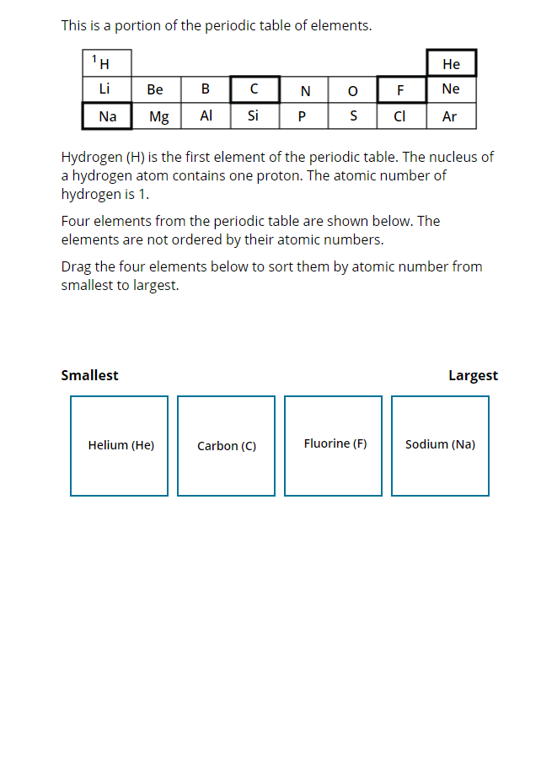
 |  | Korea, Rep. of | 56 | (2.0) | p
 |  | Turkey | 49 | (2.2) | p
 | 2 | Russian Federation | 46 | (2.4) | p
 |  | Japan | 44 | (2.3) | p
 | † | Norway (9) | 44 | (2.5) | p
 |  | Chinese Taipei | 43 | (2.2) | p
 |  | Lithuania | 42 | (2.8) | p
 |  | Hungary | 41 | (2.7) | p
 | 2 | Kazakhstan | 40 | (2.7) | p
 |  | Australia | 40 | (2.1) | p
 | † | New Zealand | 38 | (2.2) | p
 |  | Finland | 36 | (2.0) | p
 | † | United States | 35 | (1.8) | p
 |  | Ireland | 35 | (2.3) | p
 | 1 | Georgia | 32 | (3.2)
 |  | England | 31 | (2.7)
 | 3 | Israel | 31 | (2.4)
 | 2 | Sweden | 29 | (2.6)
 |  | International Average | 29 | (0.3)
 |  | United Arab Emirates | 27 | (1.1)
 |  | Romania | 26 | (2.7)
 |  | Bahrain | 23 | (2.0) | s
 |  | Kuwait | 23 | (2.3) | s
 |  | Lebanon | 23 | (2.2) | s
 |  | Italy | 21 | (2.1) | s
 |  | South Africa (9) | 21 | (1.1) | s
 |  | Chile | 21 | (1.9) | s
 | † | Hong Kong SAR | 21 | (2.1) | s
 |  | Iran, Islamic Rep. of | 19 | (2.3) | s
 |  | Jordan | 19 | (2.1) | s |  | The answer shown illustrates the type of response that would receive full credit (1 point).
 | 2 | Egypt | 18 | (1.9) | s
 |  | Portugal | 17 | (1.6) | s
 |  | Qatar | 15 | (2.3) | s
 |  | Cyprus | 15 | (1.8) | s
 |  | France | 15 | (1.5) | s
 |  | Malaysia | 11 | (1.1) | s
 |  | Oman | 8 | (1.0) | s
 | 2 | Saudi Arabia | 7 | (1.3) | s
 |  | Morocco | 6 | (1.1) | s
Benchmarking Participants
 | ‡ | Quebec, Canada | 56 | (2.7) | p
 |  | Moscow City, Russian Fed. | 55 | (2.3) | p
 | 2 | Dubai, UAE | 41 | (2.0) | p
 |  | Western Cape, RSA (9) | 32 | (2.1)
 |  | Gauteng, RSA (9) | 31 | (2.3)
 |  | Abu Dhabi, UAE | 23 | (1.4) | s
 |  | Ontario, Canada | 23 | (2.4) | s

 |  |  |  |  | p | Percent significantly higher than international average

 |  |  |  |  | s | Percent significantly lower than international average

 | See Appendix B.7 for population coverage notes 1, 2, and 3. See Appendix B.10 for sampling guidelines and sampling participation notes †, ‡, and ≡. ( ) Standard errors appear in parentheses. Because of rounding some results may appear inconsistent.

 | SOURCE: IEA's Trends in International Mathematics and Science Study - TIMSS 2019
 | Downloaded from http://timss2019.org/download

