Example 3
Exhibit 4.13.3: Advanced International Benchmark of Science Achievement – Example Item 3

 |  | Country | Percent Correct |  |  |  | Content Domain: Physics
 |  |  |  |  |  |  | Cognitive Domain: Applying
 |  |  |  |  |  |  | Description: Recognizes a diagram of what happens to gas molecules inside a balloon when the balloon expands
 | 2 | Singapore | 69 | (2.2) | p
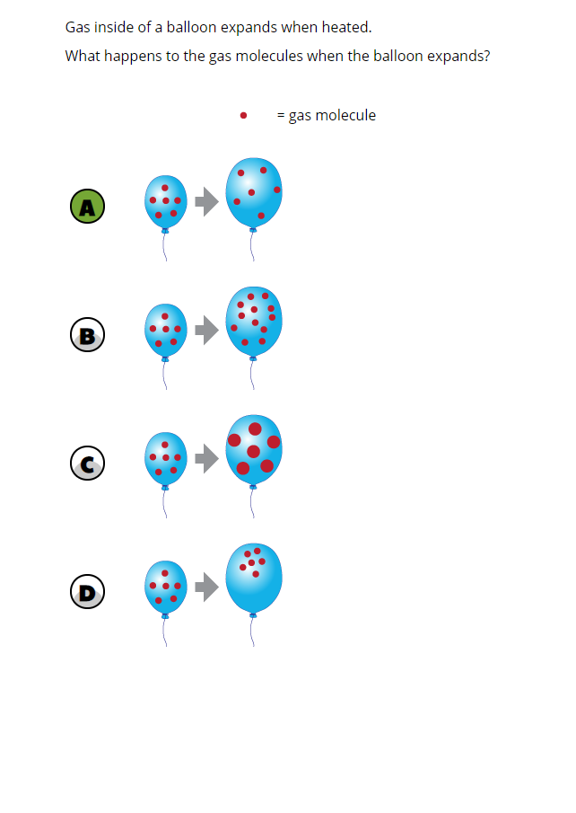
 | 3 | Israel | 68 | (2.1) | p
 |  | Portugal | 56 | (2.6) | p
 |  | Korea, Rep. of | 56 | (2.3) | p
 |  | Bahrain | 50 | (2.1) | p
 |  | Australia | 50 | (2.5) | p
 |  | United Arab Emirates | 50 | (1.0) | p
 | 2 | Russian Federation | 49 | (2.5) | p
 |  | England | 49 | (2.5) | p
 |  | Turkey | 49 | (2.3) | p
 |  | Chile | 47 | (2.6) | p
 |  | Qatar | 47 | (2.4) | p
 | † | United States | 47 | (1.7) | p
 |  | Japan | 46 | (2.6) | p
 |  | Oman | 45 | (1.8) | p
 |  | Lithuania | 43 | (2.4)
 | 2 | Sweden | 41 | (2.4)
 |  | International Average | 41 | (0.4)
 |  | Italy | 40 | (2.5)
 | † | New Zealand | 40 | (2.6)
 |  | Chinese Taipei | 38 | (2.0)
 |  | Kuwait | 37 | (2.3)
 |  | Jordan | 37 | (2.5)
 |  | France | 36 | (2.2) | s
 |  | Malaysia | 36 | (2.1) | s
 | 2 | Saudi Arabia | 36 | (1.6) | s
 | 1 | Georgia | 36 | (3.0)
 | † | Hong Kong SAR | 35 | (3.1)
 | 2 | Kazakhstan | 35 | (2.1) | s
 |  | Ireland | 34 | (2.4) | s
 |  | Finland | 34 | (2.0) | s
 | † | Norway (9) | 34 | (2.1) | s
 |  | Iran, Islamic Rep. of | 31 | (2.0) | s
 |  | Cyprus | 31 | (2.2) | s
 |  | Hungary | 31 | (2.0) | s
 |  | Morocco | 28 | (1.8) | s
 |  | Romania | 27 | (2.4) | s
 |  | Lebanon | 23 | (2.4) | s
 | 2 | Egypt | 22 | (2.0) | s
 |  | South Africa (9) | 20 | (0.9) | s
Benchmarking Participants
 | 2 | Dubai, UAE | 63 | (1.9) | p
 |  | Ontario, Canada | 60 | (2.6) | p
 |  | Moscow City, Russian Fed. | 59 | (2.5) | p
 | ‡ | Quebec, Canada | 48 | (2.8) | p
 |  | Abu Dhabi, UAE | 43 | (1.9)
 |  | Western Cape, RSA (9) | 28 | (2.0) | s
 |  | Gauteng, RSA (9) | 28 | (2.0) | s

 |  |  |  |  | p | Percent significantly higher than international average

 |  |  |  |  | s | Percent significantly lower than international average

 | See Appendix B.7 for population coverage notes 1, 2, and 3. See Appendix B.10 for sampling guidelines and sampling participation notes †, ‡, and ≡. ( ) Standard errors appear in parentheses. Because of rounding some results may appear inconsistent.

 | SOURCE: IEA's Trends in International Mathematics and Science Study - TIMSS 2019
 | Downloaded from http://timss2019.org/download

