Example 4
Exhibit 4.13.4: Advanced International Benchmark of Science Achievement – Example Item 4

 |  | Country | Percent Correct |  |  |  | Content Domain: Earth Science
 |  |  |  |  |  |  | Cognitive Domain: Knowing
 |  |  |  |  |  |  | Description: Recognizes why a balloon gets bigger as its height above the ground increases
 |  | Japan | 68 | (1.9) | p
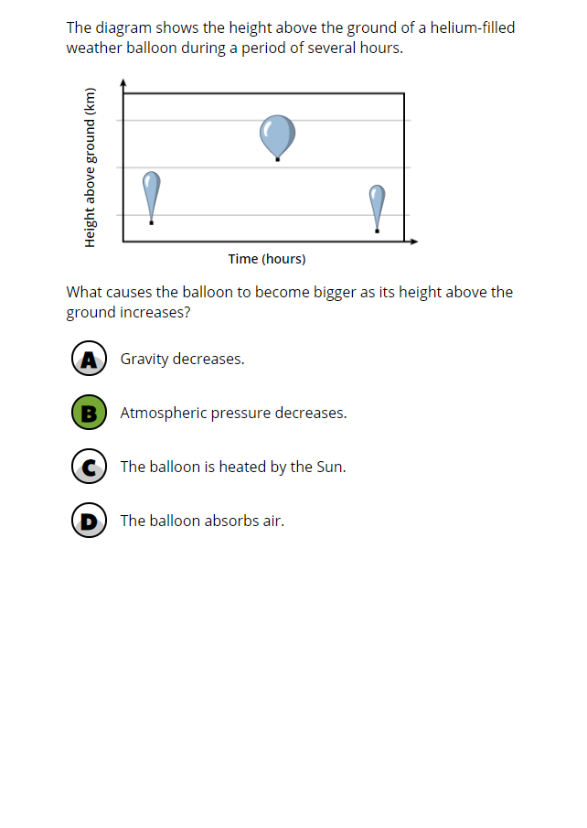
 | 2 | Russian Federation | 66 | (2.6) | p
 |  | Lithuania | 65 | (2.0) | p
 |  | Korea, Rep. of | 63 | (2.2) | p
 |  | Chinese Taipei | 63 | (2.0) | p
 |  | Turkey | 62 | (2.4) | p
 | 2 | Kazakhstan | 57 | (2.4) | p
 |  | Finland | 55 | (2.0) | p
 |  | Hungary | 52 | (2.3) | p
 |  | Bahrain | 51 | (2.0) | p
 | † | Hong Kong SAR | 50 | (2.5) | p
 |  | France | 49 | (2.1) | p
 |  | Italy | 45 | (2.8)
 | 2 | Singapore | 45 | (2.1)
 |  | Romania | 43 | (2.3)
 |  | England | 42 | (2.6)
 |  | International Average | 42 | (0.3)
 | 1 | Georgia | 42 | (3.0)
 | 2 | Saudi Arabia | 42 | (2.0)
 |  | Australia | 41 | (1.9)
 | † | United States | 40 | (1.8)
 |  | Portugal | 40 | (2.1)
 |  | United Arab Emirates | 39 | (1.0) | s
 | † | Norway (9) | 39 | (2.4)
 |  | Qatar | 37 | (2.0) | s
 |  | Ireland | 36 | (2.0) | s
 | 2 | Sweden | 35 | (2.2) | s
 | 3 | Israel | 35 | (2.7) | s
 | † | New Zealand | 34 | (2.5) | s
 |  | Oman | 34 | (1.8) | s
 |  | Cyprus | 34 | (2.2) | s
 |  | Kuwait | 33 | (1.8) | s
 |  | Chile | 33 | (2.2) | s
 |  | Malaysia | 32 | (1.7) | s
 |  | Morocco | 30 | (1.7) | s
 |  | Jordan | 29 | (2.1) | s
 | 2 | Egypt | 28 | (1.8) | s
 |  | Lebanon | 25 | (2.0) | s
 |  | Iran, Islamic Rep. of | 18 | (1.5) | s
 |  | South Africa (9) | 12 | (0.7) | s
Benchmarking Participants
 |  | Moscow City, Russian Fed. | 74 | (2.3) | p
 | ‡ | Quebec, Canada | 51 | (3.3) | p
 | 2 | Dubai, UAE | 47 | (1.9) | p
 |  | Ontario, Canada | 37 | (2.9)
 |  | Abu Dhabi, UAE | 37 | (1.5) | s
 |  | Gauteng, RSA (9) | 18 | (1.4) | s
 |  | Western Cape, RSA (9) | 18 | (1.5) | s

 |  |  |  |  | p | Percent significantly higher than international average

 |  |  |  |  | s | Percent significantly lower than international average

 | See Appendix B.7 for population coverage notes 1, 2, and 3. See Appendix B.10 for sampling guidelines and sampling participation notes †, ‡, and ≡. ( ) Standard errors appear in parentheses. Because of rounding some results may appear inconsistent.

 | SOURCE: IEA's Trends in International Mathematics and Science Study - TIMSS 2019
 | Downloaded from http://timss2019.org/download

