5.11 Scale Description
Exhibit 5.11: Home Early Literacy and Numeracy Activities Before Primary School
Students’ Results based on Parents’ Reports

 |  | About the Scale
 |  | Students were scored according to their parents’ reports regarding the frequency they or someone in the home engaged their children in the eighteen activities on the Early Literacy and Numeracy Activities scale. Cut scores divide the scale into three categories. Students Often engaged in early literacy and numeracy activities before primary school had a score at or above the cut score corresponding to their parents reporting they “often” did nine of the eighteen activities and “sometimes” did the other nine, on average. Students Never or Almost Never engaged in early literacy and numeracy activities before primary school had a score at or below the cut score corresponding to their parents reporting they “never or almost never” did nine of the eighteen activities and “sometimes” did the other nine, on average. All other students Sometimes engaged in early literacy and numeracy activities.
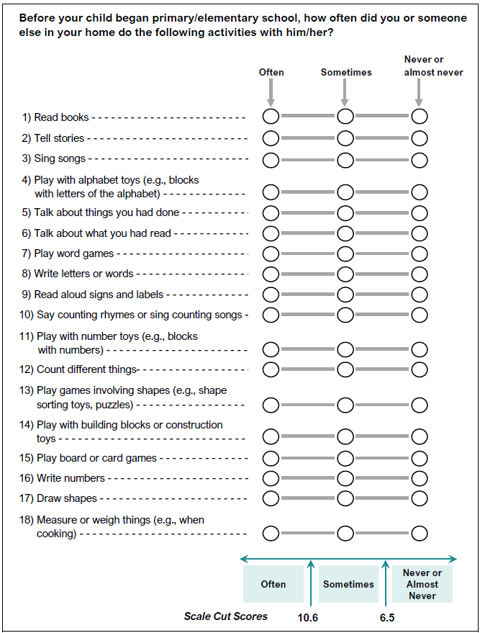

 | SOURCE: IEA's Trends in International Mathematics and Science Study - TIMSS 2019
 | Downloaded from http://timss2019.org/download

