5.18 Scale Description
Exhibit 5.18: Could Do Literacy and Numeracy Tasks When Beginning Primary School
Students’ Results based on Parents’ Reports

 |  | About the Scale
 |  | Students were scored according to their parents’ reports regarding how well their children could do the twelve tasks on the Early Literacy and Numeracy Tasks scale when they began primary school. Cut scores divide the scale into three categories. Students who could do the tasks Very Well had a score at or above the cut score corresponding to their parents reporting the students could do all twelve tasks (five of the tasks at the highest level, five at the second highest level, and simple addition and simple subtraction), on average. Students who could do the tasks Not Well had a score at or below the cut score corresponding to their parents reporting the students could do the twelve tasks at a minimal level (five of the tasks at the second lowest level, five at the second highest level, and not simple addition or simple subtraction), on average. All other students could do the literacy and numeracy tasks Moderately Well when they began primary school.
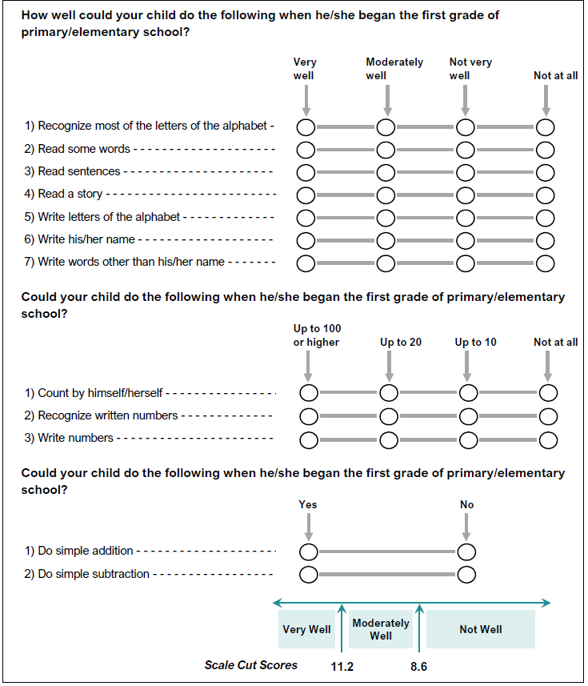

 | SOURCE: IEA's Trends in International Mathematics and Science Study - TIMSS 2019
 | Downloaded from http://timss2019.org/download

