5.1 Scale Description
Exhibit 5.1: Home Resources for Learning
Students’ Results based on Students’ and Parents’ Reports

 |  | About the Scale
 |  | Students were scored according to their own and their parents’ reports regarding the availability of five resources on the Home Resources for Learning scale. Cut scores divide the scale into three categories. Students with Many Resources had a score at or above the cut score corresponding to students reporting they had more than 100 books and both home study supports in their home and their parents reporting they had more than 25 children’s books in their home, that at least one parent finished university, and that at least one parent had a professional occupation, on average. Students with Few Resources had a score at or below the cut score corresponding to students reporting they had 25 or fewer books and neither of the home study supports in their home and their parents reporting they had 10 or fewer children’s books in the home, that neither parent had gone beyond upper secondary education, and that neither parent was a small business owner or worked in a clerical or professional occupation, on average. All other students had Some Resources.

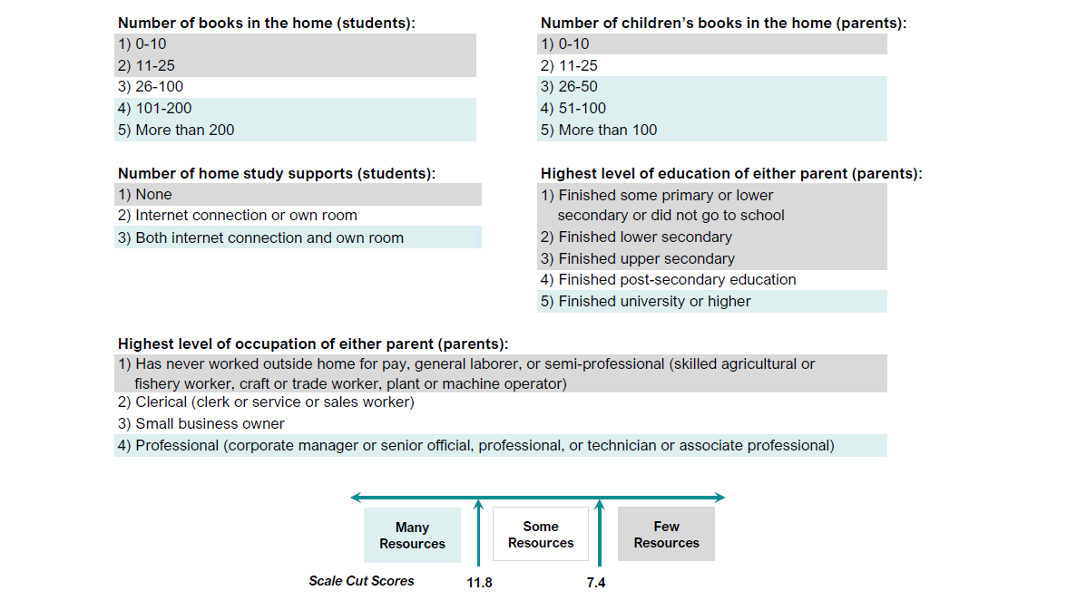

 | SOURCE: IEA's Trends in International Mathematics and Science Study - TIMSS 2019
 | Downloaded from http://timss2019.org/download

