5.4 Scale Description
Exhibit 5.4: Home Educational Resources
Students’ Reports

 |  | About the Scale
 |  | Students were scored according to their reports regarding the availability of three resources on the Home Educational Resources scale. Cut scores divide the scale into three categories. Students with Many Resources had a score at or above the cut score corresponding to reporting they had more than 100 books and both home study supports in their home and that at least one parent finished university, on average. Students with Few Resources had a score at or below the cut score corresponding to reporting they had 25 or fewer books and neither of the home study supports in the home and that neither parent had gone beyond upper secondary education, on average. All other students had Some Resources.
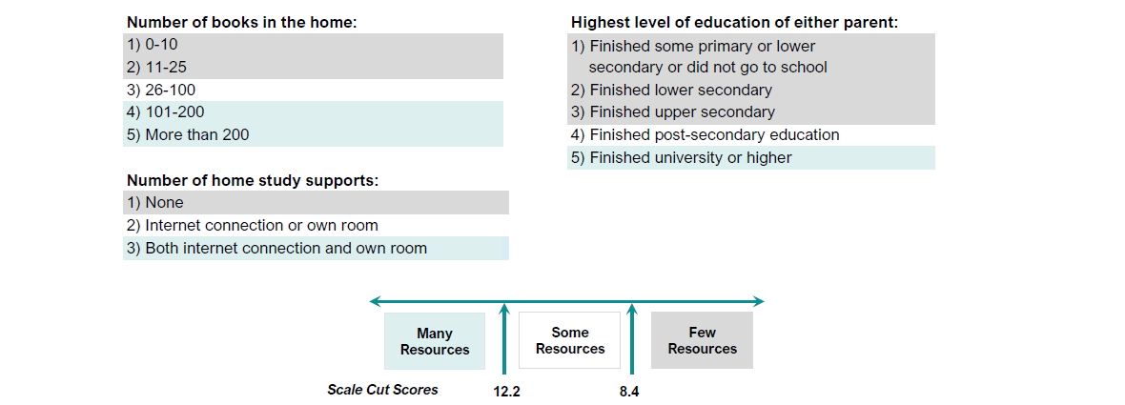

 | SOURCE: IEA's Trends in International Mathematics and Science Study - TIMSS 2019
 | Downloaded from http://timss2019.org/download

