6.10 Scale Description
Exhibit 6.10: Schools Where Students Enter the Primary Grades With Literacy and Numeracy Skills
Students’ Results based on Principals’ Reports

 |  | About the Scale
 |  | Students were scored according to their principals’ reports regarding the percentage of students in the school who begin primary school with the twelve skills on the Schools Where Students Enter the Primary Grades with Literacy and Numeracy Skills scale. Cut scores divide the scale into three categories. Students in Schools Where More than 75% Enter with Skills had a score at or above the cut score corresponding to their principals reporting that “more than 75%” of the students have six of the twelve skills and “51-75%” of the students have the other six, on average. Students in Schools Where Less than 25% Enter with Skills had a score at or below the cut score corresponding to their principals reporting that “less than 25%” of the students have six of the twelve skills and “25-50%” of the students have the other six, on average. All other students attended Schools Where 25-75% Enter with Skills.
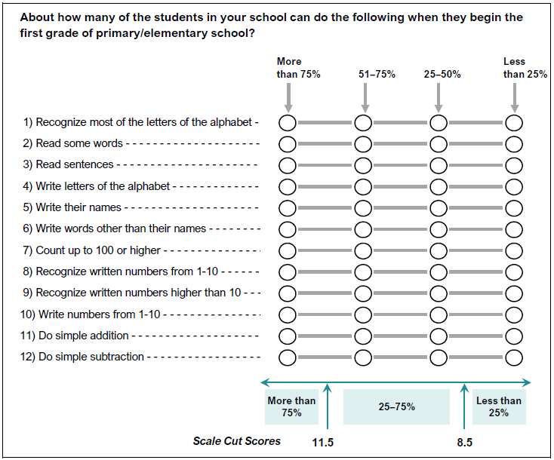

 | SOURCE: IEA's Trends in International Mathematics and Science Study - TIMSS 2019
 | Downloaded from http://timss2019.org/download

