7.9 Scale Description
Exhibit 7.9: Students’ Sense of School Belonging
Students’ Reports

 |  | About the Scale
 |  | Students were scored according to their responses to five statements on the Sense of School Belonging scale. Cut scores divide the scale into three categories. Students with a High Sense of School Belonging had a score at or above the cut score corresponding to “agreeing a lot” with three of the five statements and “agreeing a little” with the other two statements, on average. Students with Little Sense of School Belonging had a score at or below the cut score corresponding to “disagreeing a little” to three of the five statements and “agreeing a little” with the other two statements, on average. All other students had Some Sense of School Belonging.

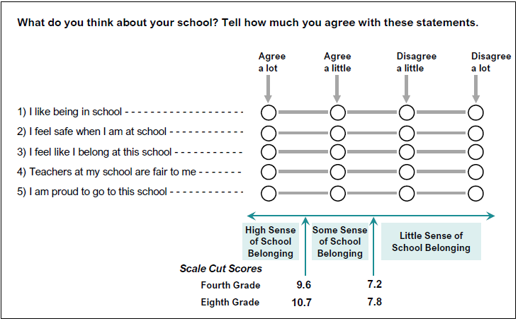

 | SOURCE: IEA's Trends in International Mathematics and Science Study - TIMSS 2019
 | Downloaded from http://timss2019.org/download

