7.1 Scale Description
Exhibit 7.1: School Emphasis on Academic Success – Principals’ Reports
Students’ Results based on Principals’ Reports

 |  | About the Scale
 |  | Students were scored according to their principals’ responses characterizing eleven aspects on the School Emphasis on Academic Success scale. Cut scores divide the scale into three categories. Students in schools with a Very High Emphasis on academic success had a score at or above the cut score corresponding to their principals characterizing six of the eleven aspects as “very high” and the other five as “high,” on average. Students in schools with a Medium Emphasis on academic success had a score at or below the cut score corresponding to their principals characterizing six of the eleven aspects as “medium” and the other five as “high,” on average. All other students attended schools with a High Emphasis on academic success.
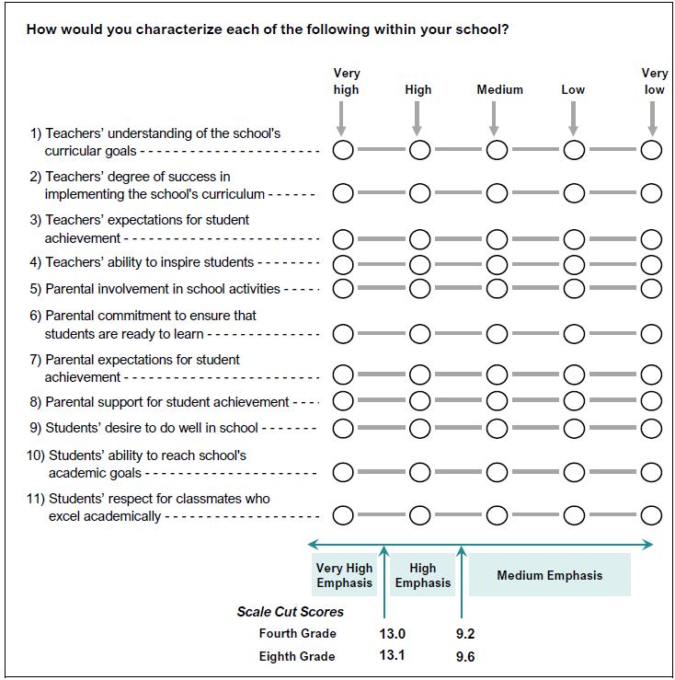

 | SOURCE: IEA's Trends in International Mathematics and Science Study - TIMSS 2019
 | Downloaded from http://timss2019.org/download

