7.6 Scale Description
Exhibit 7.6: Parents’ Perceptions of Their Child’s School
Students’ Results based on Parents’ Reports

 |  | About the Scale
 |  | Students were scored according to their parents’ responses to eight statements on the Parents’ Perceptions of Their Child’s School scale. Cut scores divide the scale into three categories. Students whose parents are Very Satisfied with their child’s school had a score at or above the cut score corresponding to their parents “agreeing a lot” with four of the eight statements and “agreeing a little” with the other four, on average. Students whose parents are Less than Satisfied had a score at or below the cut score corresponding to their parents “disagreeing a little” with four of the eight statements and “agreeing a little” with the other four, on average. All other students had parents who are Somewhat Satisfied.
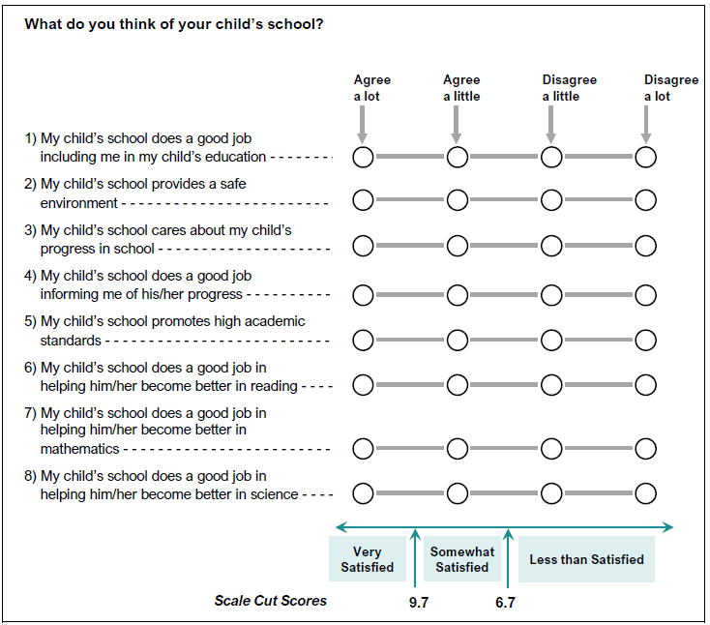

 | SOURCE: IEA's Trends in International Mathematics and Science Study - TIMSS 2019
 | Downloaded from http://timss2019.org/download

