8.14 Scale Description
Exhibit 8.14: Student Bullying
Students’ Reports

 |  | About the Scale
 |  | Students were scored according to their reports regarding fourteen bullying behaviors on the Student Bullying scale. Cut scores divide the scale into three categories. Students bullied Never or Almost Never had a score at or above the cut score corresponding to reporting that they “never” experienced seven of the fourteen bullying behaviors and experienced the other seven “a few times a year,” on average. Students bullied About Weekly had a score at or below the cut score corresponding to reporting that they experienced seven of the fourteen behaviors “once or twice a month” and the other seven “a few times a year,” on average. All other students were bullied About Monthly.
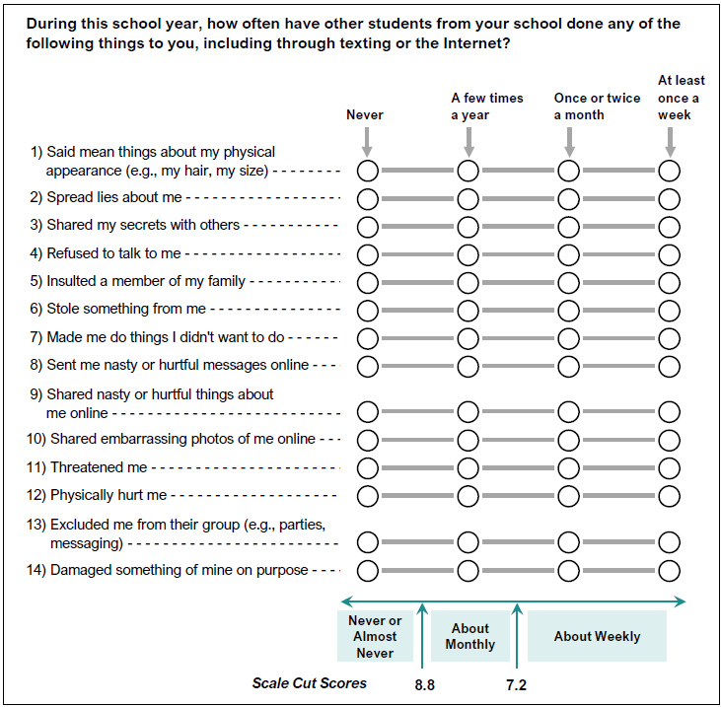

 | SOURCE: IEA's Trends in International Mathematics and Science Study - TIMSS 2019
 | Downloaded from http://timss2019.org/download

