9.21 Scale Description
Exhibit 9.21: Teachers’ Job Satisfaction
Students’ Results based on Teachers’ Reports

 |  | About the Scale
 |  | Students were scored according to their teachers’ responses to five statements on the Teachers’ Job Satisfaction scale. Cut scores divide the scale into three categories. Students with Very Satisfied teachers had a score at or above the cut score corresponding to their teachers responding “very often” to three of the five statements and “often” to the other two, on average. Students with Less than Satisfied teachers had a score at or below the cut score corresponding to their teachers responding “sometimes” to three of the five statements and “often” to the other two, on average. All other students had Somewhat Satisfied teachers.
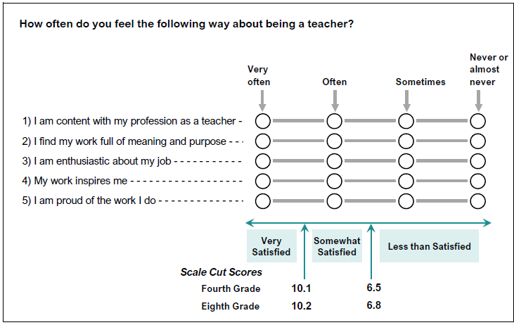

 | SOURCE: IEA's Trends in International Mathematics and Science Study - TIMSS 2019
 | Downloaded from http://timss2019.org/download

