READ ME FIRST
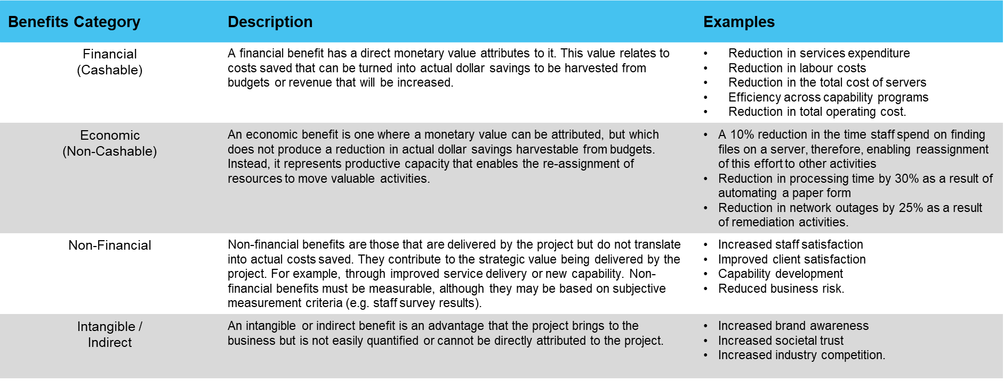
Protected Utility blueprint

Introduction
Document purpose: | The purpose of this document is to capture all the benefits the agency expects to achieve as a result of transitioning to the blueprint. The identification, articulation and regular tracking and measurement of benefits will enable agencies to: - realise the desired transition benefits, - provide targeted communications to their stakeholder to build awareness and (positively) influence adoption of the change, - provide any early warning of potential problems with the blueprint transition, and - provide a formal tracking mechanism for the identified benefits.

Intended audience: | The intended audience for this document is the agency team members responsible for implementing the blueprint services. This may include: - Agency blueprint project lead and other team members - Agency blueprint change team - Agency blueprint communications and engagement team.

Benefit categories | Below are commonly used benefit categories as well as examples against each category:

