READ ME FIRST
Protected Utility blueprint

Introduction
Document purpose: | The purpose of this document is to gather information from impacted stakeholders regarding their readiness with respect to the transition changes. The assessment, in turn, will: - Enable agencies to identify the pain points / resistance associated with the adoption of the blueprint, and assist in creating a mitigation plan (or tweaking existing plans) accordingly for a smooth transition - Support agencies in refining change activities to establish a common sense for goals and priorities, as well as drive behaviours and mindset that enables stakeholders to embrace future changes - Allow relevant agency teams to understand how well the project communication, training and other deployment activities are received at end-user level for the transition. Note: The questions provided on the Business Readiness tab are suggestive-only. Agencies may tailor and amend the questionnaire as per their needs and requirements. It is also recommended that the survey be targeted at a pilot group within the agency in the first instance.

Intended audience: | The intended audience for this document are the agency team members responsible for implementing the blueprint services. This may include: - Agency blueprint project lead and team members - Agency blueprint change team - Agency blueprint communications and engagement team - Agency blueprint training team.

Assessment dimensions | The seven dimensions of readiness assessment described below may be used to assess how ready are the impacted stakeholders to transition to the blueprint. These are reflected in column B of the Business Readiness tab.
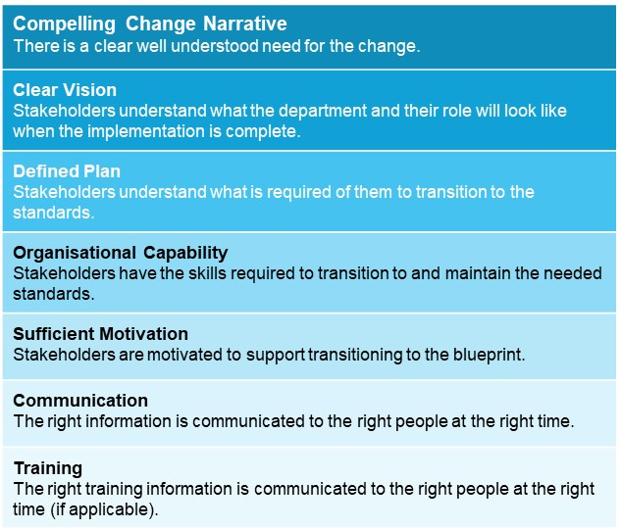

Rating scale | The criteria presented below provides guiding parameters that may be considered by agencies when identifying the degree of readiness for change. These will be captured in columns D-H on the Business Readiness tab.

