READ ME FIRST
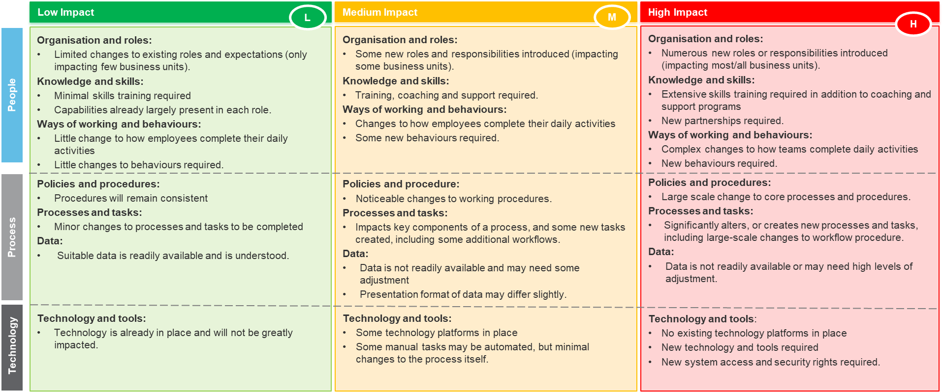
Protected Utility blueprint

Introduction
Document purpose: | The purpose of this document is to capture all the impact information that is relevant to the blueprint. In doing so, this document captures and illustrates: - What is changing for the impacted end users within the organisation. - The degree of impact during the transition. Once completed, the findings and insights from the CIA will help inform the overall change management and adoption activities, including development of the change plan/strategy, communication plan, training needs analysis, training plan, business readiness plan, adoption plan etc.

Intended audience: | The intended audience for this document are the agency team members responsible for implementing the blueprint services. This may include: - Agency blueprint project lead and team members - Agency blueprint change team - Agency blueprint communications and engagement team - Agency blueprint training team.

Assessment categories | The seven categories described below may be used to assist understand how the blueprint changes will impact users. These are reflected in columns L-V in the CIA tab.
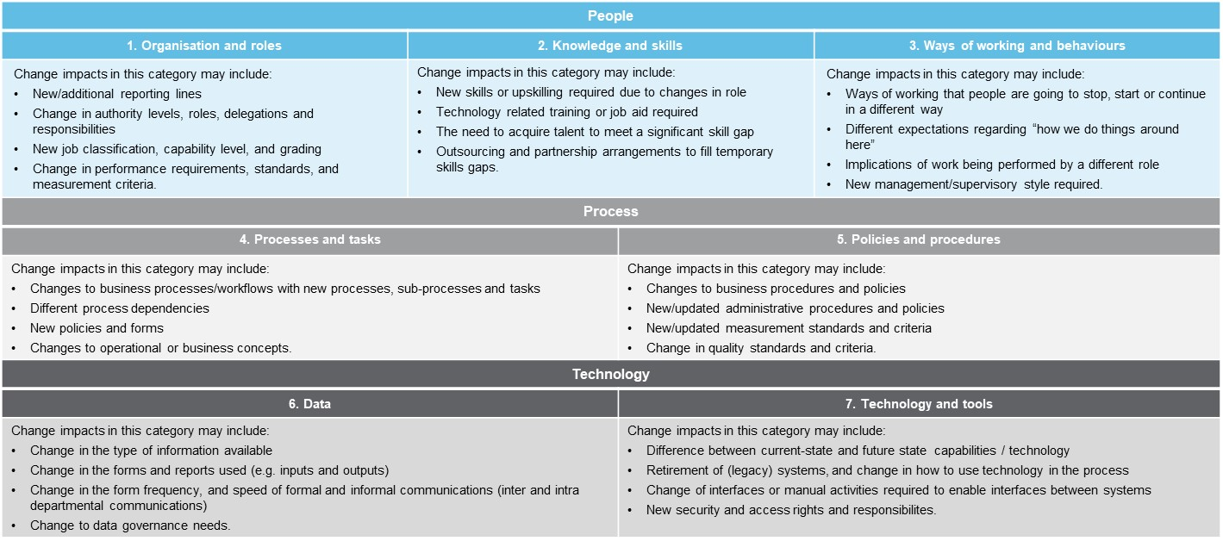

Impact ratings | The criteria presented below across people, process and technology provides guiding parameters that may be considered by agencies when identifying the degree of change or impact. These will be captured in columns M, O and Q on the CIA tab.

