Figures
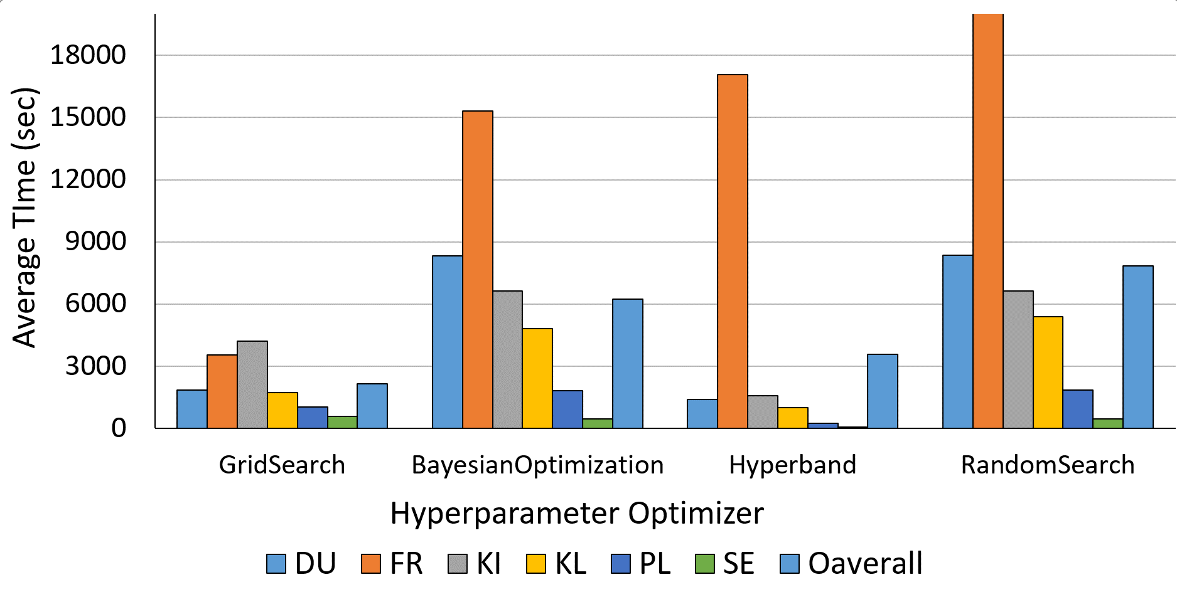
 | GridSearch | BayesianOptimization | Hyperband | RandomSearch
DU | 1838 | 8317 | 1398 | 8345
FR | 3547 | 15306.50 | 17077 | 24345.83
KI | 4190 | 6641 | 1577 | 6626
KL | 1721 | 4799 | 988 | 5389
PL | 1038 | 1805 | 243 | 1856
SE | 575 | 442 | 62 | 453
Oaverall | 2151 | 6218 | 3558 | 7836

