Logo
ECU WORLDWIDE (BELGIUM)
Client :1145
Export Rates LCL
Valid as from 01-03-24 till 15-10-24



Rates are subject to all surcharges valid as per Ecu Worldwide sailing schedule / Weekly Mailing info, unless otherwise
specified in the tariff book or if a special agreement was made.
Surcharges always VATOS. BAF/CAF/ECAF/Piracy Risk/Aden Gulf and Suez Canal surcharges are included in the ocean freight.
Additionals to the surcharges and general conditions can also be found further in this tariff book.

For all special and general conditions please always consult our monthly Ecu Worldwide sailing schedule.
For all special requirements on each destination or acceptance of IMO cargo, please always consult our booking desk
prior to shipment.

Online Tools
Website
http://www.ecuworldwide.com/

Websailing
We are offering an overview about our sailings on a monthly basis on our homepage. With entering a destination port you will find the next departures with ets, eta, closing hub etc.. Additionally you have the possibility to book directly for a special vessel.

http://www.ecuworldwide.com/Sailings

E2C - ECU to Customer
We are offering a new online tool where you can individually look for and make print outs of: - Statistics, Invoices, Bill of Ladings - Quotes (including pick-ups) & up-to-date tariff information

http://beanr.statistics.eu.eculine.net/

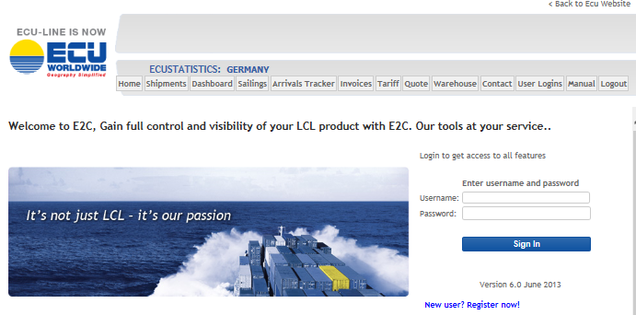

Online Booking System
We are offering an Online Booking System which will assist you in handling your daily business much more easily. Please open your browser and go to the page

http://www.ecuworldwide.com
You may use the tab 'Bookings' to navigate to our online booking system or use the following link to log in:
http://obs.eu.ecuworldwide.com/

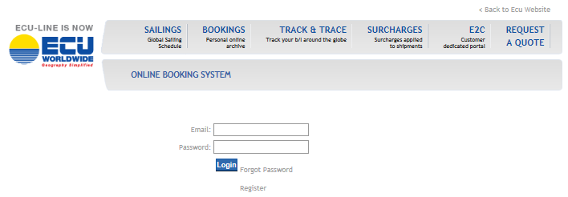

For further information please do not hesitate to contact our Sales Team directly:
salesanr@eculine.com

