Requirement Structure
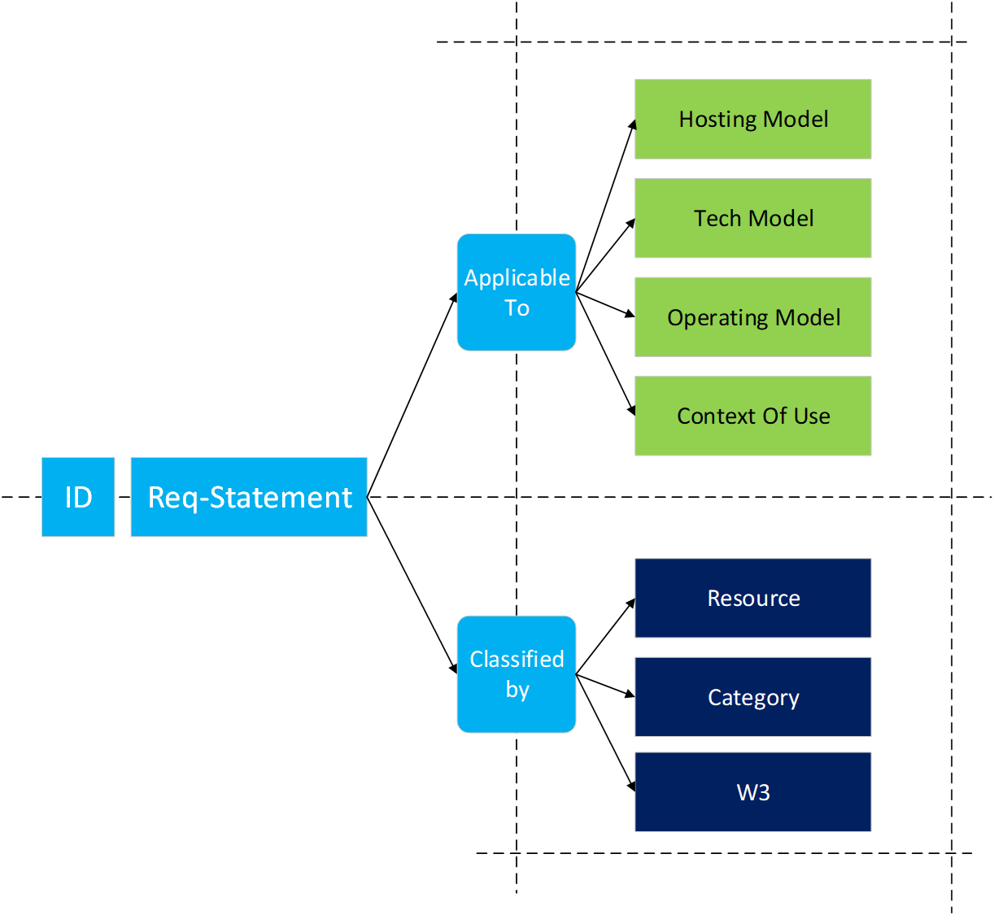
 | Values

 | Hosting Model Values

 | Tech Model Values

 | Operating Model Values

 | Context of Use (IT/NTW)

 | Resource Classification

 | Requirement category

 | Technology Org Viewpoint

If The rquirement is not fully clear. Search it in the reference document Architectural guidelines (for Tenders) (example: Cloud-Model GL# 4) To have a general context in which the requirement is described

Proposal Structure
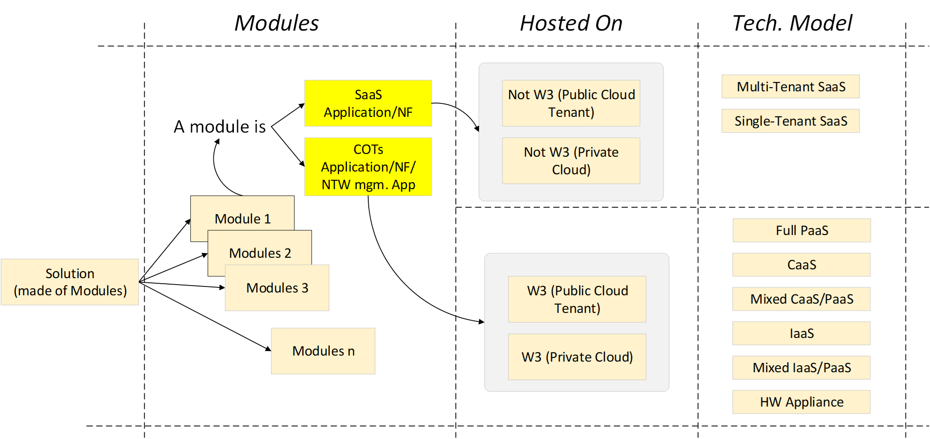

Vendor Solution Structure
Modules | Hosting Model | Technical Model
CORE PLATFORM | Not W3 (Private Cloud) | Multi-tenant SaaS
DATABASE LAYER | Not W3 (Private Cloud) | Mixed CaaS/PaaS
AI SERVICES | Not W3 (Public Cloud Tenant) | Multi-tenant SaaS

