Proposal Structure
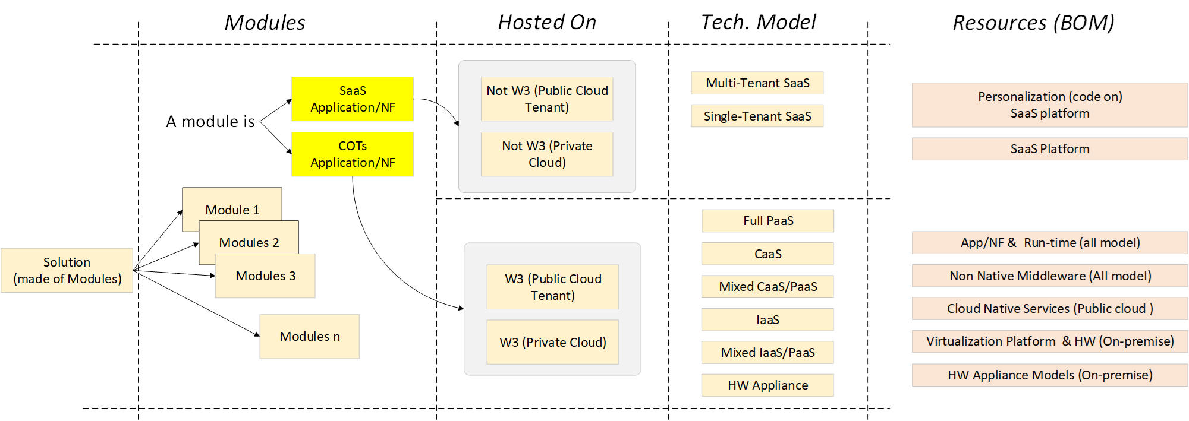

Example NOT TO BE Filled !!!!! The form to be filled is the TAB Service Model (To be filled) Modules => are the same as defined on " Technology Guideline (for tenders)" in Tab Proposal Structure |  |  |  | Example NOT TO BE FILLED !!!! The form to be filled is the TAB Service Model (To be filled) for each module must be detailed the resources used

Proposal modules (example) |  |  |  | Resource Model (example)
Modules | Hosting Model | Provider | Technical Model | Modules | Hosting Model | Provider | Technical Model | Resources
Module 1 | Not W3 Public cloud Tenant | AWS | Multi-tenant SaaS | Module 1 | Not W3 Public cloud Tenant | AWS | Multi-tenant SaaS | SaaS Generic - Code/Configuration
 |  |  |  | Module 1 | Not W3 Public cloud Tenant | AWS | Multi-tenant SaaS | SaaS Generic Platform
Module 2 | W3 Public cloud Tenant | Google | Mixed CaaS/PaaS | Module 2 | W3 Public cloud Tenant | Google | Mixed CaaS/PaaS | App - Linux native
 |  |  |  | Module 2 | W3 Public cloud Tenant | Google | Mixed CaaS/PaaS | Google - GKE Autopilot
 |  |  |  | Module 2 | W3 Public cloud Tenant | Google | Mixed CaaS/PaaS | Google - Cloud SQL Postgres
 |  |  |  | Module 2 | W3 Public cloud Tenant | Google | Mixed CaaS/PaaS | Google - Cloud load balancer
Module 3 | W3 Public cloud Tenant | AWS | Full PaaS | Module 3 | W3 Public cloud Tenant | AWS | Full PaaS | App - AWS Lamda
Module n .. |  |  |  | Module n ..

Resource Model
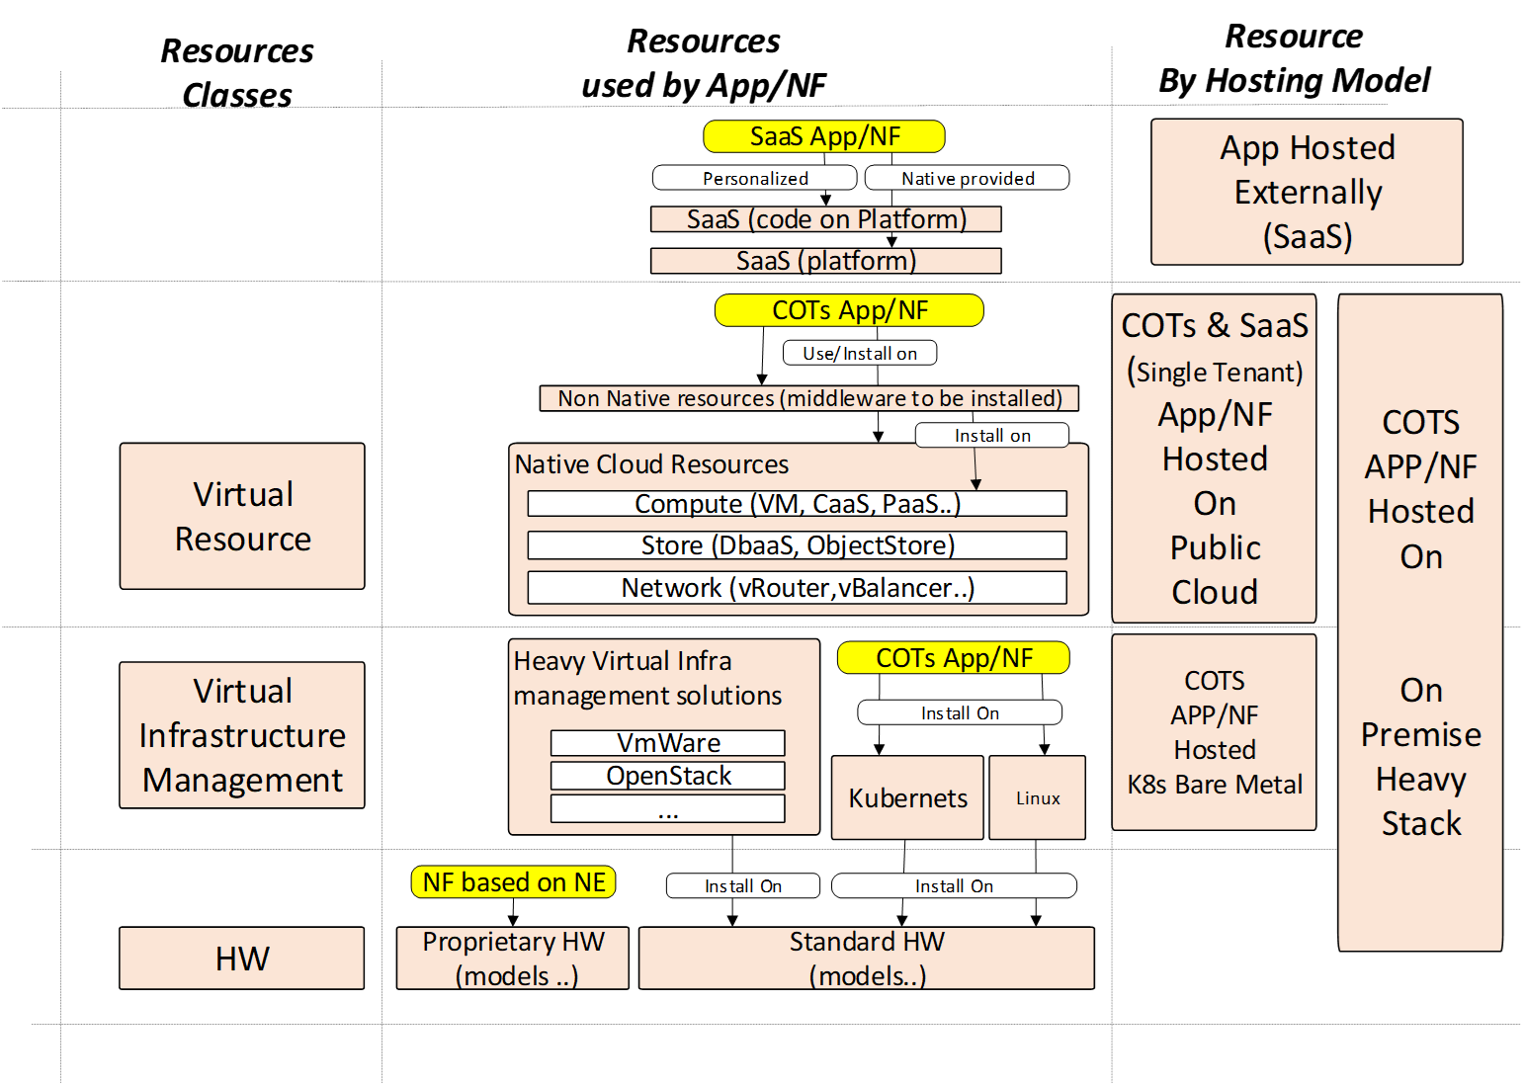
Resources to be inserted depend by Hosting models Used for the module of solution
SaaS Multi-tenant Applications ( means application Hosted Externally to W3 The resorces to be inserted are 1 (SaaS Platform) or 2 if the SaaS provider includes personalization part. This is alway the case for big platform (SalesForce, ServiceNow)

Public Cloud SaaS Single Tenant and COTs (mean app/NF to be installed ) COTs Application/NF/Nework mgt App (Means that has to be installed) Hosted on W3 Public Clouds The resorces to be included are both Native resources used and if present (Non Native middleware installed on k8s, or Vms) | (on-prem) Heavy Virtualization COTs Application/NF/Nework mgmt App (Means that has to be installed) Hosted on W3 Private Cloud sites The resorces to be included the App SW, Middleware , the Virtual Infra (Hypervisor VmWare,OpenStack ..) The HW managed by Hypervisor, included external backup applicances an Network Appliances
(on-prem) Light Virtualization COTs Application/NF/Nework mgmt App (Means that has to be installed) Hosted on W3 Private Cloud sites using K8s on bare Metal or Bare metal only

NF based on Appliances

 | For NF based on Appliances hosted on W3 private sites the resource to list is the Appliances used for the services included the shared ones

