Sheet3
 | small16 | small32 | medium48 | medium64 | medium 80 | medium96 | large112 | large128 | large144 | large160
0 | 0.0000 | 0.7000 | 0.2980 | 0.3699 | 0.3284 | 0.4391 | 0.3167 | 0.4579 | 0.1883 | 0.4558 | 0.3554
1 | 0.0000 | 0.1130 | 0.2755 | 0.4302 | 0.3900 | 0.5641 | 0.4793 | 0.4273 | 0.5165 | 0.5595 | 0.3755
2 | 0.0000 | 0.0000 | 0.0000 | 0.0000 | 0.8000 | 0.0000 | 0.0000 | 0.7000 | 0.0757 | 0.0000 | 0.1576
3 | 0.0000 | 0.4385 | 0.5378 | 0.6123 | 0.6969 | 0.6381 | 0.7267 | 0.5644 | 0.7000 | 0.3707 | 0.5285
4 | 0.0000 | 0.0000 | 0.0000 | 0.4464 | 0.1803 | 0.5126 | 0.4626 | 0.3457 | 0.3986 | 0.3519 | 0.2698
Average = 0.3027
5 | 0.0000 | 0.2005 | 0.3503 | 0.4548 | 0.5636 | 0.5413 | 0.5041 | 0.5522 | 0.5635 | 0.5642 | 0.4294
 | 0.0000 | 0.2420 | 0.2436 | 0.3856 | 0.4932 | 0.4492 | 0.4149 | 0.5079 | 0.4071 | 0.3837 | 0.3527
 | Average Precision (AP) @[ IoU=0.50:0.95 | area=small16 | maxDets=100 ] = 0.000 | Average Precision (AP) @[ IoU=0.50:0.95 | area=small32 | maxDets=100 ] = 0.363 | Average Precision (AP) @[ IoU=0.50:0.95 | area=medium48 | maxDets=100 ] = 0.365 | Average Precision (AP) @[ IoU=0.50:0.95 | area=medium64 | maxDets=100 ] = 0.463 | Average Precision (AP) @[ IoU=0.50:0.95 | area=medium80 | maxDets=100 ] = 0.493 | Average Precision (AP) @[ IoU=0.50:0.95 | area=medium96 | maxDets=100 ] = 0.539 | Average Precision (AP) @[ IoU=0.50:0.95 | area=large112 | maxDets=100 ] = 0.498 | Average Precision (AP) @[ IoU=0.50:0.95 | area=large128 | maxDets=100 ] = 0.508 | Average Precision (AP) @[ IoU=0.50:0.95 | area=large144 | maxDets=100 ] = 0.407 | Average Precision (AP) @[ IoU=0.50:0.95 | area=large160 | maxDets=100 ] = 0.384

 | small16 | small32 | medium48 | medium64 | medium 80 | medium96 | large112 | large128 | large144 | large160
0 | 0.0000 | 0.7000 | 0.2980 | 0.3699 | 0.3284 | 0.4391 | 0.3167 | 0.4579 | 0.1883 | 0.4558 | 0.3554
1 | 0.0000 | 0.1130 | 0.2755 | 0.4302 | 0.3900 | 0.5641 | 0.4793 | 0.4273 | 0.5165 | 0.5595 | 0.3755
2 | 0.0000 | 0.0000 | 0.0000 | 0.0000 | 0.8000 | 0.0000 | 0.0000 | 0.7000 | 0.0757 | 0.0000 | 0.1576
3 | 0.0000 | 0.4385 | 0.5378 | 0.6123 | 0.6969 | 0.6381 | 0.7267 | 0.5644 | 0.7000 | 0.3707 | 0.5285
4 | 0.0000 | 0.0000 | 0.0000 | 0.4464 | 0.1803 | 0.5126 | 0.4626 | 0.3457 | 0.3986 | 0.3519 | 0.2698
5 | 0.0000 | 0.2005 | 0.3503 | 0.4548 | 0.5636 | 0.5413 | 0.5041 | 0.5522 | 0.5635 | 0.5642 | 0.4294
 | 0.0000 | 0.2420 | 0.2436 | 0.3856 | 0.4932 | 0.4492 | 0.4149 | 0.5079 | 0.4071 | 0.3837 | 0.3527
 | Average Precision (AP) @[ IoU=0.50:0.95 | area=small16 | maxDets=100 ] = 0.000 | Average Precision (AP) @[ IoU=0.50:0.95 | area=small32 | maxDets=100 ] = 0.363 | Average Precision (AP) @[ IoU=0.50:0.95 | area=medium48 | maxDets=100 ] = 0.365 | Average Precision (AP) @[ IoU=0.50:0.95 | area=medium64 | maxDets=100 ] = 0.463 | Average Precision (AP) @[ IoU=0.50:0.95 | area=medium80 | maxDets=100 ] = 0.493 | Average Precision (AP) @[ IoU=0.50:0.95 | area=medium96 | maxDets=100 ] = 0.539 | Average Precision (AP) @[ IoU=0.50:0.95 | area=large112 | maxDets=100 ] = 0.498 | Average Precision (AP) @[ IoU=0.50:0.95 | area=large128 | maxDets=100 ] = 0.508 | Average Precision (AP) @[ IoU=0.50:0.95 | area=large144 | maxDets=100 ] = 0.407 | Average Precision (AP) @[ IoU=0.50:0.95 | area=large160 | maxDets=100 ] = 0.384

 | train | test
 | class name |  | class ground truth size
 | class instance count |  |  |  |  | m |  |  |  |  | l
 | 1 | [0 | 0 | 27 | 105 | 106 | 121 | 151 | 200 | 196 | 254 | 257 | 290 | 269 | 144 | 107 | 24 | 11 | 4 | 0 | 0 | 0 | 0 | 0 | 0 | 0] | 2266
 | 2 | [0 | 5 | 117 | 238 | 340 | 394 | 475 | 380 | 346 | 299 | 186 | 100 | 37 | 9 | 5 | 1 | 8 | 0 | 0 | 0 | 0 | 0 | 0 | 0 | 0] | 2940
 | 3 | [0 | 1 | 0 | 3 | 12 | 28 | 27 | 45 | 74 | 80 | 97 | 104 | 104 | 85 | 84 | 34 | 130 | 0 | 0 | 0 | 0 | 0 | 0 | 0 | 0] | 908
 | 4 | [0 | 25 | 460 | 480 | 213 | 43 | 3 | 5 | 7 | 1 | 2 | 1 | 0 | 0 | 0 | 0 | 0 | 0 | 0 | 0 | 0 | 0 | 0 | 0 | 0] | 1240
 | 5 | [0 | 0 | 0 | 22 | 176 | 228 | 251 | 137 | 81 | 54 | 22 | 6 | 1 | 0 | 0 | 2 | 1 | 0 | 0 | 0 | 0 | 0 | 0 | 0 | 0] | 981
 | 6 | [0 | 2 | 51 | 251 | 422 | 300 | 154 | 41 | 6 | 2 | 1 | 3 | 4 | 3 | 0 | 0 | 0 | 0 | 0 | 0 | 0 | 0 | 0 | 0 | 0] | 1240
 |  |  |  |  |  | m |  |  |  |  | l
 | 1 | [0 | 0 | 132 | 359 | 710 | 1160 | 1705 | 2117 | 2237 | 2226 | 2220 | 2205 | 2194 | 2179 | 2165 | 2149 | 2134 | 2121 | 2112 | 2095 | 2086 | 2073 | 2059 | 2051 | 2040 | 2028 | 2016 | 2005 | 1997 | 1990 | 1983 | 19750
 | 2 | [0 | 5 | 362 | 1096 | 1947 | 2583 | 2849 | 2873 | 2852 | 2817 | 2783 | 2751 | 2721 | 2686 | 2648 | 2609 | 2580 | 2541 | 2503 | 2470 | 2434 | 2401 | 2357 | 2308 | 2276 | 2240 | 2199 | 2171 | 2132 | 2094 | 2059 | 20130
 | 3 | [0 | 1 | 4 | 44 | 115 | 269 | 470 | 659 | 777 | 828 | 889 | 907 | 907 | 906 | 906 | 905 | 904 | 904 | 902 | 902 | 900 | 899 | 899 | 897 | 894 | 892 | 891 | 887 | 884 | 881 | 876 | 8720
 | 4 | [0 | 25 | 965 | 1210 | 1204 | 1166 | 1060 | 965 | 867 | 755 | 612 | 526 | 483 | 421 | 366 | 328 | 275 | 227 | 185 | 166 | 149 | 125 | 112 | 93 | 78 | 62 | 47 | 35 | 31 | 28 | 27 | 260
 | 5 | [0 | 0 | 22 | 426 | 814 | 949 | 977 | 978 | 980 | 980 | 978 | 977 | 975 | 970 | 968 | 967 | 959 | 954 | 945 | 934 | 913 | 890 | 858 | 835 | 813 | 783 | 769 | 753 | 741 | 726 | 713 | 6960
 | 6 | [0 | 2 | 304 | 1026 | 1219 | 1221 | 1220 | 1218 | 1205 | 1187 | 1139 | 1093 | 1053 | 1022 | 1004 | 980 | 936 | 877 | 820 | 778 | 736 | 704 | 665 | 612 | 555 | 514 | 482 | 447 | 420 | 401 | 366 | 3500

 | testing
 |  | small16 | small32 | medium48 | medium64 | medium 80 | medium96 | large112 | large128 | large144 | large160 | large160 |  | 4 | 8 | 12 | 16 | 20 | 24 | 28 | 32 | 36 | 40 | 44 | 48 | 52 | 56 | 60 | 64 | 68 | 72 | 76 | 80 | 84 | 88 | 92 | 96 | 100 | 104 | 108 | 112 | 116 | 120 | 124
 | excavator | 146 | 370 | 8 | 0 | 0 | 0 | 0 | 0 | 0 | 0 | 0 | excavator | 0 | 132 | 359 | 710 | 1160 | 1705 | 2117 | 2237 | 2226 | 2220 | 2205 | 2194 | 2179 | 2165 | 2149 | 2134 | 2121 | 2112 | 2095 | 2086 | 2073 | 2059 | 2051 | 2040 | 2028 | 2016 | 2005 | 1997 | 1990 | 1983 | 1975
 | dump_truck | 515 | 242 | 1 | 0 | 0 | 0 | 0 | 0 | 0 | 0 | 0 | dump_truck | 5 | 362 | 1096 | 1947 | 2583 | 2849 | 2873 | 2852 | 2817 | 2783 | 2751 | 2721 | 2686 | 2648 | 2609 | 2580 | 2541 | 2503 | 2470 | 2434 | 2401 | 2357 | 2308 | 2276 | 2240 | 2199 | 2171 | 2132 | 2094 | 2059 | 2013
 | mobile_crane | 23 | 142 | 40 | 0 | 0 | 0 | 0 | 0 | 0 | 0 | 0 | mobile_crane | 1 | 4 | 44 | 115 | 269 | 470 | 659 | 777 | 828 | 889 | 907 | 907 | 906 | 906 | 905 | 904 | 904 | 902 | 902 | 900 | 899 | 899 | 897 | 894 | 892 | 891 | 887 | 884 | 881 | 876 | 872
 | helmet | 315 | 0 | 0 | 0 | 0 | 0 | 0 | 0 | 0 | 0 | 0 | helmet | 25 | 965 | 1210 | 1204 | 1166 | 1060 | 965 | 867 | 755 | 612 | 526 | 483 | 421 | 366 | 328 | 275 | 227 | 185 | 166 | 149 | 125 | 112 | 93 | 78 | 62 | 47 | 35 | 31 | 28 | 27 | 26
 | human | 207 | 47 | 0 | 0 | 0 | 0 | 0 | 0 | 0 | 0 | 0 | human | 0 | 22 | 426 | 814 | 949 | 977 | 978 | 980 | 980 | 978 | 977 | 975 | 970 | 968 | 967 | 959 | 954 | 945 | 934 | 913 | 890 | 858 | 835 | 813 | 783 | 769 | 753 | 741 | 726 | 713 | 696
 | upper body w/ vest | 315 | 5 | 0 | 0 | 0 | 0 | 0 | 0 | 0 | 0 | 0 | upper body w/ vest | 2 | 304 | 1026 | 1219 | 1221 | 1220 | 1218 | 1205 | 1187 | 1139 | 1093 | 1053 | 1022 | 1004 | 980 | 936 | 877 | 820 | 778 | 736 | 704 | 665 | 612 | 555 | 514 | 482 | 447 | 420 | 401 | 366 | 350

 |  | small16 | small32 | medium48 | medium64 | medium 80 | medium96 | large112 | large128 | large144 | large160
 | excavator | 0.0000 | 0.7000 | 0.2980 | 0.3699 | 0.3284 | 0.4391 | 0.3167 | 0.4579 | 0.1883 | 0.4558
 | dump_truck | 0.0000 | 0.1130 | 0.2755 | 0.4302 | 0.3900 | 0.5641 | 0.4793 | 0.4273 | 0.5165 | 0.5595
 | mobile_crane | 0.0000 | 0.0000 | 0.0000 | 0.0000 | 0.8000 | 0.0000 | 0.0000 | 0.7000 | 0.0757 | 0.0000
 | helmet | 0.0000 | 0.4385 | 0.5378 | 0.6123 | 0.6969 | 0.6381 | 0.7267 | 0.5644 | 0.7000 | 0.3707
 | human | 0.0000 | 0.0000 | 0.0000 | 0.4464 | 0.1803 | 0.5126 | 0.4626 | 0.3457 | 0.3986 | 0.3519 |  |  |  |  |  |  |  |  |  |  |  |  |  |  |  |  | excavator | 2266
 | upper body w/ vest | 0.0000 | 0.2005 | 0.3503 | 0.4548 | 0.5636 | 0.5413 | 0.5041 | 0.5522 | 0.5635 | 0.5642 |  |  |  |  |  |  |  |  |  |  |  |  |  |  |  |  | dump_truck | 2943
 |  | 0.0000 | 0.2420 | 0.2436 | 0.3856 | 0.4932 | 0.4492 | 0.4149 | 0.5079 | 0.4071 | 0.3837 |  |  |  |  |  |  |  |  |  |  |  |  |  |  |  |  | mobile_crane | 908
 |  | small16 | small32 | medium48 | medium64 | medium 80 | medium96 | large112 | large128 | large144 | large160 |  |  |  |  |  |  |  |  |  |  |  |  |  |  |  |  | helmet | 1240
 | excavator | 0 | 259 | 2.384290429 | 0 | 0 | 0 | 0 | 0 | 0 | 0 |  |  |  |  |  |  |  |  |  |  |  |  |  |  |  |  | human | 981
 | dump_truck | 0 | 27.340258765 | 0.2755305575 | 0 | 0 | 0 | 0 | 0 | 0 | 0 |  |  |  |  |  |  |  |  |  |  |  |  |  |  |  |  | upper body w/ vest | 1240
 | mobile_crane | 0 | 0 | 0 | 0 | 0 | 0 | 0 | 0 | 0 | 0
 | helmet | 0 | 0 | 0 | 0 | 0 | 0 | 0 | 0 | 0 | 0
 | human | 0 | 0 | 0 | 0 | 0 | 0 | 0 | 0 | 0 | 0
 | upper body w/ vest | 0 | 1.0027345592 | 0 | 0 | 0 | 0 | 0 | 0 | 0 | 0
Testing

 |  | train | test
 | 1 | 2266
 | 2 | 2943
 | 3 | 908
 | 4 | 1240
 | 5 | 981
 | 6 | 1240

Training

 | pixel_w |  | 1920P | % |  | start | end | area
 | 0 | 4 | 2073600 | 0.000 |  | 0 | 32 | 0 | 1024 | 2073600 | 0.049
 | 4 | 16 | 2073600 | 0.001 |  | 32 | 96 | 1024 | 9216 | 2073600 | 0.444
 | 8 | 64 | 2073600 | 0.003 |  | 96 | 10000 | 9216 | 100000000 | 2073600 | 4822.531
 | 12 | 144 | 2073600 | 0.007
 | 16 | 256 | 2073600 | 0.012
 | 20 | 400 | 2073600 | 0.019
 | 24 | 576 | 2073600 | 0.028
 | 28 | 784 | 2073600 | 0.038
 | 32 | 1024 | 2073600 | 0.049
 | 36 | 1296 | 2073600 | 0.063
 | 40 | 1600 | 2073600 | 0.077
 | 44 | 1936 | 2073600 | 0.093
 | 48 | 2304 | 2073600 | 0.111
 | 52 | 2704 | 2073600 | 0.130
 | 56 | 3136 | 2073600 | 0.151
 | 60 | 3600 | 2073600 | 0.174
 | 64 | 4096 | 2073600 | 0.198
 | 68 | 4624 | 2073600 | 0.223
 | 72 | 5184 | 2073600 | 0.250
 | 76 | 5776 | 2073600 | 0.279
 | 80 | 6400 | 2073600 | 0.309
 | 84 | 7056 | 2073600 | 0.340
 | 88 | 7744 | 2073600 | 0.373
 | 92 | 8464 | 2073600 | 0.408
 | 96 | 9216 | 2073600 | 0.444
 | 100 | 10000 | 2073600 | 0.482
 | 104 | 10816 | 2073600 | 0.522
 | 108 | 11664 | 2073600 | 0.563
 | 112 | 12544 | 2073600 | 0.605
 | 116 | 13456 | 2073600 | 0.649
 | 120 | 14400 | 2073600 | 0.694
 | 124 | 15376 | 2073600 | 0.742
 | 128 | 16384 | 2073600 | 0.790
 | 132 | 17424 | 2073600 | 0.840
 | 136 | 18496 | 2073600 | 0.892
 | 140 | 19600 | 2073600 | 0.945
 | 144 | 20736 | 2073600 | 1.000
 | 148 | 21904 | 2073600 | 1.056
 | 152 | 23104 | 2073600 | 1.114
 | 156 | 24336 | 2073600 | 1.174
 | 160 | 25600 | 2073600 | 1.235
 | 164 | 26896 | 2073600 | 1.297
 | 168 | 28224 | 2073600 | 1.361
 | 172 | 29584 | 2073600 | 1.427
 | 176 | 30976 | 2073600 | 1.494

Sheet4
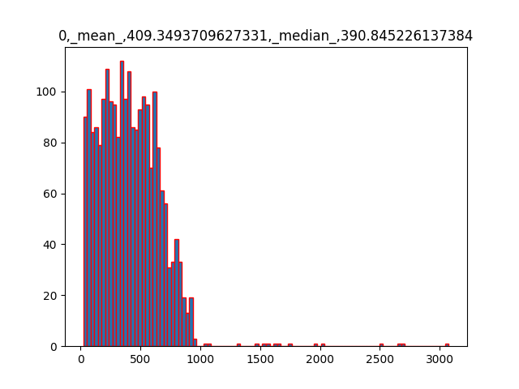
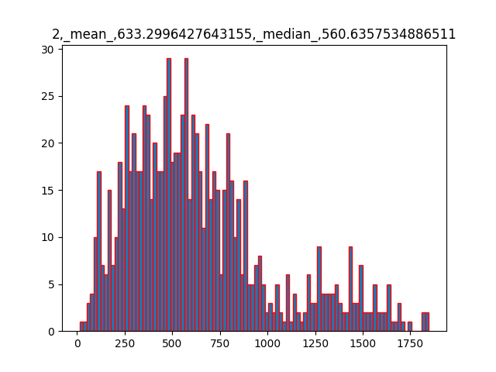
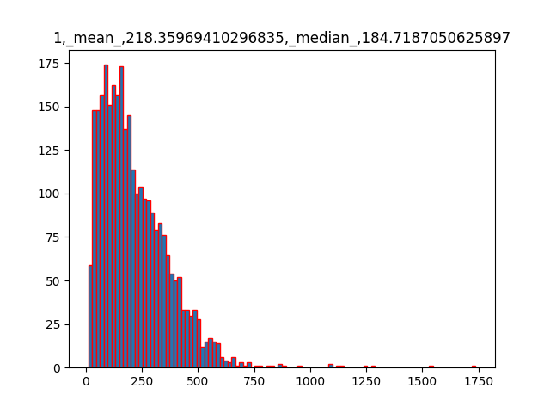

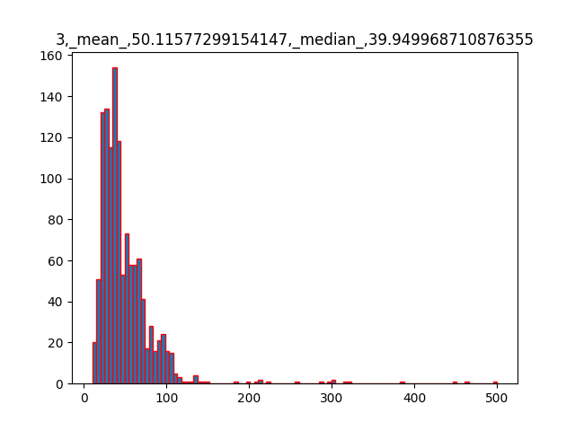
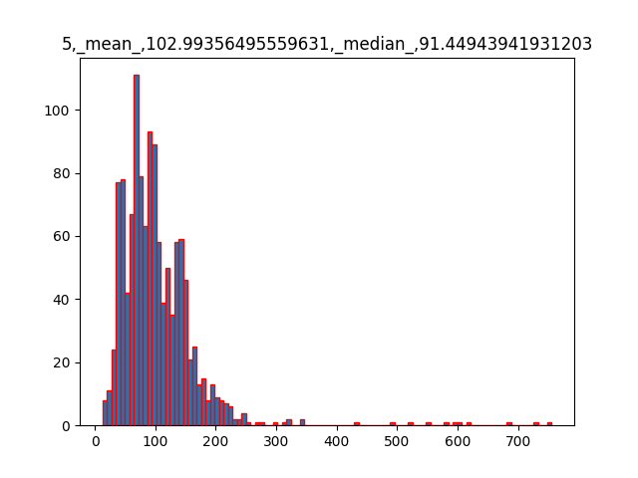
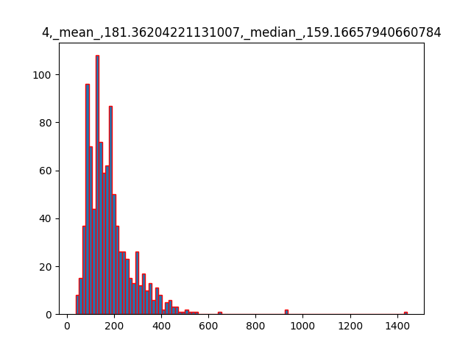

 | mean | median | min | max | count | small | medium | large
1 | 409 | 390 | 22 | 3075 | 2266 | 2251 | 15 | 0 | 0 | 0 | 0 | 0 | 0 | 0 | 2266
2 | 218 | 184 | 11 | 1737 | 2943 | 2935 | 8 | 0 | 0 | 0 | 0 | 0 | 0 | 0 | 2943
3 | 633 | 560 | 13 | 1847 | 908 | 778 | 130 | 0 | 0 | 0 | 0 | 0 | 0 | 0 | 908
4 | 50 | 39 | 10 | 500 | 1240 | 1240 | 0 | 0 | 0 | 0 | 0 | 0 | 0 | 0 | 1240
5 | 181 | 159 | 36 | 1442 | 981 | 980 | 1 | 0 | 0 | 0 | 0 | 0 | 0 | 0 | 981
6 | 102 | 91 | 12 | 755 | 1240 | 1240 | 0 | 0 | 0 | 0 | 0 | 0 | 0 | 0 | 1240

