Requirement
 |  | Sharing_Food

Review: |  | Nguyễn Hữu Dũng
Member Create: |  | Nguyễn Thành Phước

Object use of project: User, Admin

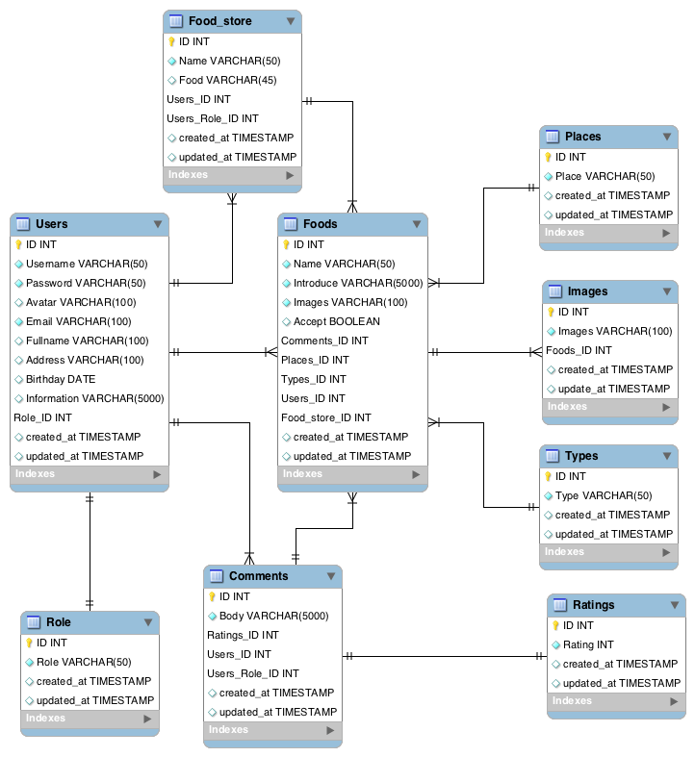
User | Register User | Register new User
 |  | Email(*)
 |  | Username (*)
 |  | Password (*)
 |  | Avatar
 |  | Address
 |  | Birthday
 |  | Information
 | Login | User Login
 |  | Email(*)
 |  | Password (*)
 | View Profile | View Profile
 |  | Fullname
 |  | Email
 |  | Address
 |  | Birthday
 |  | Information
 |  | Avatar
 | Create Food | Create Food
 |  | Name (*)
 |  | Introduce (*)
 |  | Image (*)
 |  | Place (*)
 |  | Type (*)
 | View List Food | View List Food
 |  | Name
 |  | Introduce
 |  | Image
 |  | Type
 |  | Place
 |  | Comment
 |  | Rating
Admin | User Manager | Create User
 |  | Email(*)
 |  | Username (*)
 |  | Password (*)
 |  | Avatar
 |  | Address
 |  | Birthday
 |  | Information
 |  | Role
 |  | View List User
 |  | Email(*)
 |  | Username (*)
 |  | Password (*)
 |  | Avatar
 |  | Address
 |  | Birthday
 |  | Information
 |  | Delete User
 |  | User, Role
 |  | Show popup confirm delete
 | Food Manager | Create Food
 |  | Name (*)
 |  | Introduce (*)
 |  | Image (*)
 |  | Place (*)
 |  | Type (*)
 |  | View List Food
 |  | Name
 |  | Introduce
 |  | Image
 |  | Type
 |  | Place
 |  | Comment
 |  | Rating
 |  | Edit Food
 |  | Name (*)
 |  | Introduce (*)
 |  | Image (*)
 |  | Place (*)
 |  | Type (*)
 |  | Delete Food
 |  | Food, Comment, Rating
 |  | Show popup confirm delete
 |  | (*) Required

