aux
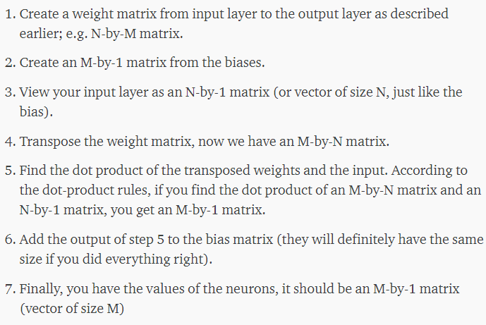
1 | -1.6111035 | 1.4597565 | 1.5813705 | -7.80694 | -0.98335457 | 3.8223262 | -2.293385 | 2.730951 | 7.0392623 | 6.1786833 | -2.000152 | -0.9719488 | n | features |  | m | Hidden neurons
 | 2.0683463 | 1.6280179 | -2.1702726 | 11.985167 | 1.2981803 | -2.1073444 | 2.0252898 | 2.5854738 | -0.6810066 | -5.572528 | -1.4496261 | 2.6491709
 | -0.029117916 | -0.30638772 | 0.034577884 | 0.029583342 | 0.14894938 | -0.052001152 | -0.016488714 | -0.0891668 | -0.15313278 | -0.09075946 | 0.15545487 | -0.03224983
 | -3.1073878 | -0.20693015 | 2.4626746 | -0.79844743 | 0.2922244 | 0.023572693 | -1.4286476 | -0.12775958 | -0.03384456 | 0.27533656 | 0.20335609 | -0.13602355
 | -2.0197968 | -9.271704 | 8.7120695 | 10.629651 | -6.18767 | 0.056873955 | 1.3685627 | 0.12808473 | 0.26693928 | 0.788561 | 3.794679 | -2.3981268
 | -0.17783251 | -7.56344 | 0.031798214 | 1.0854034 | 3.328757 | -1.439044 | -3.3692975 | -1.903608 | -2.483586 | -2.823745 | 3.8785367 | -1.2055107

2 | -0.99147666
 | 4.254598
 | -0.61753505
 | -2.0171587
 | -2.8696132
 | -1.7312866
 | 0.91400844
 | -1.9674305
 | -2.3828585
 | -2.7279577
 | -0.020833677
 | -1.0434467

3 | 0.012887074739 | INPUT
 | 0.9631196
 | 0
 | 0
 | 0
 | 0 |  |  |  |  |  |  |  |  |  |  |  | https://medium.com/coinmonks/the-mathematics-of-neural-network-60a112dd3e05

4 | -1.6111035 | 2.0683463 | -0.029117916 | -3.1073878 | -2.0197968 | -0.17783251
 | 1.4597565 | 1.6280179 | -0.30638772 | -0.20693015 | -9.271704 | -7.56344
 | 1.5813705 | -2.1702726 | 0.034577884 | 2.4626746 | 8.7120695 | 0.031798214
 | -7.80694 | 11.985167 | 0.029583342 | -0.79844743 | 10.629651 | 1.0854034
 | -0.98335457 | 1.2981803 | 0.14894938 | 0.2922244 | -6.18767 | 3.328757
 | 3.8223262 | -2.1073444 | -0.052001152 | 0.023572693 | 0.056873955 | -1.439044
 | -2.293385 | 2.0252898 | -0.016488714 | -1.4286476 | 1.3685627 | -3.3692975
 | 2.730951 | 2.5854738 | -0.0891668 | -0.12775958 | 0.12808473 | -1.903608
 | 7.0392623 | -0.6810066 | -0.15313278 | -0.03384456 | 0.26693928 | -2.483586
 | 6.1786833 | -5.572528 | -0.09075946 | 0.27533656 | 0.788561 | -2.823745
 | -2.000152 | -1.4496261 | 0.15545487 | 0.20335609 | 3.794679 | 3.8785367
 | -0.9719488 | 2.6491709 | -0.03224983 | -0.13602355 | -2.3981268 | -1.2055107

5 | 1.9713024499 |  | 7 | 0.9798257899 | values of neurons in the hidden layer
 | 1.5867879398 |  |  | 5.8413859398
 | -2.0698528386 |  |  | -2.6873878886
 | 11.442540628 |  |  | 9.4253819277
 | 1.2376303274 |  |  | -1.6319828726
 | -1.9803660922 |  |  | -3.7116526922
 | 1.9210412782 |  |  | 2.8350497182
 | 2.5253144617 |  |  | 0.55788396171
 | -0.56517530482 |  |  | -2.9480338048
 | -5.2873857849 |  |  | -8.0153434849
 | -1.4219394179 |  |  | -1.4427730949
 | 2.5389428407 |  |  | 1.4954961407

8 | 0.72707364788 | values of neurons in the hidden layer after being passed through the activation funcion (sigmoid)
activation funct | 0.99710359957
 | 0.06372168263
 | 0.99991935571
 | 0.1635589086
 | 0.02385417592
 | 0.9445407188
 | 0.63596278862
 | 0.049829521743
 | 0.00033024565047
 | 0.19111628622
 | 0.81690178053

i.e. do the same for the output |  |  |  |  |  |  |  |  |  |  |  |  |  |  | n neurónios escondidos |  |  | m outputs

1 | 0.50166327 | 0.46111196
 | -0.3264521 | -0.545279
 | 0.15386954 | 0.21923798
 | 0.10442272 | -0.15438874
 | 0.0080143735 | -0.40322495
 | 2.0702424 | 0.7725128
 | -0.17144383 | -0.16950211
 | 0.7690337 | 0.123319864
 | -0.8231563 | -0.12172775
 | -0.41301894 | -0.2749194
 | -0.6597907 | 0.039517514
 | 0.47405586 | 1.9571468

2 | 0.21984108
 | -0.16400285

3 | 0.72707364788
 | 0.99710359957
 | 0.06372168263
 | 0.99991935571
 | 0.1635589086
 | 0.02385417592
 | 0.9445407188
 | 0.63596278862
 | 0.049829521743
 | 0.00033024565047
 | 0.19111628622
 | 0.81690178053

4 | 0.50166327 | -0.3264521 | 0.15386954 | 0.10442272 | 0.0080143735 | 2.0702424 | -0.17144383 | 0.7690337 | -0.8231563 | -0.41301894 | -0.6597907 | 0.47405586
 | 0.46111196 | -0.545279 | 0.21923798 | -0.15438874 | -0.40322495 | 0.7725128 | -0.16950211 | 0.123319864 | -0.12172775 | -0.2749194 | 0.039517514 | 1.9571468

5 | 0.75130103658
 | 1.1221511677

7 | 0.97114211658
 | 0.9581483177

8 | 0.97114211658 | rocof
linear function | 0.9581483177 | nadir

 | desnormalizados |  |  |  | aux
9 | 1.7876084453 | rocof |  |  | ROCOF | Nadir
 | 0.97718070784 | nadir |  | max | 1.835981286 | 1.017362684
 |  |  |  | min | 0.159737745 | 0.057258479

