Sheet1
$$R_{i,j}^{k}=R_{i,j}^{k−1} + R_{i,k}^{k−1}{\left(R_{k,k}^{k−1}\right)}^{∗} R_{k,j}^{k−1}$$
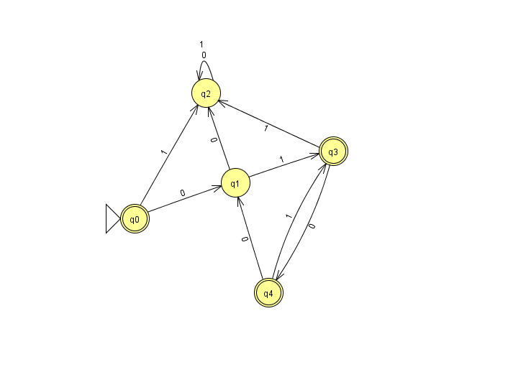
R0
 |  | q0 | q1 | q2 | q3 | q4
 | q0 | e | 0 | 1 | Ø | Ø
 | q1 | Ø | e | 0 | 1 | Ø
 | q2 | Ø | Ø | e+0+1 | Ø | Ø
 | q3 | Ø | Ø | 1 | e | 0
 | q4 | Ø | 0 | Ø | 1 | e

R1
 |  | q0 | q1 | q2 | q3 | q4
 | q0 | e | 0 | 1 + 00 | 01 | Ø
 | q1 | Ø | e | 0 | 1 | Ø
 | q2 | Ø | Ø | e+0+1 | Ø | Ø
 | q3 | Ø | Ø | 1 | e | 0
 | q4 | Ø | 0 | 00 | 1+01 | e

R2
 |  | q0 | q1 | q2 | q3 | q4
 | q0 | e | 0 | (1 + 00)(0+1)* | 01 | Ø | R2(0,2) = (1 + 00) + (1 + 00)(e + 0 + 1)*(e + 0 + 1) = (1 + 00)(0+1)*
 | q1 | Ø | e | 0 (0+1)* | 1 | Ø
 | q2 | Ø | Ø | (0+1)* | Ø | Ø
 | q3 | Ø | Ø | 1(0+1)* | e | 0
 | q4 | Ø | 0 | 00(0+1)* | 1+01 | e

R3
 |  | q0 | q1 | q2 | q3 | q4
 | q0 | e | 0 | (1+00+011)(0+1)* | 01 | 010 | R3(0,2) = (1+00)(0+1)* + 01e* 1(0+1)* = (1+00+011)(0+1)*
 | q1 | Ø | e | (0+11)(0+1)* | 1 | 10 | R3(1,2) = 0(0+1)* + 1e*1(0+1)* = (0+11)(0+1)*
 | q2 | Ø | Ø | (0+1)* | Ø | Ø | R3(4,2) = 00(0+1)* + (1+01)e*1(0+1)* = (00 + 11 + 011)(0+1)*
 | q3 | Ø | Ø | 1(0+1)* | e | 0
 | q4 | Ø | 0 | (00 + 11 + 011)(0+1)* | 1+01 | e + 10 + 010
R4
 | R4 is our final table. We do not have to calculate everything, as we only want to know the REs that start in the initial state and end in an accepting state
 | These are:
 | RE = R4(0,0) + R4(0,3) + R4(0,4)

 | R4(0,0) = e
 | R4(0,3) = 01 + 010(e + 10 + 010)*(1+01)
 | R4(0,4) = 010 + 010(e + 10 + 010)*(e + 10 + 010) = 010(10 + 010)*

