Run charts
Month | Events
1/1/10 | 5
2/1/10 | 7
3/1/10 | 5
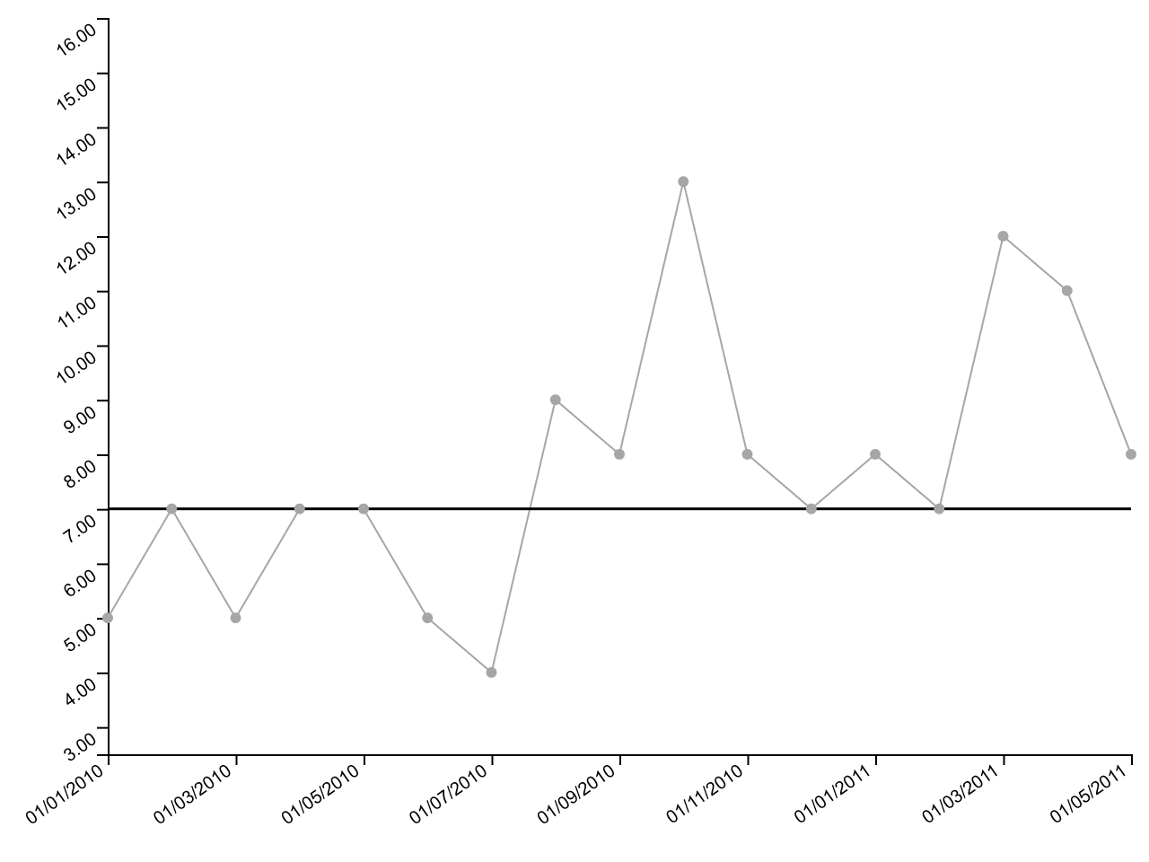
4/1/10 | 7
5/1/10 | 7
6/1/10 | 5
7/1/10 | 4
8/1/10 | 9
9/1/10 | 8
10/1/10 | 13
11/1/10 | 8
12/1/10 | 7
1/1/11 | 8
2/1/11 | 7
3/1/11 | 12
4/1/11 | 11
5/1/11 | 8

I charts
Month | Events
1/1/10 | 5
2/1/10 | 7
3/1/10 | 5
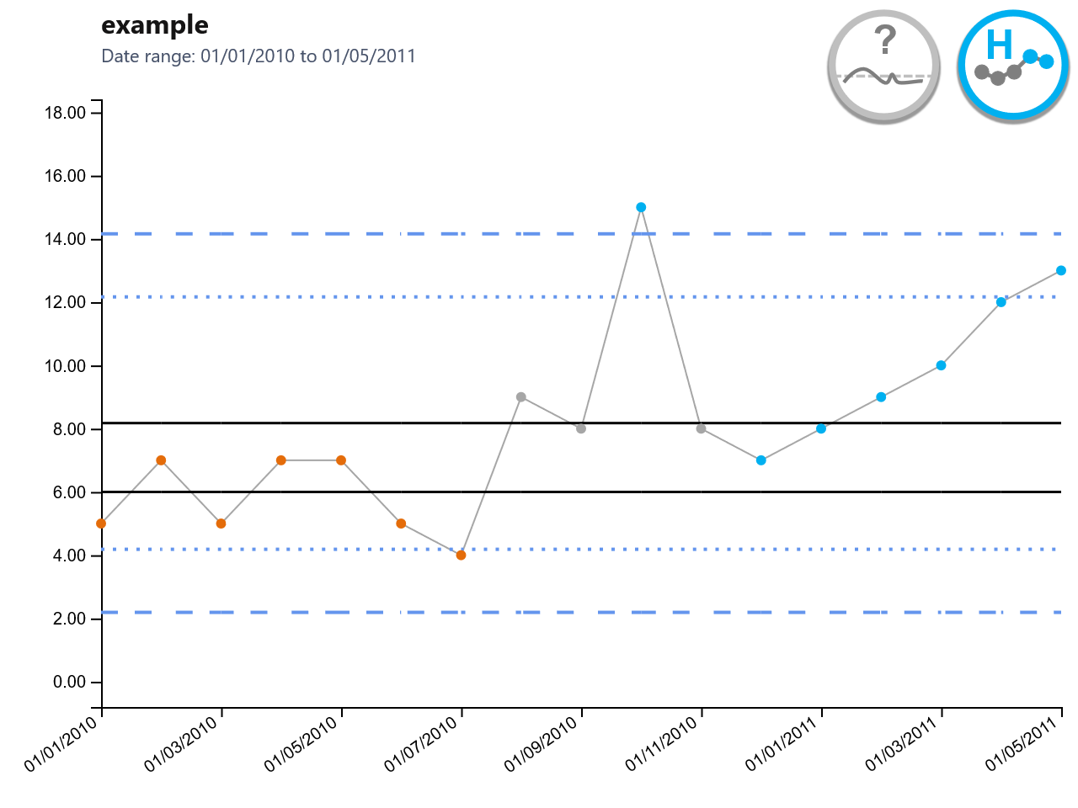
4/1/10 | 7
5/1/10 | 7
6/1/10 | 5
7/1/10 | 4
8/1/10 | 9
9/1/10 | 8
10/1/10 | 15
11/1/10 | 8
12/1/10 | 7
1/1/11 | 8
2/1/11 | 9
3/1/11 | 10
4/1/11 | 12
5/1/11 | 13

MR Charts
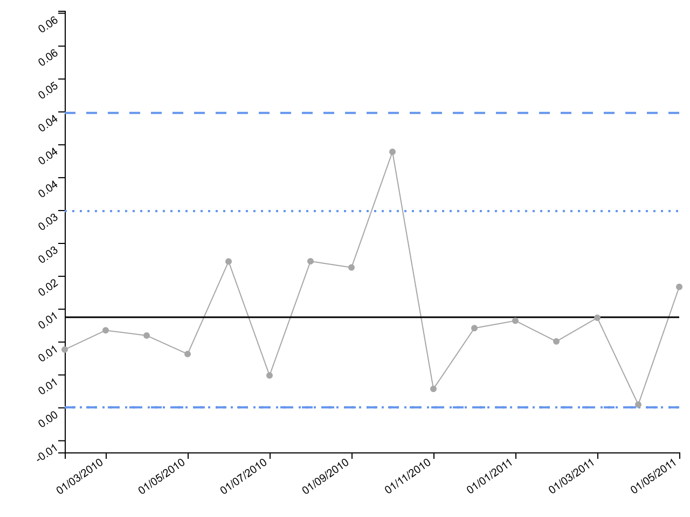
Month | Events | Days
1/1/10 | 5 | 113
2/1/10 | 7 | 132
3/1/10 | 5 | 121
4/1/10 | 7 | 134
5/1/10 | 7 | 116
6/1/10 | 5 | 131
7/1/10 | 4 | 93
8/1/10 | 9 | 138
9/1/10 | 8 | 182
10/1/10 | 13 | 157
11/1/10 | 8 | 100
12/1/10 | 7 | 103
1/1/11 | 8 | 146
2/1/11 | 7 | 108
3/1/11 | 12 | 153
4/1/11 | 11 | 141
5/1/11 | 8 | 134

P Charts
Month | Harmed | Patients
1/1/10 | 3 | 5
2/1/10 | 6 | 20
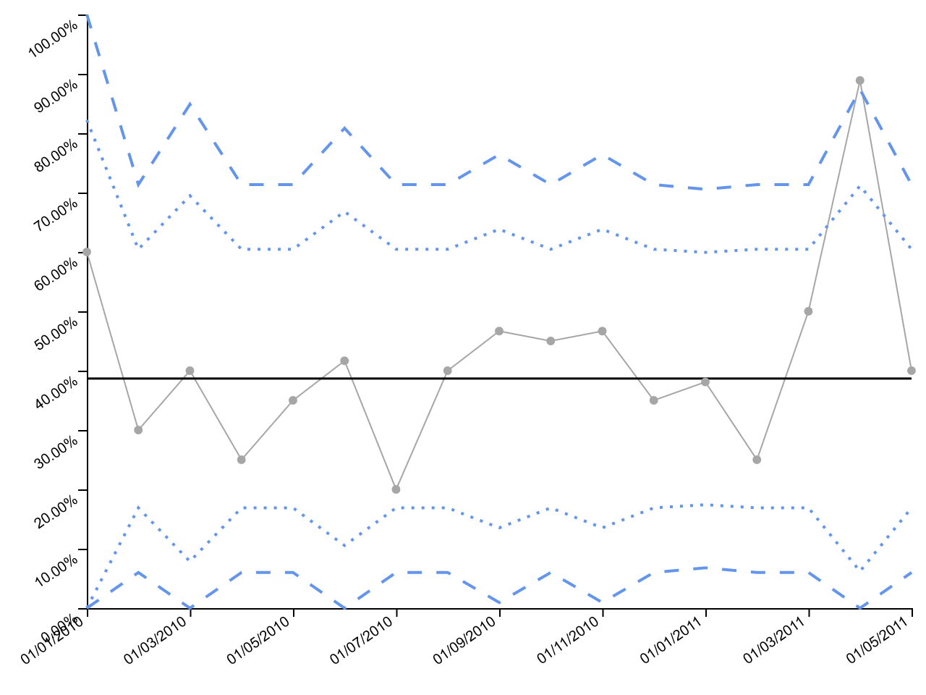
3/1/10 | 4 | 10
4/1/10 | 5 | 20
5/1/10 | 7 | 20
6/1/10 | 5 | 12
7/1/10 | 4 | 20
8/1/10 | 8 | 20
9/1/10 | 7 | 15
10/1/10 | 9 | 20
11/1/10 | 7 | 15
12/1/10 | 7 | 20
1/1/11 | 8 | 21
2/1/11 | 5 | 20
3/1/11 | 10 | 20
4/1/11 | 8 | 9
5/1/11 | 8 | 20

P' Chart
Month | Sum of Met Target | Sum of Attendances
1/1/00 | 266501 | 280443
2/1/00 | 264225 | 276823
3/1/00 | 276532 | 291681
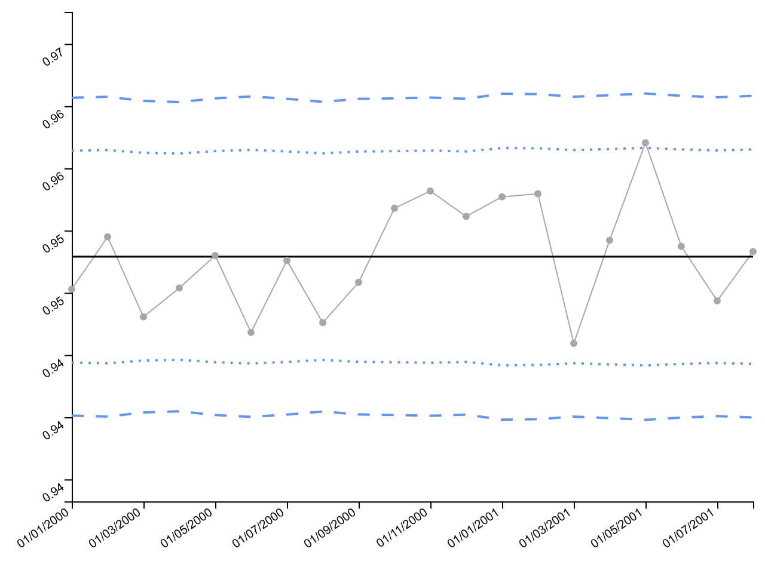
4/1/00 | 281461 | 296155
5/1/00 | 269071 | 282343
6/1/00 | 261215 | 275888
7/1/00 | 270409 | 283867
8/1/00 | 279778 | 295251
9/1/00 | 270483 | 284468
10/1/00 | 270320 | 282529
11/1/00 | 267923 | 279618
12/1/00 | 271478 | 283932
1/1/01 | 255353 | 266629
2/1/01 | 256820 | 268091
3/1/01 | 261835 | 276803
4/1/01 | 259144 | 271578
5/1/01 | 255910 | 266005
6/1/01 | 260863 | 273520
7/1/01 | 264465 | 278574
8/1/01 | 260989 | 273772

U Chart
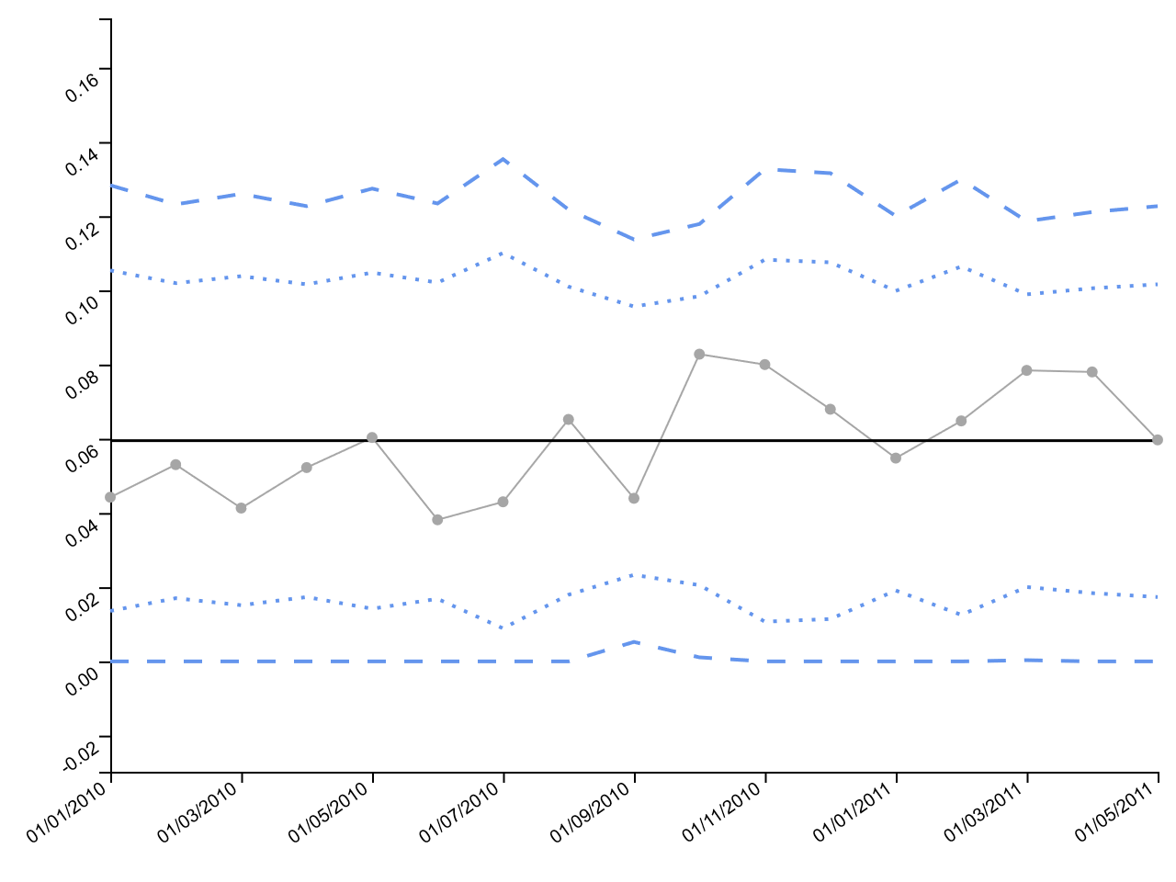
Month | Adverse Events | Patient Days
1/1/10 | 5 | 113
2/1/10 | 7 | 132
3/1/10 | 5 | 121
4/1/10 | 7 | 134
5/1/10 | 7 | 116
6/1/10 | 5 | 131
7/1/10 | 4 | 93
8/1/10 | 9 | 138
9/1/10 | 8 | 182
10/1/10 | 13 | 157
11/1/10 | 8 | 100
12/1/10 | 7 | 103
1/1/11 | 8 | 146
2/1/11 | 7 | 108
3/1/11 | 12 | 153
4/1/11 | 11 | 141
5/1/11 | 8 | 134

C Charts
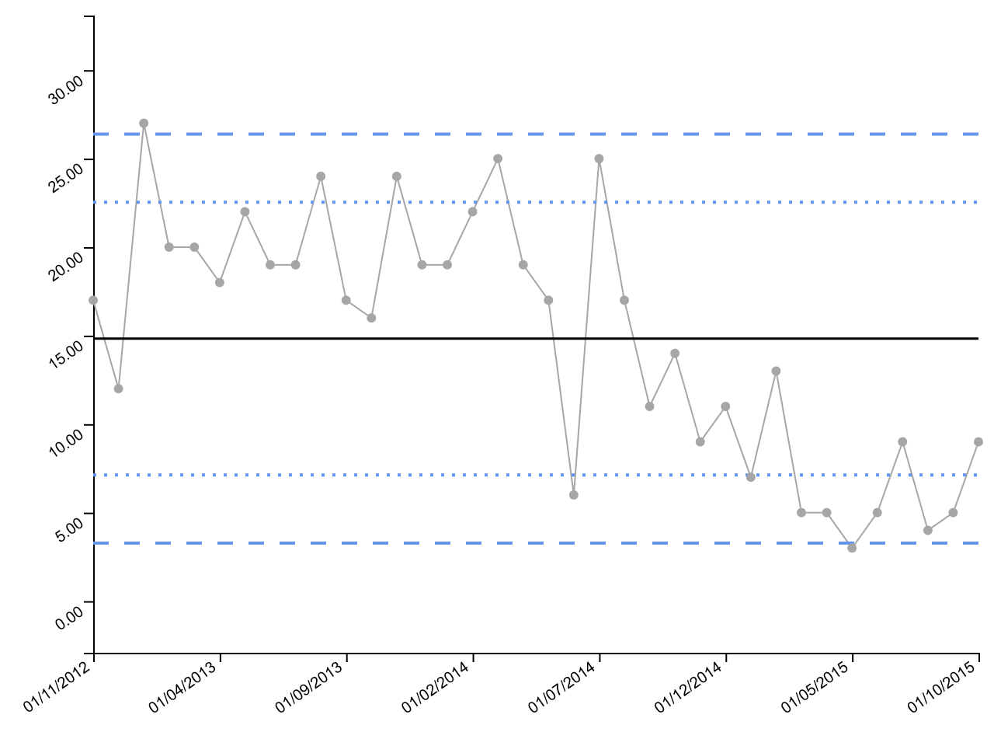
Month | Events
11/1/12 | 17
12/1/12 | 12
1/1/13 | 27
2/1/13 | 20
3/1/13 | 20
4/1/13 | 18
5/1/13 | 22
6/1/13 | 19
7/1/13 | 19
8/1/13 | 24
9/1/13 | 17
10/1/13 | 16
11/1/13 | 24
12/1/13 | 19
1/1/14 | 19
2/1/14 | 22
3/1/14 | 25
4/1/14 | 19
5/1/14 | 17
6/1/14 | 6
7/1/14 | 25
8/1/14 | 17
9/1/14 | 11
10/1/14 | 14
11/1/14 | 9
12/1/14 | 11
1/1/15 | 7
2/1/15 | 13
3/1/15 | 5
4/1/15 | 5
5/1/15 | 3
6/1/15 | 5
7/1/15 | 9
8/1/15 | 4
9/1/15 | 5
10/1/15 | 9

Xbar Charts
Month | Mean | N | SD
7/1/11 | 66.880769231 | 52 | 8.6085909028
8/1/11 | 68.761484375 | 64 | 8.7906289699
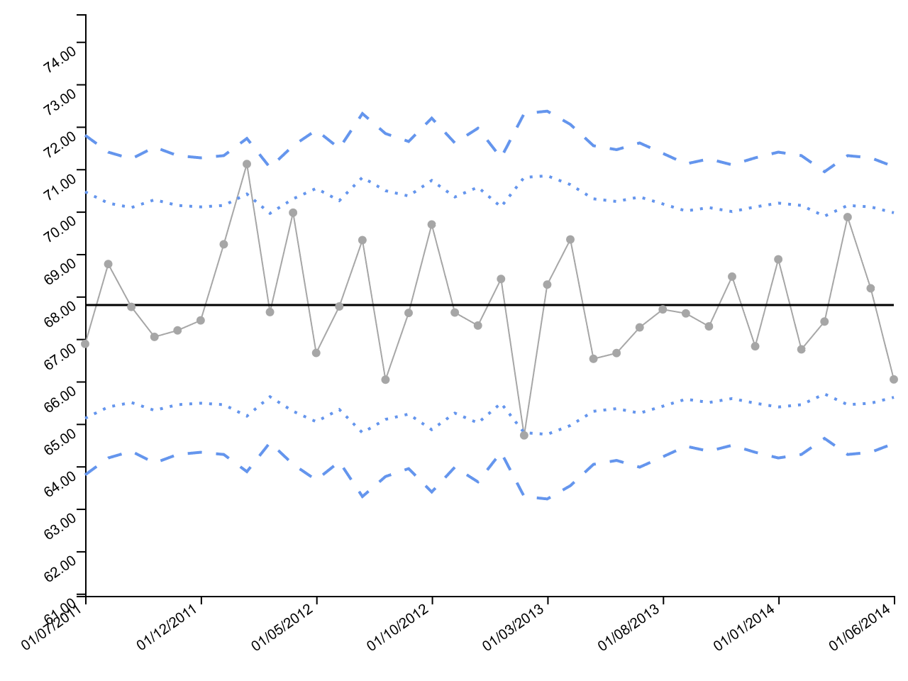
9/1/11 | 67.752557143 | 70 | 10.085749706
10/1/11 | 67.046183333 | 60 | 10.360639712
11/1/11 | 67.199089552 | 67 | 10.048972137
12/1/11 | 67.434463768 | 69 | 8.8747874889
1/1/12 | 69.227089552 | 67 | 9.4357162867
2/1/12 | 71.117574074 | 54 | 9.439481953
3/1/12 | 67.630037975 | 79 | 11.152138004
4/1/12 | 69.971711864 | 59 | 8.4239680333
5/1/12 | 66.668204082 | 49 | 8.9510993008
6/1/12 | 67.762721311 | 61 | 10.731890179
7/1/12 | 69.324926829 | 41 | 8.6952501062
8/1/12 | 66.038 | 51 | 9.5560205907
9/1/12 | 67.610071429 | 56 | 10.316119844
10/1/12 | 69.693581395 | 43 | 9.9618027584
11/1/12 | 67.620070175 | 57 | 9.6096906204
12/1/12 | 67.313125 | 48 | 9.2557775439
1/1/13 | 68.410637681 | 69 | 8.4394797679
2/1/13 | 64.726317073 | 41 | 9.4723407426
3/1/13 | 68.2782 | 40 | 9.5975243011
4/1/13 | 69.340347826 | 46 | 8.7946563623
5/1/13 | 66.529355932 | 59 | 9.9011828103
6/1/13 | 66.665112903 | 62 | 10.652805071
7/1/13 | 67.269263158 | 57 | 9.5917635967
8/1/13 | 67.693307692 | 65 | 9.5528095262
9/1/13 | 67.599293333 | 75 | 9.6754394391
10/1/13 | 67.293728571 | 70 | 10.278452158
11/1/13 | 68.465802632 | 76 | 8.5974976393
12/1/13 | 66.824318841 | 69 | 9.8033121444
1/1/14 | 68.87234375 | 64 | 7.8372733345
2/1/14 | 66.752373134 | 67 | 8.8850727911
3/1/14 | 67.40727381 | 84 | 9.3973397912
4/1/14 | 69.867208955 | 67 | 9.73203083
5/1/14 | 68.190144928 | 69 | 8.5165372688
6/1/14 | 66.044525641 | 78 | 11.113743958

S Charts
Month | SD | N
7/1/11 | 8.6085909028 | 52
8/1/11 | 8.7906289699 | 64
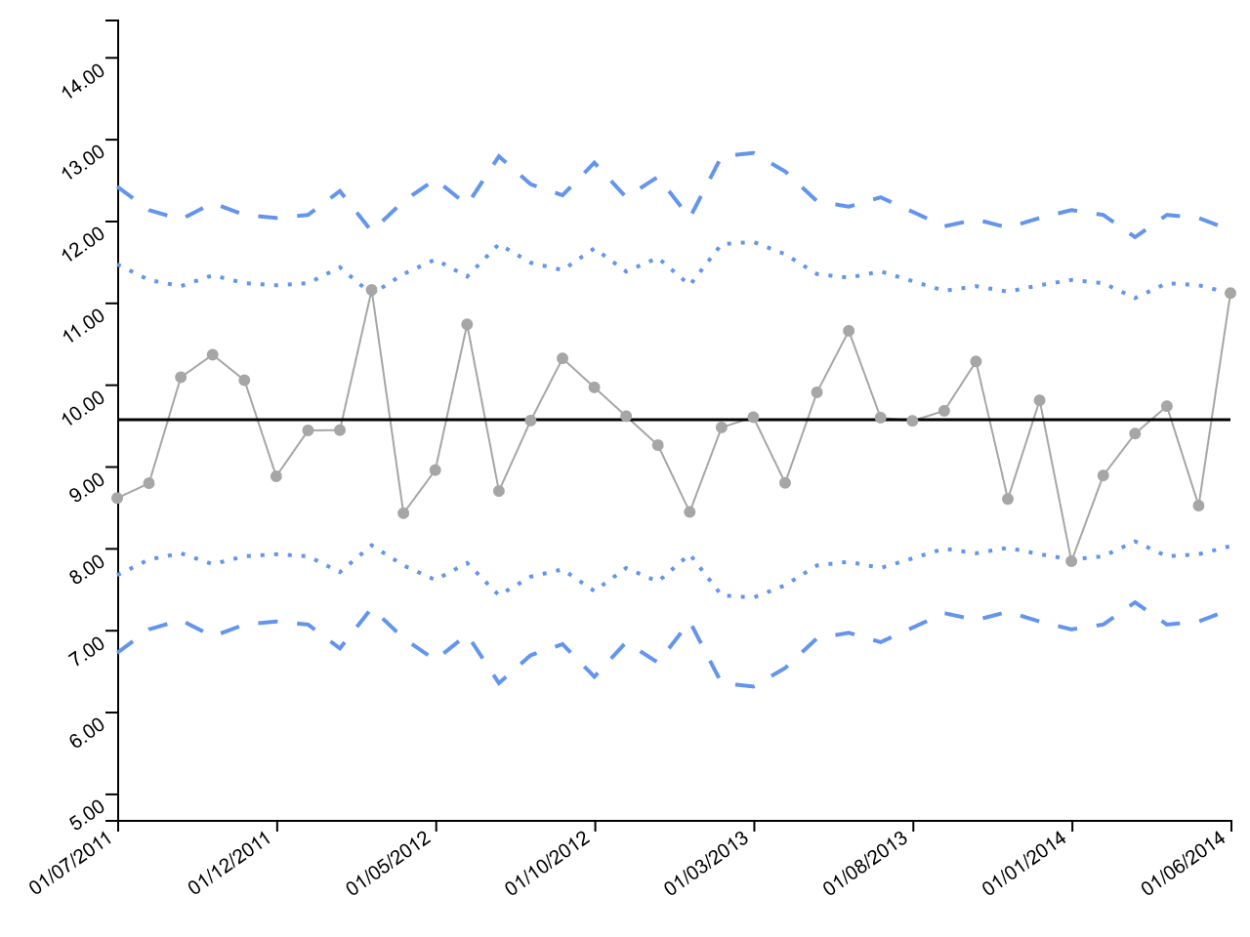
9/1/11 | 10.085749706 | 70
10/1/11 | 10.360639712 | 60
11/1/11 | 10.048972137 | 67
12/1/11 | 8.8747874889 | 69
1/1/12 | 9.4357162867 | 67
2/1/12 | 9.439481953 | 54
3/1/12 | 11.152138004 | 79
4/1/12 | 8.4239680333 | 59
5/1/12 | 8.9510993008 | 49
6/1/12 | 10.731890179 | 61
7/1/12 | 8.6952501062 | 41
8/1/12 | 9.5560205907 | 51
9/1/12 | 10.316119844 | 56
10/1/12 | 9.9618027584 | 43
11/1/12 | 9.6096906204 | 57
12/1/12 | 9.2557775439 | 48
1/1/13 | 8.4394797679 | 69
2/1/13 | 9.4723407426 | 41
3/1/13 | 9.5975243011 | 40
4/1/13 | 8.7946563623 | 46
5/1/13 | 9.9011828103 | 59
6/1/13 | 10.652805071 | 62
7/1/13 | 9.5917635967 | 57
8/1/13 | 9.5528095262 | 65
9/1/13 | 9.6754394391 | 75
10/1/13 | 10.278452158 | 70
11/1/13 | 8.5974976393 | 76
12/1/13 | 9.8033121444 | 69
1/1/14 | 7.8372733345 | 64
2/1/14 | 8.8850727911 | 67
3/1/14 | 9.3973397912 | 84
4/1/14 | 9.73203083 | 67
5/1/14 | 8.5165372688 | 69
6/1/14 | 11.113743958 | 78

G Charts
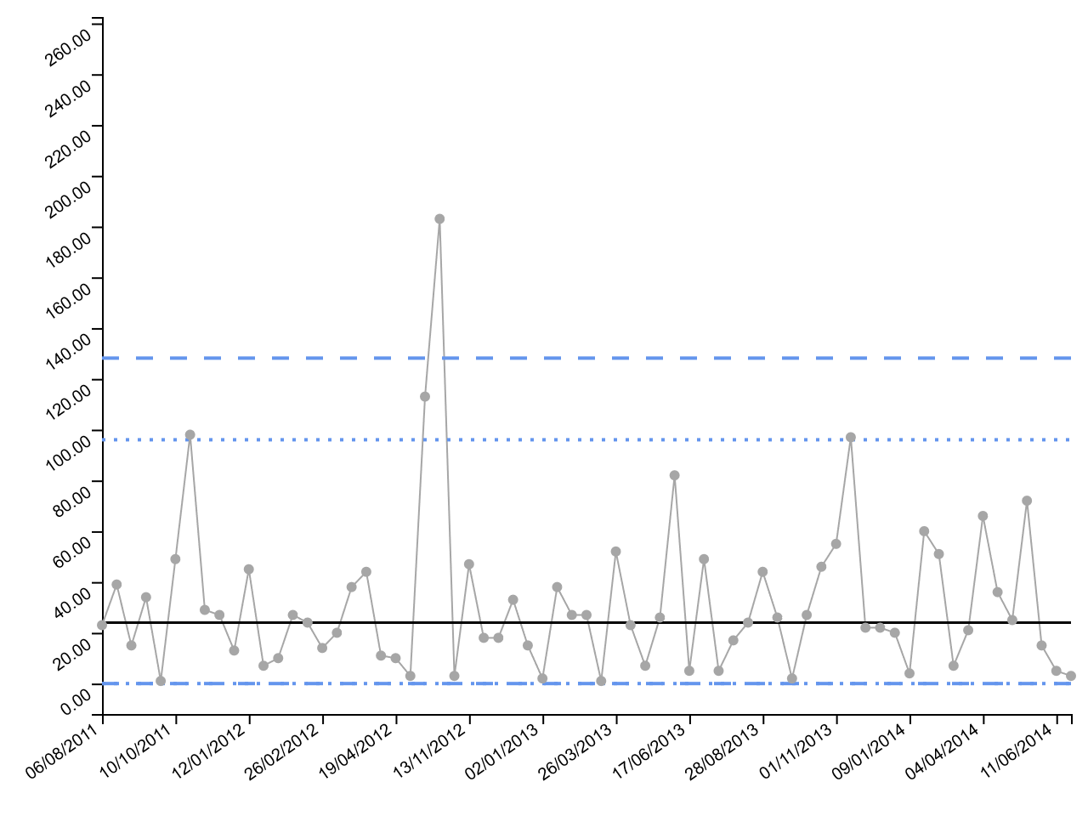
Date of Fatality | Surgeries
8/6/11 | 23
8/26/11 | 39
8/31/11 | 15
9/13/11 | 34
9/14/11 | 1
10/10/11 | 49
11/25/11 | 98
12/7/11 | 29
12/19/11 | 27
12/24/11 | 13
1/12/12 | 45
1/16/12 | 7
1/19/12 | 10
2/3/12 | 27
2/17/12 | 24
2/26/12 | 14
3/5/12 | 20
3/20/12 | 38
4/10/12 | 44
4/16/12 | 11
4/19/12 | 10
4/20/12 | 3
6/15/12 | 113
10/10/12 | 183
10/11/12 | 3
11/13/12 | 47
11/22/12 | 18
12/1/12 | 18
12/20/12 | 33
1/1/13 | 15
1/2/13 | 2
1/18/13 | 38
1/31/13 | 27
2/18/13 | 27
2/19/13 | 1
3/26/13 | 52
4/11/13 | 23
4/16/13 | 7
5/7/13 | 26
6/14/13 | 82
6/17/13 | 5
7/12/13 | 49
7/15/13 | 5
7/26/13 | 17
8/8/13 | 24
8/28/13 | 44
9/6/13 | 26
9/9/13 | 2
9/17/13 | 27
10/8/13 | 46
11/1/13 | 55
12/9/13 | 97
12/17/13 | 22
12/30/13 | 22
1/8/14 | 20
1/9/14 | 4
2/8/14 | 60
3/3/14 | 51
3/6/14 | 7
3/13/14 | 21
4/4/14 | 66
4/23/14 | 36
5/4/14 | 25
6/4/14 | 72
6/10/14 | 15
6/11/14 | 5
6/12/14 | 3

T Charts
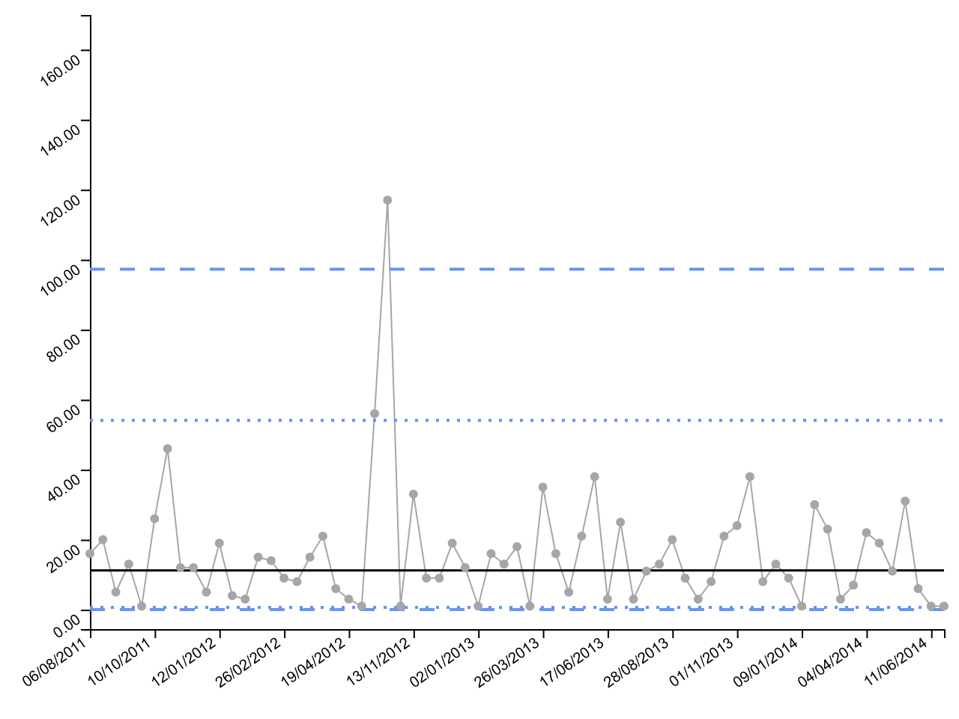
Date of Fatality | Days
8/6/11 | 16
8/26/11 | 20
8/31/11 | 5
9/13/11 | 13
9/14/11 | 1
10/10/11 | 26
11/25/11 | 46
12/7/11 | 12
12/19/11 | 12
12/24/11 | 5
1/12/12 | 19
1/16/12 | 4
1/19/12 | 3
2/3/12 | 15
2/17/12 | 14
2/26/12 | 9
3/5/12 | 8
3/20/12 | 15
4/10/12 | 21
4/16/12 | 6
4/19/12 | 3
4/20/12 | 1
6/15/12 | 56
10/10/12 | 117
10/11/12 | 1
11/13/12 | 33
11/22/12 | 9
12/1/12 | 9
12/20/12 | 19
1/1/13 | 12
1/2/13 | 1
1/18/13 | 16
1/31/13 | 13
2/18/13 | 18
2/19/13 | 1
3/26/13 | 35
4/11/13 | 16
4/16/13 | 5
5/7/13 | 21
6/14/13 | 38
6/17/13 | 3
7/12/13 | 25
7/15/13 | 3
7/26/13 | 11
8/8/13 | 13
8/28/13 | 20
9/6/13 | 9
9/9/13 | 3
9/17/13 | 8
10/8/13 | 21
11/1/13 | 24
12/9/13 | 38
12/17/13 | 8
12/30/13 | 13
1/8/14 | 9
1/9/14 | 1
2/8/14 | 30
3/3/14 | 23
3/6/14 | 3
3/13/14 | 7
4/4/14 | 22
4/23/14 | 19
5/4/14 | 11
6/4/14 | 31
6/10/14 | 6
6/11/14 | 1
6/12/14 | 1

SR funnel
Hospital | Sum of Observed | Sum of Predicted
30001 | 406 | 523.6963044
30002 | 642 | 612.97855293
30003 | 46 | 53.791361883
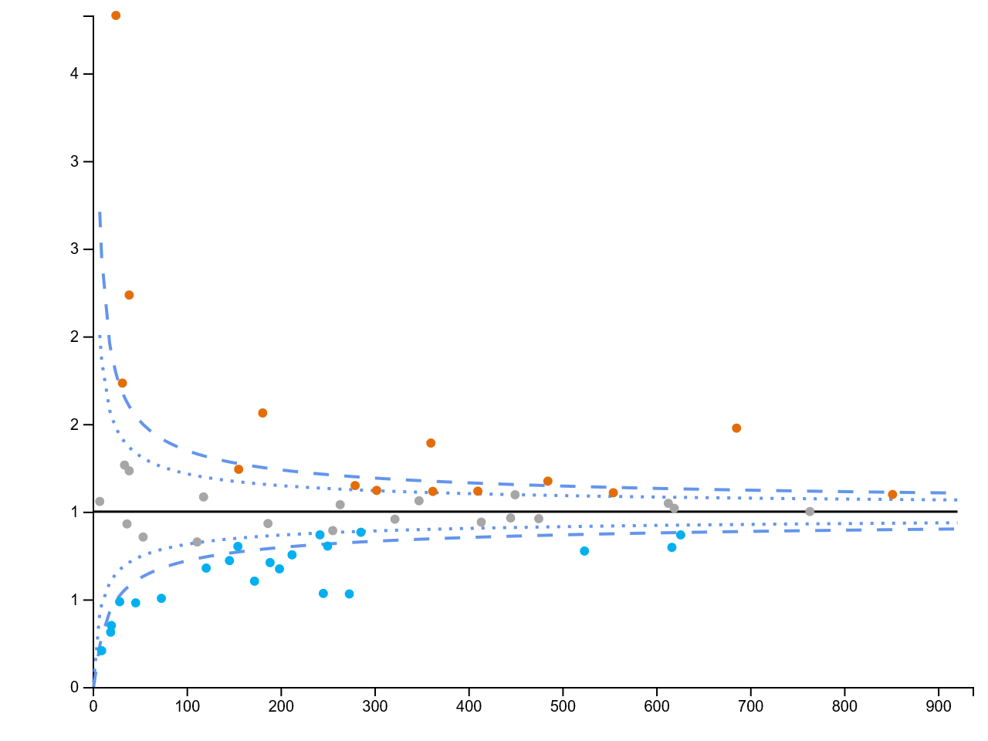
30006 | 764 | 763.71788755
30007 | 82 | 120.93739281
30008 | 201 | 250.186017
30009 | 193 | 155.49209624
30010 | 569 | 484.71487639
30011 | 404 | 362.22213062
30012 | 134 | 188.92661245
30013 | 614 | 554.38476729
30014 | 491 | 616.73798367
30016 | 501 | 360.14733061
30017 | 131 | 245.61260235
30018 | 274 | 263.56458385
30019 | 124 | 154.66242287
30022 | 456 | 475.01588724
30023 | 48 | 38.933932087
30024 | 429 | 445.09655805
30025 | 14 | 28.797138877
30030 | 369 | 347.53640429
30033 | 8 | 7.5610513661
30035 | 37 | 73.205601753
30036 | 128 | 118.11376066
30037 | 145 | 273.3377277
30038 | 493 | 449.79320452
30043 | 104 | 172.37858327
30044 | 6 | 19.196258865
30055 | 308 | 321.85800968
30059 | 34 | 36.562995729
30060 | 7 | 19.964291547
30061 | 935 | 851.71637254
30062 | 134 | 198.94056072
30064 | 339 | 302.39343013
30065 | 458 | 410.16347154
30067 | 22 | 45.865321482
30068 | 2 | 9.6673147877
30069 | 160 | 212.3449505
30073 | 87 | 38.92217191
30078 | 55 | 31.737869756
30080 | 252 | 285.63591146
30083 | 174 | 186.65606385
30084 | 43 | 33.981834098
30085 | 228 | 255.65466754
30086 | 210 | 242.02586648
30087 | 321 | 279.47621714
30088 | 631 | 619.26358556
30089 | 543 | 626.13019624
30092 | 105 | 145.67486271
30093 | 389 | 413.86209509
30094 | 92 | 111.26279265
32000 | 1012 | 685.58572379
32002 | 283 | 181.10791122
32003 | 95 | 24.806480362

PR funnel
Hospital | Sum of Satisfied | Sum of Patients
1 | 130 | 150
10 | 80 | 425
2 | 65 | 200
3 | 155 | 300
4 | 125 | 250
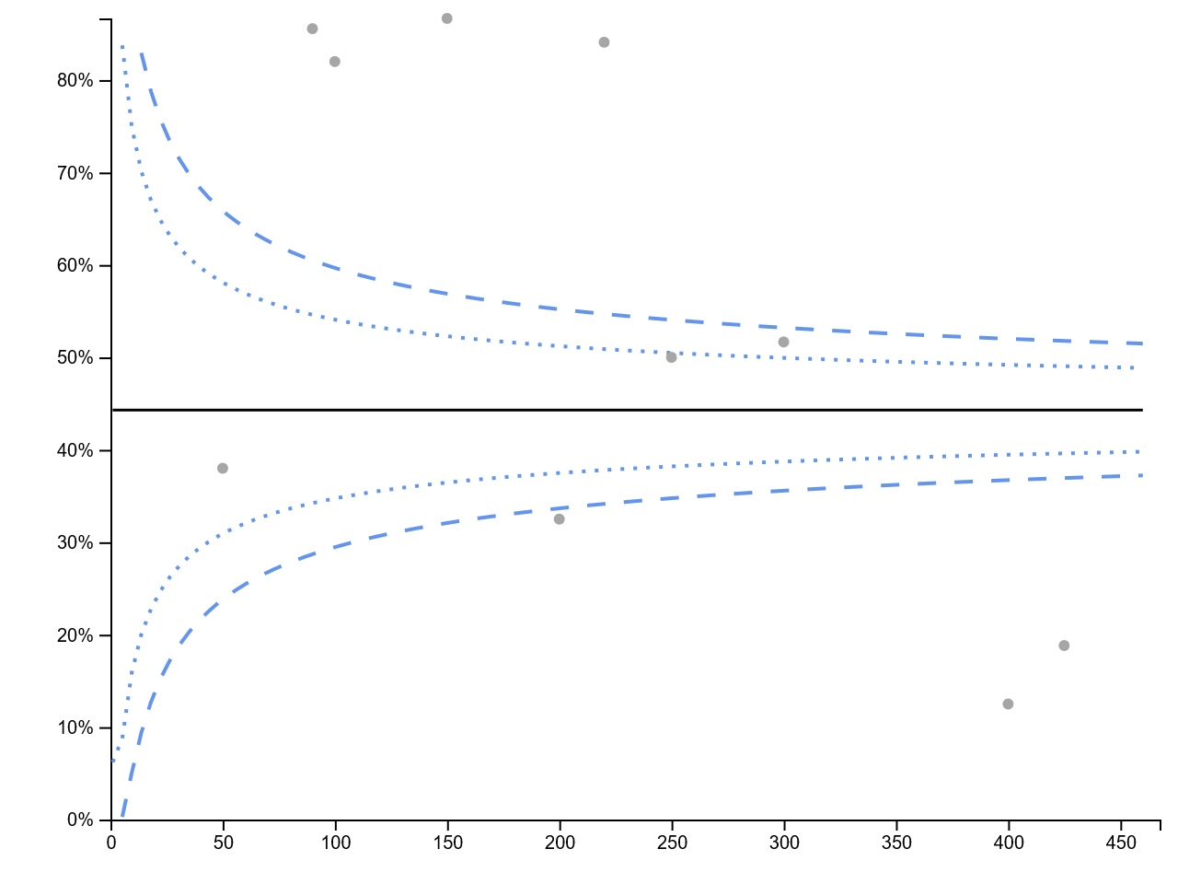
5 | 19 | 50
6 | 185 | 220
7 | 82 | 100
8 | 77 | 90
9 | 50 | 400

RC funnel
Hospital | Sum of Patients | Sum of Doctors
1 | 130 | 47
10 | 80 | 34
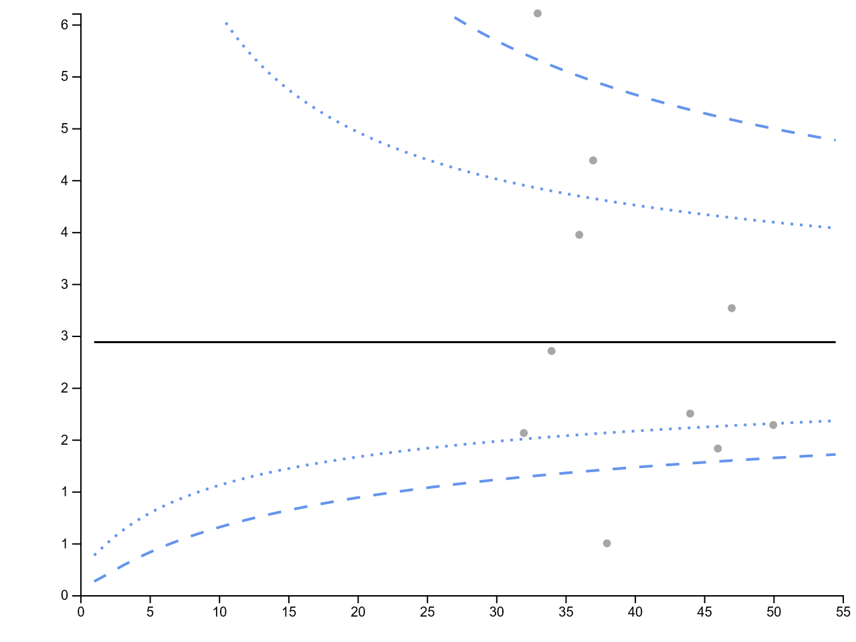
2 | 65 | 46
3 | 155 | 37
4 | 125 | 36
5 | 19 | 38
6 | 185 | 33
7 | 82 | 50
8 | 77 | 44
9 | 50 | 32

