noise_event_rate_simulation
log10_rate vs threshold
thresh | on_event_rate_1khz | log10_thr | log10_rate_per_hz | log10_rate | log10_thr | thr/vn | vn/thr | vnthr0p2
0.008 | 69711500.000 | -2.085 | 4.843
0.045 | 3105750.000 | -1.343 | 3.492
0.086 | 761565.000 | -1.066 | 2.882
0.176 | 194255.000 | -0.754 | 2.288
0.271 | 87785.000 | -0.566 | 1.943
0.361 | 48620.000 | -0.442 | 1.687
0.439 | 30589.500 | -0.358 | 1.486
0.525 | 21081.500 | -0.280 | 1.324
0.622 | 15435.000 | -0.206 | 1.189
0.708 | 11746.500 | -0.150 | 1.070
0.798 | 9274.000 | -0.098 | 0.967
0.883 | 7132.250 | -0.054 | 0.853
0.977 | 5850.900 | -0.010 | 0.767
1.064 | 4843.100 | 0.027 | 0.685
1.147 | 4069.300 | 0.060 | 0.610
1.239 | 3451.950 | 0.093 | 0.538
1.328 | 2945.950 | 0.123 | 0.469
1.419 | 2549.550 | 0.152 | 0.406
1.505 | 2211.250 | 0.177 | 0.345
1.596 | 1930.550 | 0.203 | 0.286
1.690 | 1680.000 | 0.228 | 0.225
1.772 | 1462.500 | 0.248 | 0.165
1.861 | 1277.350 | 0.270 | 0.106
1.951 | 1114.300 | 0.290 | 0.047 | 0.047 | 0.290 | 1.95 | 0.513 | 0.103
2.039 | 965.250 | 0.309 | -0.015 | -0.015 | 0.309 | 2.04 | 0.491 | 0.098
2.125 | 841.350 | 0.327 | -0.075 | -0.075 | 0.327 | 2.13 | 0.471 | 0.094
2.214 | 719.450 | 0.345 | -0.143 | -0.143 | 0.345 | 2.21 | 0.452 | 0.090
2.310 | 613.950 | 0.364 | -0.212 | -0.212 | 0.364 | 2.31 | 0.433 | 0.087
2.389 | 518.300 | 0.378 | -0.285 | -0.285 | 0.378 | 2.39 | 0.419 | 0.084
2.478 | 442.050 | 0.394 | -0.355 | -0.355 | 0.394 | 2.48 | 0.404 | 0.081
2.566 | 365.250 | 0.409 | -0.437 | -0.437 | 0.409 | 2.57 | 0.390 | 0.078
2.660 | 284.058 | 0.425 | -0.547 | -0.547 | 0.425 | 2.66 | 0.376 | 0.075
log10_thr vs rate
 | log10_thr
0.05 | 0.29
-0.02 | 0.31
-0.08 | 0.33
-0.14 | 0.35
-0.21 | 0.36
-0.29 | 0.38
-0.35 | 0.39
-0.44 | 0.41
-0.55 | 0.42
-0.63 | 0.44
-0.72 | 0.45
-0.82 | 0.47
-0.92 | 0.48
-1.02 | 0.49
-1.13 | 0.50
-1.23 | 0.52
-1.35 | 0.53
-1.47 | 0.54
-1.59 | 0.55
-1.72 | 0.56
-1.85 | 0.57
-1.98 | 0.58
-2.11 | 0.59
-2.26 | 0.60
-2.41 | 0.61
-2.56 | 0.62
-2.73 | 0.63
...
2.746 | 234.680 | 0.439 | -0.630 | -0.630 | 0.439 | 2.75 | 0.364 | 0.073
2.834 | 190.372 | 0.452 | -0.720 | -0.720 | 0.452 | 2.83 | 0.353 | 0.071
2.924 | 152.280 | 0.466 | -0.817 | -0.817 | 0.466 | 2.92 | 0.342 | 0.068
3.013 | 121.168 | 0.479 | -0.917 | -0.917 | 0.479 | 3.01 | 0.332 | 0.066
3.102 | 95.966 | 0.492 | -1.018 | -1.018 | 0.492 | 3.10 | 0.322 | 0.064
3.192 | 74.982 | 0.504 | -1.125 | -1.125 | 0.504 | 3.19 | 0.313 | 0.063
3.277 | 58.246 | 0.515 | -1.235 | -1.235 | 0.515 | 3.28 | 0.305 | 0.061
3.366 | 44.674 | 0.527 | -1.350 | -1.350 | 0.527 | 3.37 | 0.297 | 0.059
3.456 | 33.894 | 0.539 | -1.470 | -1.470 | 0.539 | 3.46 | 0.289 | 0.058
3.545 | 25.544 | 0.550 | -1.593 | -1.593 | 0.550 | 3.54 | 0.282 | 0.056
3.636 | 19.078 | 0.561 | -1.719 | -1.719 | 0.561 | 3.64 | 0.275 | 0.055
3.720 | 14.058 | 0.571 | -1.852 | -1.852 | 0.571 | 3.72 | 0.269 | 0.054
3.811 | 10.364 | 0.581 | -1.984 | -1.984 | 0.581 | 3.81 | 0.262 | 0.052
3.899 | 7.678 | 0.591 | -2.115 | -2.115 | 0.591 | 3.90 | 0.256 | 0.051
3.988 | 5.486 | 0.601 | -2.261 | -2.261 | 0.601 | 3.99 | 0.251 | 0.050
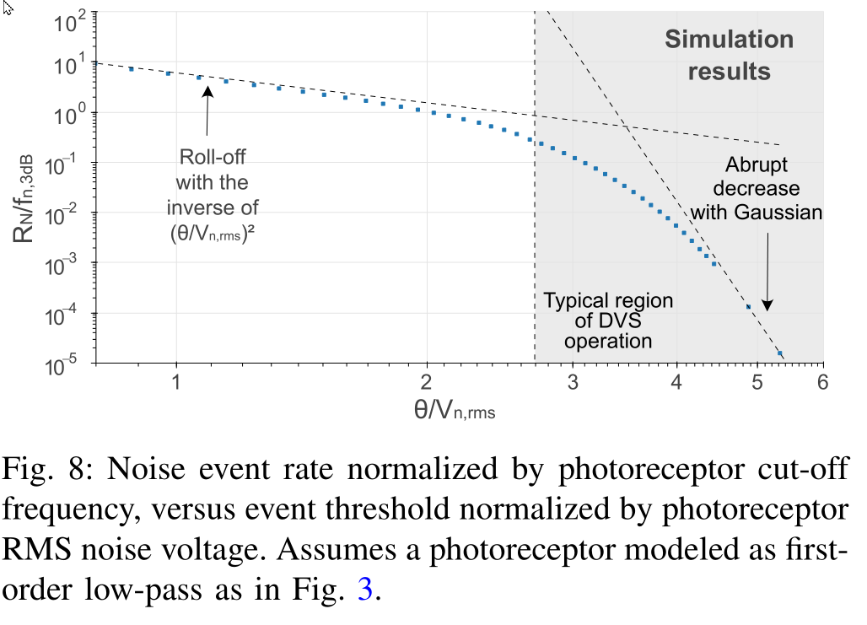
4.077 | 3.932 | 0.610 | -2.405 | -2.405 | 0.610 | 4.08 | 0.245 | 0.049
4.166 | 2.728 | 0.620 | -2.564 | -2.564 | 0.620 | 4.17 | 0.240 | 0.048
4.258 | 1.864 | 0.629 | -2.730 | -2.730 | 0.629 | 4.26 | 0.235 | 0.047
4.338 | 1.364 | 0.637 | -2.865 | -2.865 | 0.637 | 4.34 | 0.231 | 0.046
4.431 | 0.944 | 0.646 | -3.025 | -3.025 | 0.646 | 4.43 | 0.226 | 0.045
4.875 | 0.132 | 0.688 | -3.881 | -3.881 | 0.688 | 4.87 | 0.205 | 0.041
5.318 | 0.016 | 0.726 | -4.801 | -4.801 | 0.726 | 5.32 | 0.188 | 0.038
5.318 | 0.014 | 0.726 | -4.860 | -4.860 | 0.726 | 5.32 | 0.188 | 0.038
6.203 | 0.000 | 0.793 | -6.865 | -6.865 | 0.793 | 6.20 | 0.161 | 0.032

