dashboard
Animal Incidents in London 2009 - 2022




Total Fire Brigade incidents
Total Police incidents
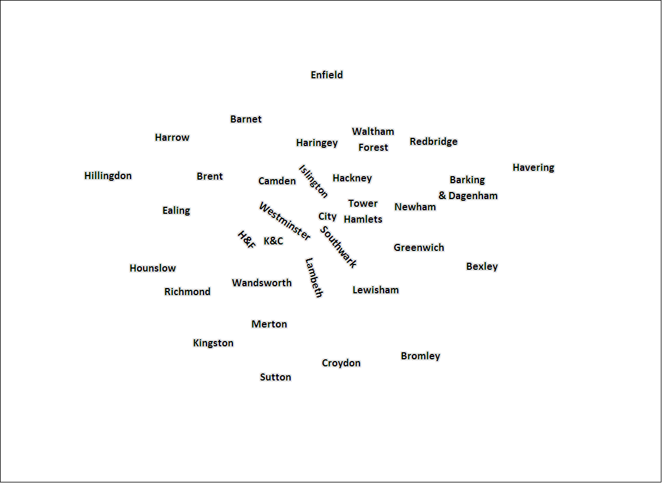

Animals which needed fire service rescue most:
Animals which are involved in police Incidents most:




4114 1743 1318



3240 814 317

Type of Fire Brigade Incident
Type of Police incidents

Enfield
Area with most Fire brigade incidents
8592
Pumps used on animal incidents
89%
of animals not recovered
Croydon
Area with most police incidents
1000
Highest number of animals in one incident

Fire Brigade incidents per year
Police incidents per year





Icons from freepik on www.flaticon.com, Map excel template from http://ubdc.gla.ac.uk/sq/dataset/excel-mapping-template-for-london-boroughs-and-wards

